HIST2H3D _multivariate
Reported by Tex Li-Hsing Chi. tex@gate.sinica.edu.tw 2019-08-19

Table 2. The clinicopathological features of HNSCC cohort and HIST2H3D expression. (Chi square test)
Cutoff at -0.199 (49.8%)
 |  | HIST2H3D expression |  | HIST2H3D expression |  | (Optimised)
 | Features | Low | (%) | High | (%) | Case no | P-value | Remark | Matthews
Gender | Female | 144 | 34.7 | 162 | 39 | 415 | 0.0697 | 0 | 0
2 | Male | 63 | 15.2 | 46 | 11.1
Age at diagnosis | <=65y | 135 | 32.5 | 139 | 33.5 | 415 | 0.8084 | 0 | 0
4 | >65y | 72 | 17.3 | 69 | 16.6
Clinical T Status | T1+T2 | 87 | 21 | 62 | 14.9 | 415 | 0.0127 | 1 | 0
6 | T3+T4 | 120 | 28.9 | 146 | 35.2
Clinical N Status | N0 | 114 | 27.5 | 102 | 24.6 | 415 | 0.2576 | 1 | 0
8 | N1-3 | 93 | 22.4 | 106 | 25.5
Clinical M Status | M0 | 206 | 49.6 | 206 | 49.6 | 415 | 1 | 0 | 0
10 | M1 | 1 | 0.2 | 2 | 0.5
Clinical Stage | Stage I+II | 62 | 14.9 | 40 | 9.6 | 415 | 0.0154 | 1 | 0
12 | Stage III+IV | 145 | 34.9 | 168 | 40.5
Surgical Margin status | Negative | 158 | 38.1 | 160 | 38.6 | 415 | 0.9081 | 0 | 0
14 | Positive | 49 | 11.8 | 48 | 11.6
Tobacco Exposure | Low | 87 | 21 | 74 | 17.8 | 415 | 0.1911 | 0 | 0
16 | High | 120 | 28.9 | 134 | 32.3

Table 3. Univariate/Multivariate Cox's proportional hazards regression analyses on OS time of HIST2H3D gene expression in HNSCC

 |  | Univariate |  |  |  | Multivariate
 | Features | HR | CI95%(L) | CI95%(H) | P-value | HR | CI95%(L) | CI95%(H) | P-value
1 | Female | 1 |  |  |  | 1
Gender | Male | 1.157 | 0.843 | 1.587 | 0.367 | 1.208 | 0.864 | 1.689 | 0.269
11 | <=65y | 1 |  |  |  | 1
Age at diagnosis | >65y | 1.329 | 0.99 | 1.784 | 0.058 | 1.4 | 1.03 | 1.905 | 0.032
12 | T1+T2 | 1 |  |  |  | 1
Clinical T Status | T3+T4 | 1.409 | 1.028 | 1.931 | 0.033 | 2.183 | 1.154 | 4.13 | 0.016
13 | N0 | 1 |  |  |  | 1
Clinical N Status | N1-3 | 1.185 | 0.89 | 1.577 | 0.246 | 1.236 | 0.866 | 1.764 | 0.243
14 | M0 | 1 |  |  |  | 1
Clinical M Status | M1 | 4.097 | 1.009 | 16.644 | 0.049 | 9.307 | 2.03 | 42.674 | 0.004
15 | Stage I+II | 1 |  |  |  | 1
Clinical Stage | Stage III+IV | 1.245 | 0.882 | 1.759 | 0.213 | 0.502 | 0.234 | 1.078 | 0.077
16 | Negative | 1 |  |  |  | 1
Surgical Margin status | Positive | 1.591 | 1.155 | 2.191 | 0.004 | 1.673 | 1.21 | 2.312 | 0.002
17 | Low | 1 |  |  |  | 1
Tobacco Exposure | High | 1.364 | 1.008 | 1.844 | 0.044 | 1.451 | 1.053 | 1.998 | 0.023
18 | Low | 1 |  |  |  | 1
RNAseq(z-score) | High | 1.105 | 0.829 | 1.472 | 0.496 | 1.097 | 0.818 | 1.471 | 0.535

Table 4. Univariate/Multivariate Cox's proportional hazards regression analyses on RFS time of HIST2H3D gene expression in HNSCC

 |  | Univariate |  |  |  | Multivariate
 | Features | HR | CI95%(L) | CI95%(H) | P-value | HR | CI95%(L) | CI95%(H) | P-value
1 | Female | 1 |  |  |  | 1
Gender | Male | 1.157 | 0.843 | 1.587 | 0.367 | 1.208 | 0.864 | 1.689 | 0.269
11 | <=65y | 1 |  |  |  | 1
Age at diagnosis | >65y | 1.329 | 0.99 | 1.784 | 0.058 | 1.4 | 1.03 | 1.905 | 0.032
12 | T1+T2 | 1 |  |  |  | 1
Clinical T Status | T3+T4 | 1.409 | 1.028 | 1.931 | 0.033 | 2.183 | 1.154 | 4.13 | 0.016
13 | N0 | 1 |  |  |  | 1
Clinical N Status | N1-3 | 1.185 | 0.89 | 1.577 | 0.246 | 1.236 | 0.866 | 1.764 | 0.243
14 | M0 | 1 |  |  |  | 1
Clinical M Status | M1 | 4.097 | 1.009 | 16.644 | 0.049 | 9.307 | 2.03 | 42.674 | 0.004
15 | Stage I+II | 1 |  |  |  | 1
Clinical Stage | Stage III+IV | 1.245 | 0.882 | 1.759 | 0.213 | 0.502 | 0.234 | 1.078 | 0.077
16 | Negative | 1 |  |  |  | 1
Surgical Margin status | Positive | 1.591 | 1.155 | 2.191 | 0.004 | 1.673 | 1.21 | 2.312 | 0.002
17 | Low | 1 |  |  |  | 1
Tobacco Exposure | High | 1.364 | 1.008 | 1.844 | 0.044 | 1.451 | 1.053 | 1.998 | 0.023
18 | Low | 1 |  |  |  | 1
RNAseq(z-score) | High | 1.105 | 0.829 | 1.472 | 0.496 | 1.097 | 0.818 | 1.471 | 0.535

Kaplan-Meier survival estimate: Cutoff at -0.199 (49.8%)

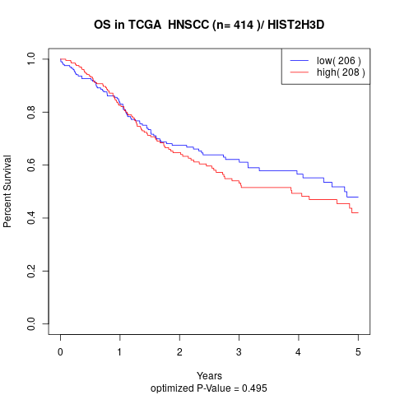

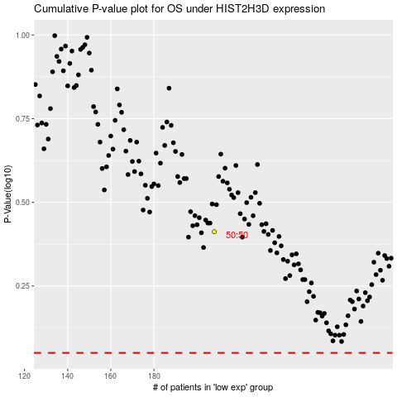

 |  |  |  |  |  | cases_OS | p_OS | rank | exp
 |  |  |  |  |  |  | cases_RFS | p_RFS | rank | exp

