HIST2H4A _multivariate
Reported by Tex Li-Hsing Chi. tex@gate.sinica.edu.tw 2019-08-19

Table 2. The clinicopathological features of HNSCC cohort and HIST2H4A expression. (Chi square test)
Cutoff at -0.427 (42.0%)
 |  | HIST2H4A expression |  | HIST2H4A expression |  | (Optimised)
 | Features | Low | (%) | High | (%) | Case no | P-value | Remark | Matthews
Gender | Female | 121 | 29.2 | 185 | 44.6 | 415 | 0.0887 | 0 | 0
2 | Male | 54 | 13 | 55 | 13.3
Age at diagnosis | <=65y | 111 | 26.7 | 163 | 39.3 | 415 | 0.3962 | 0 | 0
4 | >65y | 64 | 15.4 | 77 | 18.6
Clinical T Status | T1+T2 | 61 | 14.7 | 88 | 21.2 | 415 | 0.7827 | 0 | 0
6 | T3+T4 | 114 | 27.5 | 152 | 36.6
Clinical N Status | N0 | 88 | 21.2 | 128 | 30.8 | 415 | 0.6071 | 0 | 0
8 | N1-3 | 87 | 21 | 112 | 27
Clinical M Status | M0 | 175 | 42.2 | 237 | 57.1 | 415 | 0.2666 | 0 | 0
10 | M1 | 0 | 0 | 3 | 0.7
Clinical Stage | Stage I+II | 44 | 10.6 | 58 | 14 | 415 | 0.9103 | 0 | 0
12 | Stage III+IV | 131 | 31.6 | 182 | 43.9
Surgical Margin status | Negative | 139 | 33.5 | 179 | 43.1 | 415 | 0.2907 | 0 | 0
14 | Positive | 36 | 8.7 | 61 | 14.7
Tobacco Exposure | Low | 74 | 17.8 | 87 | 21 | 415 | 0.2223 | 0 | 0
16 | High | 101 | 24.3 | 153 | 36.9

Table 3. Univariate/Multivariate Cox's proportional hazards regression analyses on OS time of HIST2H4A gene expression in HNSCC

 |  | Univariate |  |  |  | Multivariate
 | Features | HR | CI95%(L) | CI95%(H) | P-value | HR | CI95%(L) | CI95%(H) | P-value
1 | Female | 1 |  |  |  | 1
Gender | Male | 1.157 | 0.843 | 1.587 | 0.367 | 1.227 | 0.879 | 1.712 | 0.229
11 | <=65y | 1 |  |  |  | 1
Age at diagnosis | >65y | 1.329 | 0.99 | 1.784 | 0.058 | 1.425 | 1.048 | 1.937 | 0.024
12 | T1+T2 | 1 |  |  |  | 1
Clinical T Status | T3+T4 | 1.409 | 1.028 | 1.931 | 0.033 | 2.241 | 1.185 | 4.24 | 0.013
13 | N0 | 1 |  |  |  | 1
Clinical N Status | N1-3 | 1.185 | 0.89 | 1.577 | 0.246 | 1.24 | 0.869 | 1.771 | 0.236
14 | M0 | 1 |  |  |  | 1
Clinical M Status | M1 | 4.097 | 1.009 | 16.644 | 0.049 | 8.5 | 1.849 | 39.074 | 0.006
15 | Stage I+II | 1 |  |  |  | 1
Clinical Stage | Stage III+IV | 1.245 | 0.882 | 1.759 | 0.213 | 0.485 | 0.226 | 1.042 | 0.064
16 | Negative | 1 |  |  |  | 1
Surgical Margin status | Positive | 1.591 | 1.155 | 2.191 | 0.004 | 1.598 | 1.153 | 2.214 | 0.005
17 | Low | 1 |  |  |  | 1
Tobacco Exposure | High | 1.364 | 1.008 | 1.844 | 0.044 | 1.438 | 1.046 | 1.976 | 0.025
18 | Low | 1 |  |  |  | 1
RNAseq(z-score) | High | 1.42 | 1.057 | 1.908 | 0.02 | 1.376 | 1.018 | 1.861 | 0.038

Table 4. Univariate/Multivariate Cox's proportional hazards regression analyses on RFS time of HIST2H4A gene expression in HNSCC

 |  | Univariate |  |  |  | Multivariate
 | Features | HR | CI95%(L) | CI95%(H) | P-value | HR | CI95%(L) | CI95%(H) | P-value
1 | Female | 1 |  |  |  | 1
Gender | Male | 1.157 | 0.843 | 1.587 | 0.367 | 1.227 | 0.879 | 1.712 | 0.229
11 | <=65y | 1 |  |  |  | 1
Age at diagnosis | >65y | 1.329 | 0.99 | 1.784 | 0.058 | 1.425 | 1.048 | 1.937 | 0.024
12 | T1+T2 | 1 |  |  |  | 1
Clinical T Status | T3+T4 | 1.409 | 1.028 | 1.931 | 0.033 | 2.241 | 1.185 | 4.24 | 0.013
13 | N0 | 1 |  |  |  | 1
Clinical N Status | N1-3 | 1.185 | 0.89 | 1.577 | 0.246 | 1.24 | 0.869 | 1.771 | 0.236
14 | M0 | 1 |  |  |  | 1
Clinical M Status | M1 | 4.097 | 1.009 | 16.644 | 0.049 | 8.5 | 1.849 | 39.074 | 0.006
15 | Stage I+II | 1 |  |  |  | 1
Clinical Stage | Stage III+IV | 1.245 | 0.882 | 1.759 | 0.213 | 0.485 | 0.226 | 1.042 | 0.064
16 | Negative | 1 |  |  |  | 1
Surgical Margin status | Positive | 1.591 | 1.155 | 2.191 | 0.004 | 1.598 | 1.153 | 2.214 | 0.005
17 | Low | 1 |  |  |  | 1
Tobacco Exposure | High | 1.364 | 1.008 | 1.844 | 0.044 | 1.438 | 1.046 | 1.976 | 0.025
18 | Low | 1 |  |  |  | 1
RNAseq(z-score) | High | 1.42 | 1.057 | 1.908 | 0.02 | 1.376 | 1.018 | 1.861 | 0.038

Kaplan-Meier survival estimate: Cutoff at -0.427 (42.0%)

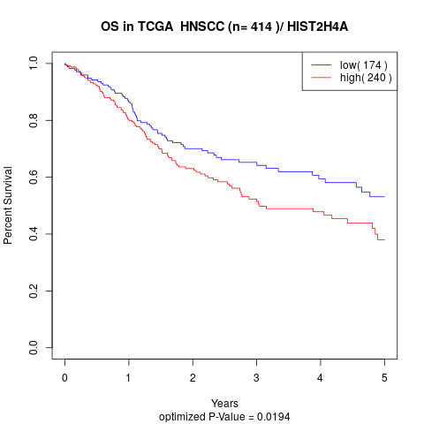

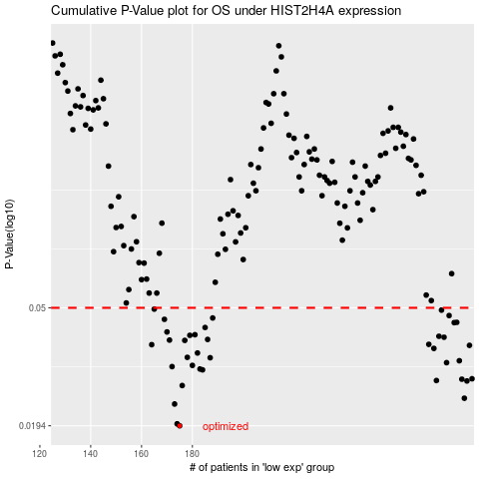

 |  |  |  |  |  | cases_OS | p_OS | rank | exp
 |  |  |  |  |  | 175 | 0.0194 | 114 | -0.42703822765
 |  |  |  |  |  | 174 | 0.0197 | 13 | -0.43366053989
 |  |  |  |  |  | 173 | 0.0231 | 305 | -0.43936612585
 |  |  |  |  |  | 287 | 0.0242 | 275 | 0.12601975159
 |  |  |  |  |  | 176 | 0.0268 | 274 | -0.42341575333
 |  |  |  |  |  | 288 | 0.0278 | 390 | 0.1603783991
 |  |  |  |  |  | 276 | 0.0279 | 261 | 0.014085144096
 |  |  |  |  |  | 286 | 0.0282 | 408 | 0.12394147596
 |  |  |  |  |  | 290 | 0.0283 | 223 | 0.16684686575
 |  |  |  |  |  | 184 | 0.0304 | 43 | -0.37160968572
 |  |  |  |  |  | 183 | 0.0306 | 358 | -0.37682502109
 |  |  |  |  |  | 172 | 0.0312 | 321 | -0.44897134998
 |  |  |  |  |  | 180 | 0.0315 | 86 | -0.38591400108
 |  |  |  |  |  | 280 | 0.0322 | 108 | 0.056729691552
 |  |  |  |  |  | 285 | 0.0327 | 238 | 0.12172204927
 |  |  |  |  |  | 187 | 0.0335 | 377 | -0.36405674366
 |  |  |  |  |  | 178 | 0.0336 | 118 | -0.39442538003
 |  |  |  |  |  | 182 | 0.0348 | 351 | -0.38229152676
 |  |  |  |  |  | 275 | 0.0361 | 128 | 0.014024996212
 |  |  |  |  |  | 289 | 0.037 | 34 | 0.16607794004
 |  |  |  |  |  | 164 | 0.0372 | 62 | -0.46491144598
 |  |  |  |  |  | 273 | 0.0373 | 21 | 0.0078639184937
 |  |  |  |  |  | 177 | 0.0385 | 53 | -0.42010006345
 |  |  |  |  |  | 171 | 0.0386 | 42 | -0.44966410853
 |  |  |  |  |  | 186 | 0.0388 | 100 | -0.36489972078
 |  |  |  |  |  | 279 | 0.0395 | 93 | 0.047406769543
 |  |  |  |  |  | 277 | 0.0398 | 405 | 0.019207386252
 |  |  |  |  |  | 179 | 0.0401 | 71 | -0.39343913608
 |  |  |  |  |  | 181 | 0.0403 | 91 | -0.38446561585
 |  |  |  |  |  | 170 | 0.0412 | 98 | -0.45301304598
 |  |  |  |  |  | 185 | 0.0427 | 331 | -0.36973029104
 |  |  |  |  |  | 283 | 0.0444 | 10 | 0.076485400042
 |  |  |  |  |  | 284 | 0.0445 | 41 | 0.10873917386
 |  |  |  |  |  | 169 | 0.0456 | 307 | -0.45378892346
 |  |  |  |  |  | 188 | 0.0461 | 355 | -0.36198934905
 |  |  |  |  |  | 281 | 0.047 | 289 | 0.058046597735
 |  |  |  |  |  | 278 | 0.0491 | 350 | 0.038281821725
 |  |  |  |  |  | 165 | 0.0495 | 366 | -0.46314358179
 |  |  |  |  |  |  | cases_RFS | p_RFS | rank | exp
 |  |  |  |  |  |  | 174 | 0.0194 | 13 | -0.43366053989
 |  |  |  |  |  |  | 173 | 0.0197 | 305 | -0.43936612585
 |  |  |  |  |  |  | 172 | 0.0231 | 321 | -0.44897134998
 |  |  |  |  |  |  | 286 | 0.0242 | 408 | 0.12394147596
 |  |  |  |  |  |  | 175 | 0.0268 | 114 | -0.42703822765
 |  |  |  |  |  |  | 287 | 0.0278 | 275 | 0.12601975159
 |  |  |  |  |  |  | 275 | 0.0279 | 128 | 0.014024996212
 |  |  |  |  |  |  | 285 | 0.0282 | 238 | 0.12172204927
 |  |  |  |  |  |  | 289 | 0.0283 | 34 | 0.16607794004
 |  |  |  |  |  |  | 183 | 0.0304 | 358 | -0.37682502109
 |  |  |  |  |  |  | 182 | 0.0306 | 351 | -0.38229152676
 |  |  |  |  |  |  | 171 | 0.0312 | 42 | -0.44966410853
 |  |  |  |  |  |  | 179 | 0.0315 | 71 | -0.39343913608
 |  |  |  |  |  |  | 279 | 0.0322 | 93 | 0.047406769543
 |  |  |  |  |  |  | 284 | 0.0327 | 41 | 0.10873917386
 |  |  |  |  |  |  | 186 | 0.0335 | 100 | -0.36489972078
 |  |  |  |  |  |  | 177 | 0.0336 | 53 | -0.42010006345
 |  |  |  |  |  |  | 181 | 0.0348 | 91 | -0.38446561585
 |  |  |  |  |  |  | 274 | 0.0361 | 63 | 0.012122025975
 |  |  |  |  |  |  | 288 | 0.037 | 390 | 0.1603783991
 |  |  |  |  |  |  | 163 | 0.0372 | 183 | -0.46931856304
 |  |  |  |  |  |  | 272 | 0.0373 | 131 | 0.0051225048894
 |  |  |  |  |  |  | 176 | 0.0385 | 274 | -0.42341575333
 |  |  |  |  |  |  | 170 | 0.0386 | 98 | -0.45301304598
 |  |  |  |  |  |  | 185 | 0.0388 | 331 | -0.36973029104
 |  |  |  |  |  |  | 278 | 0.0395 | 350 | 0.038281821725
 |  |  |  |  |  |  | 276 | 0.0398 | 261 | 0.014085144096
 |  |  |  |  |  |  | 178 | 0.0401 | 118 | -0.39442538003
 |  |  |  |  |  |  | 180 | 0.0403 | 86 | -0.38591400108
 |  |  |  |  |  |  | 169 | 0.0412 | 307 | -0.45378892346
 |  |  |  |  |  |  | 184 | 0.0427 | 43 | -0.37160968572
 |  |  |  |  |  |  | 282 | 0.0444 | 231 | 0.059381941208
 |  |  |  |  |  |  | 283 | 0.0445 | 10 | 0.076485400042
 |  |  |  |  |  |  | 168 | 0.0456 | 245 | -0.45703539794
 |  |  |  |  |  |  | 187 | 0.0461 | 377 | -0.36405674366
 |  |  |  |  |  |  | 280 | 0.047 | 108 | 0.056729691552
 |  |  |  |  |  |  | 277 | 0.0491 | 405 | 0.019207386252
 |  |  |  |  |  |  | 164 | 0.0495 | 62 | -0.46491144598

