HIST4H4 _multivariate
Reported by Tex Li-Hsing Chi. tex@gate.sinica.edu.tw 2019-08-19

Table 2. The clinicopathological features of HNSCC cohort and HIST4H4 expression. (Chi square test)
Cutoff at -0.254 (49.8%)
 |  | HIST4H4 expression |  | HIST4H4 expression |  | (Optimised)
 | Features | Low | (%) | High | (%) | Case no | P-value | Remark | Matthews
Gender | Female | 140 | 33.7 | 166 | 40 | 415 | 0.0068 | 1 | 0
2 | Male | 67 | 16.1 | 42 | 10.1
Age at diagnosis | <=65y | 143 | 34.5 | 131 | 31.6 | 415 | 0.2269 | 0 | 0
4 | >65y | 64 | 15.4 | 77 | 18.6
Clinical T Status | T1+T2 | 83 | 20 | 66 | 15.9 | 415 | 0.0941 | 0 | 0
6 | T3+T4 | 124 | 29.9 | 142 | 34.2
Clinical N Status | N0 | 104 | 25.1 | 112 | 27 | 415 | 0.5243 | 0 | 0
8 | N1-3 | 103 | 24.8 | 96 | 23.1
Clinical M Status | M0 | 206 | 49.6 | 206 | 49.6 | 415 | 1 | 0 | 0
10 | M1 | 1 | 0.2 | 2 | 0.5
Clinical Stage | Stage I+II | 60 | 14.5 | 42 | 10.1 | 415 | 0.0493 | 1 | 0
12 | Stage III+IV | 147 | 35.4 | 166 | 40
Surgical Margin status | Negative | 151 | 36.4 | 167 | 40.2 | 415 | 0.0828 | 0 | 0
14 | Positive | 56 | 13.5 | 41 | 9.9
Tobacco Exposure | Low | 81 | 19.5 | 80 | 19.3 | 415 | 0.9199 | 0 | 0
16 | High | 126 | 30.4 | 128 | 30.8

Table 3. Univariate/Multivariate Cox's proportional hazards regression analyses on OS time of HIST4H4 gene expression in HNSCC

 |  | Univariate |  |  |  | Multivariate
 | Features | HR | CI95%(L) | CI95%(H) | P-value | HR | CI95%(L) | CI95%(H) | P-value
1 | Female | 1 |  |  |  | 1
Gender | Male | 1.157 | 0.843 | 1.587 | 0.367 | 1.176 | 0.837 | 1.653 | 0.35
11 | <=65y | 1 |  |  |  | 1
Age at diagnosis | >65y | 1.329 | 0.99 | 1.784 | 0.058 | 1.405 | 1.032 | 1.912 | 0.031
12 | T1+T2 | 1 |  |  |  | 1
Clinical T Status | T3+T4 | 1.409 | 1.028 | 1.931 | 0.033 | 2.183 | 1.154 | 4.127 | 0.016
13 | N0 | 1 |  |  |  | 1
Clinical N Status | N1-3 | 1.185 | 0.89 | 1.577 | 0.246 | 1.231 | 0.862 | 1.758 | 0.253
14 | M0 | 1 |  |  |  | 1
Clinical M Status | M1 | 4.097 | 1.009 | 16.644 | 0.049 | 9.382 | 2.047 | 43.001 | 0.004
15 | Stage I+II | 1 |  |  |  | 1
Clinical Stage | Stage III+IV | 1.245 | 0.882 | 1.759 | 0.213 | 0.518 | 0.24 | 1.117 | 0.093
16 | Negative | 1 |  |  |  | 1
Surgical Margin status | Positive | 1.591 | 1.155 | 2.191 | 0.004 | 1.641 | 1.182 | 2.278 | 0.003
17 | Low | 1 |  |  |  | 1
Tobacco Exposure | High | 1.364 | 1.008 | 1.844 | 0.044 | 1.449 | 1.052 | 1.997 | 0.023
18 | Low | 1 |  |  |  | 1
RNAseq(z-score) | High | 0.854 | 0.641 | 1.138 | 0.282 | 0.906 | 0.67 | 1.226 | 0.523

Table 4. Univariate/Multivariate Cox's proportional hazards regression analyses on RFS time of HIST4H4 gene expression in HNSCC

 |  | Univariate |  |  |  | Multivariate
 | Features | HR | CI95%(L) | CI95%(H) | P-value | HR | CI95%(L) | CI95%(H) | P-value
1 | Female | 1 |  |  |  | 1
Gender | Male | 1.157 | 0.843 | 1.587 | 0.367 | 1.176 | 0.837 | 1.653 | 0.35
11 | <=65y | 1 |  |  |  | 1
Age at diagnosis | >65y | 1.329 | 0.99 | 1.784 | 0.058 | 1.405 | 1.032 | 1.912 | 0.031
12 | T1+T2 | 1 |  |  |  | 1
Clinical T Status | T3+T4 | 1.409 | 1.028 | 1.931 | 0.033 | 2.183 | 1.154 | 4.127 | 0.016
13 | N0 | 1 |  |  |  | 1
Clinical N Status | N1-3 | 1.185 | 0.89 | 1.577 | 0.246 | 1.231 | 0.862 | 1.758 | 0.253
14 | M0 | 1 |  |  |  | 1
Clinical M Status | M1 | 4.097 | 1.009 | 16.644 | 0.049 | 9.382 | 2.047 | 43.001 | 0.004
15 | Stage I+II | 1 |  |  |  | 1
Clinical Stage | Stage III+IV | 1.245 | 0.882 | 1.759 | 0.213 | 0.518 | 0.24 | 1.117 | 0.093
16 | Negative | 1 |  |  |  | 1
Surgical Margin status | Positive | 1.591 | 1.155 | 2.191 | 0.004 | 1.641 | 1.182 | 2.278 | 0.003
17 | Low | 1 |  |  |  | 1
Tobacco Exposure | High | 1.364 | 1.008 | 1.844 | 0.044 | 1.449 | 1.052 | 1.997 | 0.023
18 | Low | 1 |  |  |  | 1
RNAseq(z-score) | High | 0.854 | 0.641 | 1.138 | 0.282 | 0.906 | 0.67 | 1.226 | 0.523

Kaplan-Meier survival estimate: Cutoff at -0.254 (49.8%)



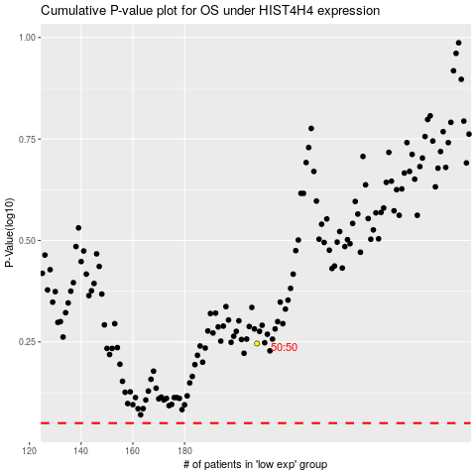

 |  |  |  |  |  | cases_OS | p_OS | rank | exp
 |  |  |  |  |  |  | cases_RFS | p_RFS | rank | exp

