HIVEP2 _multivariate
Reported by Tex Li-Hsing Chi. tex@gate.sinica.edu.tw 2019-08-19

Table 2. The clinicopathological features of HNSCC cohort and HIVEP2 expression. (Chi square test)
Cutoff at -0.067 (50.0%)
 |  | HIVEP2 expression |  | HIVEP2 expression |  | (Optimised)
 | Features | Low | (%) | High | (%) | Case no | P-value | Remark | Matthews
Gender | Female | 155 | 37.3 | 151 | 36.4 | 415 | 0.6768 | 0 | 0
2 | Male | 52 | 12.5 | 57 | 13.7
Age at diagnosis | <=65y | 141 | 34 | 133 | 32 | 415 | 0.4272 | 0 | 0
4 | >65y | 66 | 15.9 | 75 | 18.1
Clinical T Status | T1+T2 | 87 | 21 | 62 | 14.9 | 415 | 0.0127 | 1 | 0
6 | T3+T4 | 120 | 28.9 | 146 | 35.2
Clinical N Status | N0 | 108 | 26 | 108 | 26 | 415 | 1 | 0 | 0
8 | N1-3 | 99 | 23.9 | 100 | 24.1
Clinical M Status | M0 | 204 | 49.2 | 208 | 50.1 | 415 | 0.1232 | 0 | 0
10 | M1 | 3 | 0.7 | 0 | 0
Clinical Stage | Stage I+II | 60 | 14.5 | 42 | 10.1 | 415 | 0.0493 | 1 | 0
12 | Stage III+IV | 147 | 35.4 | 166 | 40
Surgical Margin status | Negative | 151 | 36.4 | 167 | 40.2 | 415 | 0.0828 | 0 | 0
14 | Positive | 56 | 13.5 | 41 | 9.9
Tobacco Exposure | Low | 79 | 19 | 82 | 19.8 | 415 | 0.8405 | 0 | 0
16 | High | 128 | 30.8 | 126 | 30.4

Table 3. Univariate/Multivariate Cox's proportional hazards regression analyses on OS time of HIVEP2 gene expression in HNSCC

 |  | Univariate |  |  |  | Multivariate
 | Features | HR | CI95%(L) | CI95%(H) | P-value | HR | CI95%(L) | CI95%(H) | P-value
1 | Female | 1 |  |  |  | 1
Gender | Male | 1.157 | 0.843 | 1.587 | 0.367 | 1.201 | 0.86 | 1.677 | 0.282
11 | <=65y | 1 |  |  |  | 1
Age at diagnosis | >65y | 1.329 | 0.99 | 1.784 | 0.058 | 1.389 | 1.021 | 1.888 | 0.036
12 | T1+T2 | 1 |  |  |  | 1
Clinical T Status | T3+T4 | 1.409 | 1.028 | 1.931 | 0.033 | 2.199 | 1.163 | 4.157 | 0.015
13 | N0 | 1 |  |  |  | 1
Clinical N Status | N1-3 | 1.185 | 0.89 | 1.577 | 0.246 | 1.245 | 0.872 | 1.777 | 0.227
14 | M0 | 1 |  |  |  | 1
Clinical M Status | M1 | 4.097 | 1.009 | 16.644 | 0.049 | 9.668 | 2.094 | 44.633 | 0.004
15 | Stage I+II | 1 |  |  |  | 1
Clinical Stage | Stage III+IV | 1.245 | 0.882 | 1.759 | 0.213 | 0.501 | 0.233 | 1.076 | 0.076
16 | Negative | 1 |  |  |  | 1
Surgical Margin status | Positive | 1.591 | 1.155 | 2.191 | 0.004 | 1.683 | 1.215 | 2.33 | 0.002
17 | Low | 1 |  |  |  | 1
Tobacco Exposure | High | 1.364 | 1.008 | 1.844 | 0.044 | 1.458 | 1.058 | 2.009 | 0.021
18 | Low | 1 |  |  |  | 1
RNAseq(z-score) | High | 0.999 | 0.75 | 1.332 | 0.997 | 1.057 | 0.787 | 1.419 | 0.713

Table 4. Univariate/Multivariate Cox's proportional hazards regression analyses on RFS time of HIVEP2 gene expression in HNSCC

 |  | Univariate |  |  |  | Multivariate
 | Features | HR | CI95%(L) | CI95%(H) | P-value | HR | CI95%(L) | CI95%(H) | P-value
1 | Female | 1 |  |  |  | 1
Gender | Male | 1.157 | 0.843 | 1.587 | 0.367 | 1.201 | 0.86 | 1.677 | 0.282
11 | <=65y | 1 |  |  |  | 1
Age at diagnosis | >65y | 1.329 | 0.99 | 1.784 | 0.058 | 1.389 | 1.021 | 1.888 | 0.036
12 | T1+T2 | 1 |  |  |  | 1
Clinical T Status | T3+T4 | 1.409 | 1.028 | 1.931 | 0.033 | 2.199 | 1.163 | 4.157 | 0.015
13 | N0 | 1 |  |  |  | 1
Clinical N Status | N1-3 | 1.185 | 0.89 | 1.577 | 0.246 | 1.245 | 0.872 | 1.777 | 0.227
14 | M0 | 1 |  |  |  | 1
Clinical M Status | M1 | 4.097 | 1.009 | 16.644 | 0.049 | 9.668 | 2.094 | 44.633 | 0.004
15 | Stage I+II | 1 |  |  |  | 1
Clinical Stage | Stage III+IV | 1.245 | 0.882 | 1.759 | 0.213 | 0.501 | 0.233 | 1.076 | 0.076
16 | Negative | 1 |  |  |  | 1
Surgical Margin status | Positive | 1.591 | 1.155 | 2.191 | 0.004 | 1.683 | 1.215 | 2.33 | 0.002
17 | Low | 1 |  |  |  | 1
Tobacco Exposure | High | 1.364 | 1.008 | 1.844 | 0.044 | 1.458 | 1.058 | 2.009 | 0.021
18 | Low | 1 |  |  |  | 1
RNAseq(z-score) | High | 0.999 | 0.75 | 1.332 | 0.997 | 1.057 | 0.787 | 1.419 | 0.713

Kaplan-Meier survival estimate: Cutoff at -0.067 (50.0%)



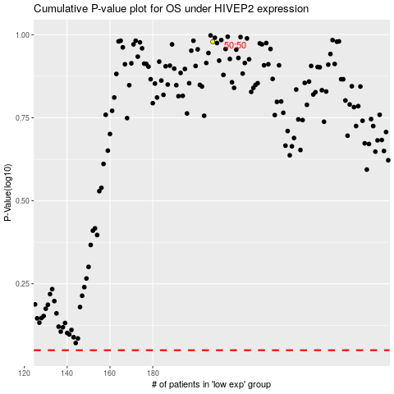

 |  |  |  |  |  | cases_OS | p_OS | rank | exp
 |  |  |  |  |  |  | cases_RFS | p_RFS | rank | exp

