HIVEP3 _multivariate
Reported by Tex Li-Hsing Chi. tex@gate.sinica.edu.tw 2019-08-19

Table 2. The clinicopathological features of HNSCC cohort and HIVEP3 expression. (Chi square test)
Cutoff at -0.204 (49.8%)
 |  | HIVEP3 expression |  | HIVEP3 expression |  | (Optimised)
 | Features | Low | (%) | High | (%) | Case no | P-value | Remark | Matthews
Gender | Female | 154 | 37.1 | 152 | 36.6 | 415 | 0.8463 | 0 | 0
2 | Male | 53 | 12.8 | 56 | 13.5
Age at diagnosis | <=65y | 132 | 31.8 | 142 | 34.2 | 415 | 0.3874 | 0 | 0
4 | >65y | 75 | 18.1 | 66 | 15.9
Clinical T Status | T1+T2 | 62 | 14.9 | 87 | 21 | 415 | 0.0156 | 1 | 0
6 | T3+T4 | 145 | 34.9 | 121 | 29.2
Clinical N Status | N0 | 111 | 26.7 | 105 | 25.3 | 415 | 0.5875 | 0 | 0
8 | N1-3 | 96 | 23.1 | 103 | 24.8
Clinical M Status | M0 | 207 | 49.9 | 205 | 49.4 | 415 | 0.2482 | 0 | 0
10 | M1 | 0 | 0 | 3 | 0.7
Clinical Stage | Stage I+II | 40 | 9.6 | 62 | 14.9 | 415 | 0.018 | 1 | 0
12 | Stage III+IV | 167 | 40.2 | 146 | 35.2
Surgical Margin status | Negative | 153 | 36.9 | 165 | 39.8 | 415 | 0.2036 | 0 | 0
14 | Positive | 54 | 13 | 43 | 10.4
Tobacco Exposure | Low | 69 | 16.6 | 92 | 22.2 | 415 | 0.0266 | 1 | 0
16 | High | 138 | 33.3 | 116 | 28

Table 3. Univariate/Multivariate Cox's proportional hazards regression analyses on OS time of HIVEP3 gene expression in HNSCC

 |  | Univariate |  |  |  | Multivariate
 | Features | HR | CI95%(L) | CI95%(H) | P-value | HR | CI95%(L) | CI95%(H) | P-value
1 | Female | 1 |  |  |  | 1
Gender | Male | 1.157 | 0.843 | 1.587 | 0.367 | 1.195 | 0.855 | 1.671 | 0.297
11 | <=65y | 1 |  |  |  | 1
Age at diagnosis | >65y | 1.329 | 0.99 | 1.784 | 0.058 | 1.388 | 1.021 | 1.887 | 0.036
12 | T1+T2 | 1 |  |  |  | 1
Clinical T Status | T3+T4 | 1.409 | 1.028 | 1.931 | 0.033 | 2.219 | 1.173 | 4.198 | 0.014
13 | N0 | 1 |  |  |  | 1
Clinical N Status | N1-3 | 1.185 | 0.89 | 1.577 | 0.246 | 1.26 | 0.879 | 1.806 | 0.208
14 | M0 | 1 |  |  |  | 1
Clinical M Status | M1 | 4.097 | 1.009 | 16.644 | 0.049 | 9.805 | 2.122 | 45.296 | 0.003
15 | Stage I+II | 1 |  |  |  | 1
Clinical Stage | Stage III+IV | 1.245 | 0.882 | 1.759 | 0.213 | 0.492 | 0.228 | 1.061 | 0.071
16 | Negative | 1 |  |  |  | 1
Surgical Margin status | Positive | 1.591 | 1.155 | 2.191 | 0.004 | 1.666 | 1.205 | 2.302 | 0.002
17 | Low | 1 |  |  |  | 1
Tobacco Exposure | High | 1.364 | 1.008 | 1.844 | 0.044 | 1.43 | 1.032 | 1.98 | 0.031
18 | Low | 1 |  |  |  | 1
RNAseq(z-score) | High | 0.87 | 0.653 | 1.159 | 0.342 | 0.921 | 0.684 | 1.241 | 0.589

Table 4. Univariate/Multivariate Cox's proportional hazards regression analyses on RFS time of HIVEP3 gene expression in HNSCC

 |  | Univariate |  |  |  | Multivariate
 | Features | HR | CI95%(L) | CI95%(H) | P-value | HR | CI95%(L) | CI95%(H) | P-value
1 | Female | 1 |  |  |  | 1
Gender | Male | 1.157 | 0.843 | 1.587 | 0.367 | 1.195 | 0.855 | 1.671 | 0.297
11 | <=65y | 1 |  |  |  | 1
Age at diagnosis | >65y | 1.329 | 0.99 | 1.784 | 0.058 | 1.388 | 1.021 | 1.887 | 0.036
12 | T1+T2 | 1 |  |  |  | 1
Clinical T Status | T3+T4 | 1.409 | 1.028 | 1.931 | 0.033 | 2.219 | 1.173 | 4.198 | 0.014
13 | N0 | 1 |  |  |  | 1
Clinical N Status | N1-3 | 1.185 | 0.89 | 1.577 | 0.246 | 1.26 | 0.879 | 1.806 | 0.208
14 | M0 | 1 |  |  |  | 1
Clinical M Status | M1 | 4.097 | 1.009 | 16.644 | 0.049 | 9.805 | 2.122 | 45.296 | 0.003
15 | Stage I+II | 1 |  |  |  | 1
Clinical Stage | Stage III+IV | 1.245 | 0.882 | 1.759 | 0.213 | 0.492 | 0.228 | 1.061 | 0.071
16 | Negative | 1 |  |  |  | 1
Surgical Margin status | Positive | 1.591 | 1.155 | 2.191 | 0.004 | 1.666 | 1.205 | 2.302 | 0.002
17 | Low | 1 |  |  |  | 1
Tobacco Exposure | High | 1.364 | 1.008 | 1.844 | 0.044 | 1.43 | 1.032 | 1.98 | 0.031
18 | Low | 1 |  |  |  | 1
RNAseq(z-score) | High | 0.87 | 0.653 | 1.159 | 0.342 | 0.921 | 0.684 | 1.241 | 0.589

Kaplan-Meier survival estimate: Cutoff at -0.204 (49.8%)



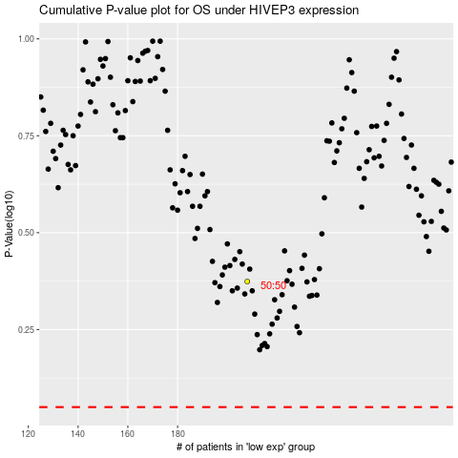

 |  |  |  |  |  | cases_OS | p_OS | rank | exp
 |  |  |  |  |  |  | cases_RFS | p_RFS | rank | exp

