HJURP _multivariate
Reported by Tex Li-Hsing Chi. tex@gate.sinica.edu.tw 2019-08-19

Table 2. The clinicopathological features of HNSCC cohort and HJURP expression. (Chi square test)
Cutoff at -0.162 (49.8%)
 |  | HJURP expression |  | HJURP expression |  | (Optimised)
 | Features | Low | (%) | High | (%) | Case no | P-value | Remark | Matthews
Gender | Female | 144 | 34.7 | 162 | 39 | 415 | 0.0697 | 0 | 0
2 | Male | 63 | 15.2 | 46 | 11.1
Age at diagnosis | <=65y | 134 | 32.3 | 140 | 33.7 | 415 | 0.6529 | 0 | 0
4 | >65y | 73 | 17.6 | 68 | 16.4
Clinical T Status | T1+T2 | 64 | 15.4 | 85 | 20.5 | 415 | 0.0445 | 1 | 0
6 | T3+T4 | 143 | 34.5 | 123 | 29.6
Clinical N Status | N0 | 115 | 27.7 | 101 | 24.3 | 415 | 0.184 | 1 | 0
8 | N1-3 | 92 | 22.2 | 107 | 25.8
Clinical M Status | M0 | 207 | 49.9 | 205 | 49.4 | 415 | 0.2482 | 0 | 0
10 | M1 | 0 | 0 | 3 | 0.7
Clinical Stage | Stage I+II | 47 | 11.3 | 55 | 13.3 | 415 | 0.4413 | 0 | 0
12 | Stage III+IV | 160 | 38.6 | 153 | 36.9
Surgical Margin status | Negative | 163 | 39.3 | 155 | 37.3 | 415 | 0.3537 | 0 | 0
14 | Positive | 44 | 10.6 | 53 | 12.8
Tobacco Exposure | Low | 87 | 21 | 74 | 17.8 | 415 | 0.1911 | 0 | 0
16 | High | 120 | 28.9 | 134 | 32.3

Table 3. Univariate/Multivariate Cox's proportional hazards regression analyses on OS time of HJURP gene expression in HNSCC

 |  | Univariate |  |  |  | Multivariate
 | Features | HR | CI95%(L) | CI95%(H) | P-value | HR | CI95%(L) | CI95%(H) | P-value
1 | Female | 1 |  |  |  | 1
Gender | Male | 1.157 | 0.843 | 1.587 | 0.367 | 1.216 | 0.868 | 1.702 | 0.256
11 | <=65y | 1 |  |  |  | 1
Age at diagnosis | >65y | 1.329 | 0.99 | 1.784 | 0.058 | 1.391 | 1.023 | 1.891 | 0.035
12 | T1+T2 | 1 |  |  |  | 1
Clinical T Status | T3+T4 | 1.409 | 1.028 | 1.931 | 0.033 | 2.217 | 1.173 | 4.192 | 0.014
13 | N0 | 1 |  |  |  | 1
Clinical N Status | N1-3 | 1.185 | 0.89 | 1.577 | 0.246 | 1.236 | 0.866 | 1.765 | 0.242
14 | M0 | 1 |  |  |  | 1
Clinical M Status | M1 | 4.097 | 1.009 | 16.644 | 0.049 | 9.035 | 1.962 | 41.607 | 0.005
15 | Stage I+II | 1 |  |  |  | 1
Clinical Stage | Stage III+IV | 1.245 | 0.882 | 1.759 | 0.213 | 0.506 | 0.236 | 1.087 | 0.081
16 | Negative | 1 |  |  |  | 1
Surgical Margin status | Positive | 1.591 | 1.155 | 2.191 | 0.004 | 1.646 | 1.187 | 2.281 | 0.003
17 | Low | 1 |  |  |  | 1
Tobacco Exposure | High | 1.364 | 1.008 | 1.844 | 0.044 | 1.449 | 1.051 | 1.997 | 0.024
18 | Low | 1 |  |  |  | 1
RNAseq(z-score) | High | 1.134 | 0.852 | 1.51 | 0.389 | 1.101 | 0.82 | 1.478 | 0.522

Table 4. Univariate/Multivariate Cox's proportional hazards regression analyses on RFS time of HJURP gene expression in HNSCC

 |  | Univariate |  |  |  | Multivariate
 | Features | HR | CI95%(L) | CI95%(H) | P-value | HR | CI95%(L) | CI95%(H) | P-value
1 | Female | 1 |  |  |  | 1
Gender | Male | 1.157 | 0.843 | 1.587 | 0.367 | 1.216 | 0.868 | 1.702 | 0.256
11 | <=65y | 1 |  |  |  | 1
Age at diagnosis | >65y | 1.329 | 0.99 | 1.784 | 0.058 | 1.391 | 1.023 | 1.891 | 0.035
12 | T1+T2 | 1 |  |  |  | 1
Clinical T Status | T3+T4 | 1.409 | 1.028 | 1.931 | 0.033 | 2.217 | 1.173 | 4.192 | 0.014
13 | N0 | 1 |  |  |  | 1
Clinical N Status | N1-3 | 1.185 | 0.89 | 1.577 | 0.246 | 1.236 | 0.866 | 1.765 | 0.242
14 | M0 | 1 |  |  |  | 1
Clinical M Status | M1 | 4.097 | 1.009 | 16.644 | 0.049 | 9.035 | 1.962 | 41.607 | 0.005
15 | Stage I+II | 1 |  |  |  | 1
Clinical Stage | Stage III+IV | 1.245 | 0.882 | 1.759 | 0.213 | 0.506 | 0.236 | 1.087 | 0.081
16 | Negative | 1 |  |  |  | 1
Surgical Margin status | Positive | 1.591 | 1.155 | 2.191 | 0.004 | 1.646 | 1.187 | 2.281 | 0.003
17 | Low | 1 |  |  |  | 1
Tobacco Exposure | High | 1.364 | 1.008 | 1.844 | 0.044 | 1.449 | 1.051 | 1.997 | 0.024
18 | Low | 1 |  |  |  | 1
RNAseq(z-score) | High | 1.134 | 0.852 | 1.51 | 0.389 | 1.101 | 0.82 | 1.478 | 0.522

Kaplan-Meier survival estimate: Cutoff at -0.162 (49.8%)



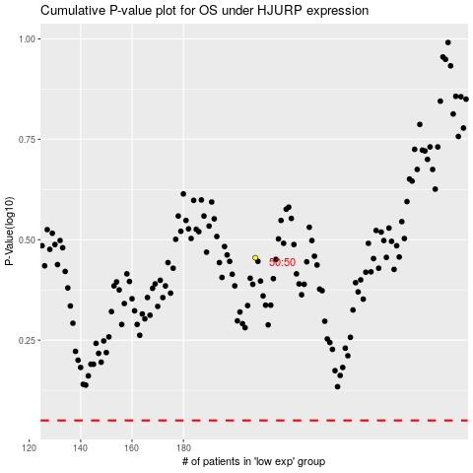

 |  |  |  |  |  | cases_OS | p_OS | rank | exp
 |  |  |  |  |  |  | cases_RFS | p_RFS | rank | exp

