HK2 _multivariate
Reported by Tex Li-Hsing Chi. tex@gate.sinica.edu.tw 2019-08-19

Table 2. The clinicopathological features of HNSCC cohort and HK2 expression. (Chi square test)
Cutoff at -0.226 (49.8%)
 |  | HK2 expression |  | HK2 expression |  | (Optimised)
 | Features | Low | (%) | High | (%) | Case no | P-value | Remark | Matthews
Gender | Female | 153 | 36.9 | 153 | 36.9 | 415 | 1 | 0 | 0
2 | Male | 54 | 13 | 55 | 13.3
Age at diagnosis | <=65y | 142 | 34.2 | 132 | 31.8 | 415 | 0.3167 | 0 | 0
4 | >65y | 65 | 15.7 | 76 | 18.3
Clinical T Status | T1+T2 | 88 | 21.2 | 61 | 14.7 | 415 | 0.007 | 1 | 0
6 | T3+T4 | 119 | 28.7 | 147 | 35.4
Clinical N Status | N0 | 105 | 25.3 | 111 | 26.7 | 415 | 0.6598 | 0 | 0
8 | N1-3 | 102 | 24.6 | 97 | 23.4
Clinical M Status | M0 | 207 | 49.9 | 205 | 49.4 | 415 | 0.2482 | 0 | 0
10 | M1 | 0 | 0 | 3 | 0.7
Clinical Stage | Stage I+II | 61 | 14.7 | 41 | 9.9 | 415 | 0.0282 | 1 | 0
12 | Stage III+IV | 146 | 35.2 | 167 | 40.2
Surgical Margin status | Negative | 151 | 36.4 | 167 | 40.2 | 415 | 0.0828 | 0 | 0
14 | Positive | 56 | 13.5 | 41 | 9.9
Tobacco Exposure | Low | 85 | 20.5 | 76 | 18.3 | 415 | 0.3655 | 0 | 0
16 | High | 122 | 29.4 | 132 | 31.8

Table 3. Univariate/Multivariate Cox's proportional hazards regression analyses on OS time of HK2 gene expression in HNSCC

 |  | Univariate |  |  |  | Multivariate
 | Features | HR | CI95%(L) | CI95%(H) | P-value | HR | CI95%(L) | CI95%(H) | P-value
1 | Female | 1 |  |  |  | 1
Gender | Male | 1.157 | 0.843 | 1.587 | 0.367 | 1.198 | 0.858 | 1.674 | 0.288
11 | <=65y | 1 |  |  |  | 1
Age at diagnosis | >65y | 1.329 | 0.99 | 1.784 | 0.058 | 1.393 | 1.025 | 1.894 | 0.034
12 | T1+T2 | 1 |  |  |  | 1
Clinical T Status | T3+T4 | 1.409 | 1.028 | 1.931 | 0.033 | 2.197 | 1.162 | 4.153 | 0.015
13 | N0 | 1 |  |  |  | 1
Clinical N Status | N1-3 | 1.185 | 0.89 | 1.577 | 0.246 | 1.249 | 0.874 | 1.784 | 0.222
14 | M0 | 1 |  |  |  | 1
Clinical M Status | M1 | 4.097 | 1.009 | 16.644 | 0.049 | 9.109 | 1.972 | 42.08 | 0.005
15 | Stage I+II | 1 |  |  |  | 1
Clinical Stage | Stage III+IV | 1.245 | 0.882 | 1.759 | 0.213 | 0.5 | 0.232 | 1.074 | 0.076
16 | Negative | 1 |  |  |  | 1
Surgical Margin status | Positive | 1.591 | 1.155 | 2.191 | 0.004 | 1.688 | 1.217 | 2.34 | 0.002
17 | Low | 1 |  |  |  | 1
Tobacco Exposure | High | 1.364 | 1.008 | 1.844 | 0.044 | 1.452 | 1.054 | 2 | 0.023
18 | Low | 1 |  |  |  | 1
RNAseq(z-score) | High | 1.044 | 0.784 | 1.391 | 0.768 | 1.063 | 0.791 | 1.428 | 0.686

Table 4. Univariate/Multivariate Cox's proportional hazards regression analyses on RFS time of HK2 gene expression in HNSCC

 |  | Univariate |  |  |  | Multivariate
 | Features | HR | CI95%(L) | CI95%(H) | P-value | HR | CI95%(L) | CI95%(H) | P-value
1 | Female | 1 |  |  |  | 1
Gender | Male | 1.157 | 0.843 | 1.587 | 0.367 | 1.198 | 0.858 | 1.674 | 0.288
11 | <=65y | 1 |  |  |  | 1
Age at diagnosis | >65y | 1.329 | 0.99 | 1.784 | 0.058 | 1.393 | 1.025 | 1.894 | 0.034
12 | T1+T2 | 1 |  |  |  | 1
Clinical T Status | T3+T4 | 1.409 | 1.028 | 1.931 | 0.033 | 2.197 | 1.162 | 4.153 | 0.015
13 | N0 | 1 |  |  |  | 1
Clinical N Status | N1-3 | 1.185 | 0.89 | 1.577 | 0.246 | 1.249 | 0.874 | 1.784 | 0.222
14 | M0 | 1 |  |  |  | 1
Clinical M Status | M1 | 4.097 | 1.009 | 16.644 | 0.049 | 9.109 | 1.972 | 42.08 | 0.005
15 | Stage I+II | 1 |  |  |  | 1
Clinical Stage | Stage III+IV | 1.245 | 0.882 | 1.759 | 0.213 | 0.5 | 0.232 | 1.074 | 0.076
16 | Negative | 1 |  |  |  | 1
Surgical Margin status | Positive | 1.591 | 1.155 | 2.191 | 0.004 | 1.688 | 1.217 | 2.34 | 0.002
17 | Low | 1 |  |  |  | 1
Tobacco Exposure | High | 1.364 | 1.008 | 1.844 | 0.044 | 1.452 | 1.054 | 2 | 0.023
18 | Low | 1 |  |  |  | 1
RNAseq(z-score) | High | 1.044 | 0.784 | 1.391 | 0.768 | 1.063 | 0.791 | 1.428 | 0.686

Kaplan-Meier survival estimate: Cutoff at -0.226 (49.8%)



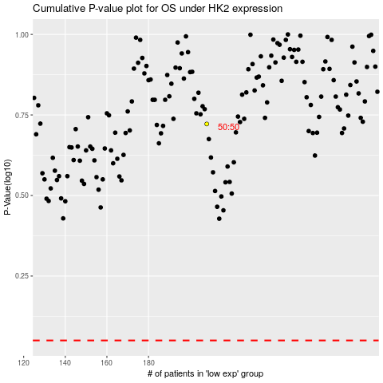

 |  |  |  |  |  | cases_OS | p_OS | rank | exp
 |  |  |  |  |  |  | cases_RFS | p_RFS | rank | exp

