HK3 _multivariate
Reported by Tex Li-Hsing Chi. tex@gate.sinica.edu.tw 2019-08-19

Table 2. The clinicopathological features of HNSCC cohort and HK3 expression. (Chi square test)
Cutoff at -0.259 (49.8%)
 |  | HK3 expression |  | HK3 expression |  | (Optimised)
 | Features | Low | (%) | High | (%) | Case no | P-value | Remark | Matthews
Gender | Female | 161 | 38.8 | 145 | 34.9 | 415 | 0.0792 | 0 | 0
2 | Male | 46 | 11.1 | 63 | 15.2
Age at diagnosis | <=65y | 151 | 36.4 | 123 | 29.6 | 415 | 0.0041 | 1 | 0
4 | >65y | 56 | 13.5 | 85 | 20.5
Clinical T Status | T1+T2 | 79 | 19 | 70 | 16.9 | 415 | 0.3924 | 0 | 0
6 | T3+T4 | 128 | 30.8 | 138 | 33.3
Clinical N Status | N0 | 120 | 28.9 | 96 | 23.1 | 415 | 0.0208 | 1 | 0
8 | N1-3 | 87 | 21 | 112 | 27
Clinical M Status | M0 | 206 | 49.6 | 206 | 49.6 | 415 | 1 | 0 | 0
10 | M1 | 1 | 0.2 | 2 | 0.5
Clinical Stage | Stage I+II | 57 | 13.7 | 45 | 10.8 | 415 | 0.1998 | 0 | 0
12 | Stage III+IV | 150 | 36.1 | 163 | 39.3
Surgical Margin status | Negative | 156 | 37.6 | 162 | 39 | 415 | 0.5636 | 0 | 0
14 | Positive | 51 | 12.3 | 46 | 11.1
Tobacco Exposure | Low | 75 | 18.1 | 86 | 20.7 | 415 | 0.3141 | 0 | 0
16 | High | 132 | 31.8 | 122 | 29.4

Table 3. Univariate/Multivariate Cox's proportional hazards regression analyses on OS time of HK3 gene expression in HNSCC

 |  | Univariate |  |  |  | Multivariate
 | Features | HR | CI95%(L) | CI95%(H) | P-value | HR | CI95%(L) | CI95%(H) | P-value
1 | Female | 1 |  |  |  | 1
Gender | Male | 1.157 | 0.843 | 1.587 | 0.367 | 1.208 | 0.864 | 1.689 | 0.269
11 | <=65y | 1 |  |  |  | 1
Age at diagnosis | >65y | 1.329 | 0.99 | 1.784 | 0.058 | 1.405 | 1.031 | 1.913 | 0.031
12 | T1+T2 | 1 |  |  |  | 1
Clinical T Status | T3+T4 | 1.409 | 1.028 | 1.931 | 0.033 | 2.228 | 1.176 | 4.221 | 0.014
13 | N0 | 1 |  |  |  | 1
Clinical N Status | N1-3 | 1.185 | 0.89 | 1.577 | 0.246 | 1.258 | 0.878 | 1.803 | 0.21
14 | M0 | 1 |  |  |  | 1
Clinical M Status | M1 | 4.097 | 1.009 | 16.644 | 0.049 | 9.529 | 2.077 | 43.727 | 0.004
15 | Stage I+II | 1 |  |  |  | 1
Clinical Stage | Stage III+IV | 1.245 | 0.882 | 1.759 | 0.213 | 0.498 | 0.232 | 1.071 | 0.074
16 | Negative | 1 |  |  |  | 1
Surgical Margin status | Positive | 1.591 | 1.155 | 2.191 | 0.004 | 1.673 | 1.211 | 2.313 | 0.002
17 | Low | 1 |  |  |  | 1
Tobacco Exposure | High | 1.364 | 1.008 | 1.844 | 0.044 | 1.45 | 1.052 | 1.999 | 0.023
18 | Low | 1 |  |  |  | 1
RNAseq(z-score) | High | 1.011 | 0.758 | 1.347 | 0.943 | 0.927 | 0.691 | 1.244 | 0.614

Table 4. Univariate/Multivariate Cox's proportional hazards regression analyses on RFS time of HK3 gene expression in HNSCC

 |  | Univariate |  |  |  | Multivariate
 | Features | HR | CI95%(L) | CI95%(H) | P-value | HR | CI95%(L) | CI95%(H) | P-value
1 | Female | 1 |  |  |  | 1
Gender | Male | 1.157 | 0.843 | 1.587 | 0.367 | 1.208 | 0.864 | 1.689 | 0.269
11 | <=65y | 1 |  |  |  | 1
Age at diagnosis | >65y | 1.329 | 0.99 | 1.784 | 0.058 | 1.405 | 1.031 | 1.913 | 0.031
12 | T1+T2 | 1 |  |  |  | 1
Clinical T Status | T3+T4 | 1.409 | 1.028 | 1.931 | 0.033 | 2.228 | 1.176 | 4.221 | 0.014
13 | N0 | 1 |  |  |  | 1
Clinical N Status | N1-3 | 1.185 | 0.89 | 1.577 | 0.246 | 1.258 | 0.878 | 1.803 | 0.21
14 | M0 | 1 |  |  |  | 1
Clinical M Status | M1 | 4.097 | 1.009 | 16.644 | 0.049 | 9.529 | 2.077 | 43.727 | 0.004
15 | Stage I+II | 1 |  |  |  | 1
Clinical Stage | Stage III+IV | 1.245 | 0.882 | 1.759 | 0.213 | 0.498 | 0.232 | 1.071 | 0.074
16 | Negative | 1 |  |  |  | 1
Surgical Margin status | Positive | 1.591 | 1.155 | 2.191 | 0.004 | 1.673 | 1.211 | 2.313 | 0.002
17 | Low | 1 |  |  |  | 1
Tobacco Exposure | High | 1.364 | 1.008 | 1.844 | 0.044 | 1.45 | 1.052 | 1.999 | 0.023
18 | Low | 1 |  |  |  | 1
RNAseq(z-score) | High | 1.011 | 0.758 | 1.347 | 0.943 | 0.927 | 0.691 | 1.244 | 0.614

Kaplan-Meier survival estimate: Cutoff at -0.259 (49.8%)

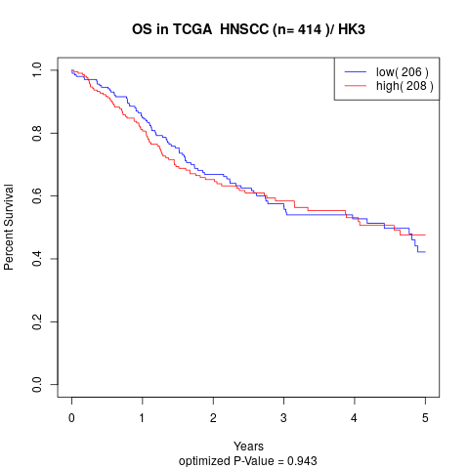

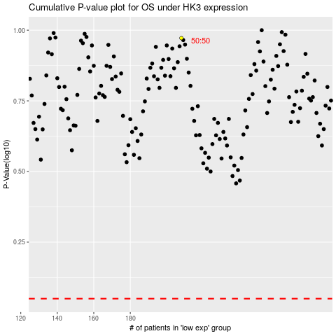

 |  |  |  |  |  | cases_OS | p_OS | rank | exp
 |  |  |  |  |  |  | cases_RFS | p_RFS | rank | exp

