HKDC1 _multivariate
Reported by Tex Li-Hsing Chi. tex@gate.sinica.edu.tw 2019-08-19

Table 2. The clinicopathological features of HNSCC cohort and HKDC1 expression. (Chi square test)
Cutoff at -0.354 (50.0%)
 |  | HKDC1 expression |  | HKDC1 expression |  | (Optimised)
 | Features | Low | (%) | High | (%) | Case no | P-value | Remark | Matthews
Gender | Female | 153 | 36.9 | 153 | 36.9 | 415 | 1 | 0 | 0
2 | Male | 54 | 13 | 55 | 13.3
Age at diagnosis | <=65y | 131 | 31.6 | 143 | 34.5 | 415 | 0.2839 | 0 | 0
4 | >65y | 76 | 18.3 | 65 | 15.7
Clinical T Status | T1+T2 | 85 | 20.5 | 64 | 15.4 | 415 | 0.0372 | 1 | 0
6 | T3+T4 | 122 | 29.4 | 144 | 34.7
Clinical N Status | N0 | 106 | 25.5 | 110 | 26.5 | 415 | 0.8075 | 0 | 0
8 | N1-3 | 101 | 24.3 | 98 | 23.6
Clinical M Status | M0 | 207 | 49.9 | 205 | 49.4 | 415 | 0.2482 | 0 | 0
10 | M1 | 0 | 0 | 3 | 0.7
Clinical Stage | Stage I+II | 55 | 13.3 | 47 | 11.3 | 415 | 0.4087 | 0 | 0
12 | Stage III+IV | 152 | 36.6 | 161 | 38.8
Surgical Margin status | Negative | 156 | 37.6 | 162 | 39 | 415 | 0.5636 | 0 | 0
14 | Positive | 51 | 12.3 | 46 | 11.1
Tobacco Exposure | Low | 88 | 21.2 | 73 | 17.6 | 415 | 0.1314 | 0 | 0
16 | High | 119 | 28.7 | 135 | 32.5

Table 3. Univariate/Multivariate Cox's proportional hazards regression analyses on OS time of HKDC1 gene expression in HNSCC

 |  | Univariate |  |  |  | Multivariate
 | Features | HR | CI95%(L) | CI95%(H) | P-value | HR | CI95%(L) | CI95%(H) | P-value
1 | Female | 1 |  |  |  | 1
Gender | Male | 1.157 | 0.843 | 1.587 | 0.367 | 1.205 | 0.862 | 1.684 | 0.274
11 | <=65y | 1 |  |  |  | 1
Age at diagnosis | >65y | 1.329 | 0.99 | 1.784 | 0.058 | 1.387 | 1.02 | 1.886 | 0.037
12 | T1+T2 | 1 |  |  |  | 1
Clinical T Status | T3+T4 | 1.409 | 1.028 | 1.931 | 0.033 | 2.225 | 1.174 | 4.216 | 0.014
13 | N0 | 1 |  |  |  | 1
Clinical N Status | N1-3 | 1.185 | 0.89 | 1.577 | 0.246 | 1.238 | 0.867 | 1.766 | 0.24
14 | M0 | 1 |  |  |  | 1
Clinical M Status | M1 | 4.097 | 1.009 | 16.644 | 0.049 | 9.81 | 2.112 | 45.559 | 0.004
15 | Stage I+II | 1 |  |  |  | 1
Clinical Stage | Stage III+IV | 1.245 | 0.882 | 1.759 | 0.213 | 0.501 | 0.233 | 1.076 | 0.076
16 | Negative | 1 |  |  |  | 1
Surgical Margin status | Positive | 1.591 | 1.155 | 2.191 | 0.004 | 1.67 | 1.209 | 2.307 | 0.002
17 | Low | 1 |  |  |  | 1
Tobacco Exposure | High | 1.364 | 1.008 | 1.844 | 0.044 | 1.464 | 1.06 | 2.021 | 0.021
18 | Low | 1 |  |  |  | 1
RNAseq(z-score) | High | 0.994 | 0.747 | 1.323 | 0.967 | 0.94 | 0.702 | 1.259 | 0.678

Table 4. Univariate/Multivariate Cox's proportional hazards regression analyses on RFS time of HKDC1 gene expression in HNSCC

 |  | Univariate |  |  |  | Multivariate
 | Features | HR | CI95%(L) | CI95%(H) | P-value | HR | CI95%(L) | CI95%(H) | P-value
1 | Female | 1 |  |  |  | 1
Gender | Male | 1.157 | 0.843 | 1.587 | 0.367 | 1.205 | 0.862 | 1.684 | 0.274
11 | <=65y | 1 |  |  |  | 1
Age at diagnosis | >65y | 1.329 | 0.99 | 1.784 | 0.058 | 1.387 | 1.02 | 1.886 | 0.037
12 | T1+T2 | 1 |  |  |  | 1
Clinical T Status | T3+T4 | 1.409 | 1.028 | 1.931 | 0.033 | 2.225 | 1.174 | 4.216 | 0.014
13 | N0 | 1 |  |  |  | 1
Clinical N Status | N1-3 | 1.185 | 0.89 | 1.577 | 0.246 | 1.238 | 0.867 | 1.766 | 0.24
14 | M0 | 1 |  |  |  | 1
Clinical M Status | M1 | 4.097 | 1.009 | 16.644 | 0.049 | 9.81 | 2.112 | 45.559 | 0.004
15 | Stage I+II | 1 |  |  |  | 1
Clinical Stage | Stage III+IV | 1.245 | 0.882 | 1.759 | 0.213 | 0.501 | 0.233 | 1.076 | 0.076
16 | Negative | 1 |  |  |  | 1
Surgical Margin status | Positive | 1.591 | 1.155 | 2.191 | 0.004 | 1.67 | 1.209 | 2.307 | 0.002
17 | Low | 1 |  |  |  | 1
Tobacco Exposure | High | 1.364 | 1.008 | 1.844 | 0.044 | 1.464 | 1.06 | 2.021 | 0.021
18 | Low | 1 |  |  |  | 1
RNAseq(z-score) | High | 0.994 | 0.747 | 1.323 | 0.967 | 0.94 | 0.702 | 1.259 | 0.678

Kaplan-Meier survival estimate: Cutoff at -0.354 (50.0%)



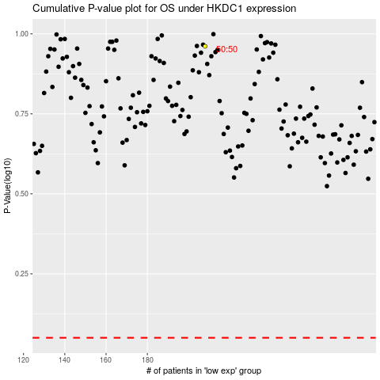

 |  |  |  |  |  | cases_OS | p_OS | rank | exp
 |  |  |  |  |  |  | cases_RFS | p_RFS | rank | exp

