HKR1 _multivariate
Reported by Tex Li-Hsing Chi. tex@gate.sinica.edu.tw 2019-08-19

Table 2. The clinicopathological features of HNSCC cohort and HKR1 expression. (Chi square test)
Cutoff at -0.272 (49.8%)
 |  | HKR1 expression |  | HKR1 expression |  | (Optimised)
 | Features | Low | (%) | High | (%) | Case no | P-value | Remark | Matthews
Gender | Female | 138 | 33.3 | 168 | 40.5 | 415 | 0.0016 | 1 | 0
2 | Male | 69 | 16.6 | 40 | 9.6
Age at diagnosis | <=65y | 130 | 31.3 | 144 | 34.7 | 415 | 0.2009 | 0 | 0
4 | >65y | 77 | 18.6 | 64 | 15.4
Clinical T Status | T1+T2 | 73 | 17.6 | 76 | 18.3 | 415 | 0.8666 | 0 | 0
6 | T3+T4 | 134 | 32.3 | 132 | 31.8
Clinical N Status | N0 | 109 | 26.3 | 107 | 25.8 | 415 | 0.8812 | 0 | 0
8 | N1-3 | 98 | 23.6 | 101 | 24.3
Clinical M Status | M0 | 205 | 49.4 | 207 | 49.9 | 415 | 0.6232 | 0 | 0
10 | M1 | 2 | 0.5 | 1 | 0.2
Clinical Stage | Stage I+II | 56 | 13.5 | 46 | 11.1 | 415 | 0.2918 | 0 | 0
12 | Stage III+IV | 151 | 36.4 | 162 | 39
Surgical Margin status | Negative | 164 | 39.5 | 154 | 37.1 | 415 | 0.2462 | 0 | 0
14 | Positive | 43 | 10.4 | 54 | 13
Tobacco Exposure | Low | 89 | 21.4 | 72 | 17.3 | 415 | 0.0872 | 0 | 0
16 | High | 118 | 28.4 | 136 | 32.8

Table 3. Univariate/Multivariate Cox's proportional hazards regression analyses on OS time of HKR1 gene expression in HNSCC

 |  | Univariate |  |  |  | Multivariate
 | Features | HR | CI95%(L) | CI95%(H) | P-value | HR | CI95%(L) | CI95%(H) | P-value
1 | Female | 1 |  |  |  | 1
Gender | Male | 1.157 | 0.843 | 1.587 | 0.367 | 1.192 | 0.849 | 1.672 | 0.31
11 | <=65y | 1 |  |  |  | 1
Age at diagnosis | >65y | 1.329 | 0.99 | 1.784 | 0.058 | 1.393 | 1.025 | 1.893 | 0.034
12 | T1+T2 | 1 |  |  |  | 1
Clinical T Status | T3+T4 | 1.409 | 1.028 | 1.931 | 0.033 | 2.186 | 1.154 | 4.141 | 0.016
13 | N0 | 1 |  |  |  | 1
Clinical N Status | N1-3 | 1.185 | 0.89 | 1.577 | 0.246 | 1.238 | 0.868 | 1.767 | 0.239
14 | M0 | 1 |  |  |  | 1
Clinical M Status | M1 | 4.097 | 1.009 | 16.644 | 0.049 | 9.205 | 1.995 | 42.478 | 0.004
15 | Stage I+II | 1 |  |  |  | 1
Clinical Stage | Stage III+IV | 1.245 | 0.882 | 1.759 | 0.213 | 0.51 | 0.237 | 1.099 | 0.086
16 | Negative | 1 |  |  |  | 1
Surgical Margin status | Positive | 1.591 | 1.155 | 2.191 | 0.004 | 1.674 | 1.211 | 2.313 | 0.002
17 | Low | 1 |  |  |  | 1
Tobacco Exposure | High | 1.364 | 1.008 | 1.844 | 0.044 | 1.456 | 1.057 | 2.007 | 0.022
18 | Low | 1 |  |  |  | 1
RNAseq(z-score) | High | 0.919 | 0.689 | 1.226 | 0.566 | 0.956 | 0.711 | 1.286 | 0.767

Table 4. Univariate/Multivariate Cox's proportional hazards regression analyses on RFS time of HKR1 gene expression in HNSCC

 |  | Univariate |  |  |  | Multivariate
 | Features | HR | CI95%(L) | CI95%(H) | P-value | HR | CI95%(L) | CI95%(H) | P-value
1 | Female | 1 |  |  |  | 1
Gender | Male | 1.157 | 0.843 | 1.587 | 0.367 | 1.192 | 0.849 | 1.672 | 0.31
11 | <=65y | 1 |  |  |  | 1
Age at diagnosis | >65y | 1.329 | 0.99 | 1.784 | 0.058 | 1.393 | 1.025 | 1.893 | 0.034
12 | T1+T2 | 1 |  |  |  | 1
Clinical T Status | T3+T4 | 1.409 | 1.028 | 1.931 | 0.033 | 2.186 | 1.154 | 4.141 | 0.016
13 | N0 | 1 |  |  |  | 1
Clinical N Status | N1-3 | 1.185 | 0.89 | 1.577 | 0.246 | 1.238 | 0.868 | 1.767 | 0.239
14 | M0 | 1 |  |  |  | 1
Clinical M Status | M1 | 4.097 | 1.009 | 16.644 | 0.049 | 9.205 | 1.995 | 42.478 | 0.004
15 | Stage I+II | 1 |  |  |  | 1
Clinical Stage | Stage III+IV | 1.245 | 0.882 | 1.759 | 0.213 | 0.51 | 0.237 | 1.099 | 0.086
16 | Negative | 1 |  |  |  | 1
Surgical Margin status | Positive | 1.591 | 1.155 | 2.191 | 0.004 | 1.674 | 1.211 | 2.313 | 0.002
17 | Low | 1 |  |  |  | 1
Tobacco Exposure | High | 1.364 | 1.008 | 1.844 | 0.044 | 1.456 | 1.057 | 2.007 | 0.022
18 | Low | 1 |  |  |  | 1
RNAseq(z-score) | High | 0.919 | 0.689 | 1.226 | 0.566 | 0.956 | 0.711 | 1.286 | 0.767

Kaplan-Meier survival estimate: Cutoff at -0.272 (49.8%)



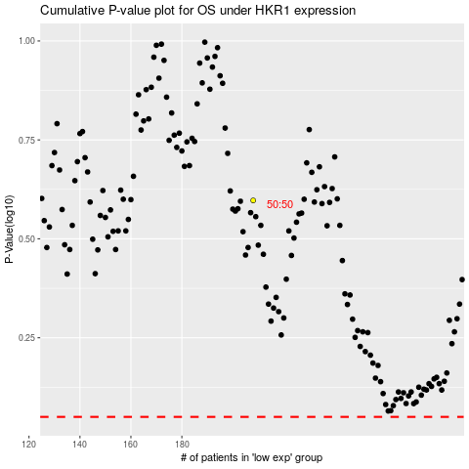

 |  |  |  |  |  | cases_OS | p_OS | rank | exp
 |  |  |  |  |  |  | cases_RFS | p_RFS | rank | exp

