HLTF _multivariate
Reported by Tex Li-Hsing Chi. tex@gate.sinica.edu.tw 2019-08-19

Table 2. The clinicopathological features of HNSCC cohort and HLTF expression. (Chi square test)
Cutoff at -0.422 (39.1%)
 |  | HLTF expression |  | HLTF expression |  | (Optimised)
 | Features | Low | (%) | High | (%) | Case no | P-value | Remark | Matthews
Gender | Female | 105 | 25.3 | 201 | 48.4 | 415 | 8e-04 | 1 | 0
2 | Male | 58 | 14 | 51 | 12.3
Age at diagnosis | <=65y | 99 | 23.9 | 175 | 42.2 | 415 | 0.0849 | 0 | 0
4 | >65y | 64 | 15.4 | 77 | 18.6
Clinical T Status | T1+T2 | 61 | 14.7 | 88 | 21.2 | 415 | 0.6787 | 0 | 0
6 | T3+T4 | 102 | 24.6 | 164 | 39.5
Clinical N Status | N0 | 96 | 23.1 | 120 | 28.9 | 415 | 0.0319 | 1 | 0
8 | N1-3 | 67 | 16.1 | 132 | 31.8
Clinical M Status | M0 | 162 | 39 | 250 | 60.2 | 415 | 1 | 0 | 0
10 | M1 | 1 | 0.2 | 2 | 0.5
Clinical Stage | Stage I+II | 47 | 11.3 | 55 | 13.3 | 415 | 0.1329 | 0 | 0
12 | Stage III+IV | 116 | 28 | 197 | 47.5
Surgical Margin status | Negative | 132 | 31.8 | 186 | 44.8 | 415 | 0.0976 | 0 | 0
14 | Positive | 31 | 7.5 | 66 | 15.9
Tobacco Exposure | Low | 86 | 20.7 | 75 | 18.1 | 415 | 0 | 1 | 0
16 | High | 77 | 18.6 | 177 | 42.7

Table 3. Univariate/Multivariate Cox's proportional hazards regression analyses on OS time of HLTF gene expression in HNSCC

 |  | Univariate |  |  |  | Multivariate
 | Features | HR | CI95%(L) | CI95%(H) | P-value | HR | CI95%(L) | CI95%(H) | P-value
1 | Female | 1 |  |  |  | 1
Gender | Male | 1.157 | 0.843 | 1.587 | 0.367 | 1.273 | 0.908 | 1.787 | 0.162
11 | <=65y | 1 |  |  |  | 1
Age at diagnosis | >65y | 1.329 | 0.99 | 1.784 | 0.058 | 1.408 | 1.035 | 1.916 | 0.029
12 | T1+T2 | 1 |  |  |  | 1
Clinical T Status | T3+T4 | 1.409 | 1.028 | 1.931 | 0.033 | 2.257 | 1.193 | 4.269 | 0.012
13 | N0 | 1 |  |  |  | 1
Clinical N Status | N1-3 | 1.185 | 0.89 | 1.577 | 0.246 | 1.243 | 0.87 | 1.775 | 0.232
14 | M0 | 1 |  |  |  | 1
Clinical M Status | M1 | 4.097 | 1.009 | 16.644 | 0.049 | 9.934 | 2.164 | 45.6 | 0.003
15 | Stage I+II | 1 |  |  |  | 1
Clinical Stage | Stage III+IV | 1.245 | 0.882 | 1.759 | 0.213 | 0.482 | 0.224 | 1.035 | 0.061
16 | Negative | 1 |  |  |  | 1
Surgical Margin status | Positive | 1.591 | 1.155 | 2.191 | 0.004 | 1.648 | 1.192 | 2.279 | 0.003
17 | Low | 1 |  |  |  | 1
Tobacco Exposure | High | 1.364 | 1.008 | 1.844 | 0.044 | 1.379 | 0.998 | 1.907 | 0.052
18 | Low | 1 |  |  |  | 1
RNAseq(z-score) | High | 1.364 | 1.004 | 1.853 | 0.047 | 1.366 | 0.989 | 1.886 | 0.058

Table 4. Univariate/Multivariate Cox's proportional hazards regression analyses on RFS time of HLTF gene expression in HNSCC

 |  | Univariate |  |  |  | Multivariate
 | Features | HR | CI95%(L) | CI95%(H) | P-value | HR | CI95%(L) | CI95%(H) | P-value
1 | Female | 1 |  |  |  | 1
Gender | Male | 1.157 | 0.843 | 1.587 | 0.367 | 1.273 | 0.908 | 1.787 | 0.162
11 | <=65y | 1 |  |  |  | 1
Age at diagnosis | >65y | 1.329 | 0.99 | 1.784 | 0.058 | 1.408 | 1.035 | 1.916 | 0.029
12 | T1+T2 | 1 |  |  |  | 1
Clinical T Status | T3+T4 | 1.409 | 1.028 | 1.931 | 0.033 | 2.257 | 1.193 | 4.269 | 0.012
13 | N0 | 1 |  |  |  | 1
Clinical N Status | N1-3 | 1.185 | 0.89 | 1.577 | 0.246 | 1.243 | 0.87 | 1.775 | 0.232
14 | M0 | 1 |  |  |  | 1
Clinical M Status | M1 | 4.097 | 1.009 | 16.644 | 0.049 | 9.934 | 2.164 | 45.6 | 0.003
15 | Stage I+II | 1 |  |  |  | 1
Clinical Stage | Stage III+IV | 1.245 | 0.882 | 1.759 | 0.213 | 0.482 | 0.224 | 1.035 | 0.061
16 | Negative | 1 |  |  |  | 1
Surgical Margin status | Positive | 1.591 | 1.155 | 2.191 | 0.004 | 1.648 | 1.192 | 2.279 | 0.003
17 | Low | 1 |  |  |  | 1
Tobacco Exposure | High | 1.364 | 1.008 | 1.844 | 0.044 | 1.379 | 0.998 | 1.907 | 0.052
18 | Low | 1 |  |  |  | 1
RNAseq(z-score) | High | 1.364 | 1.004 | 1.853 | 0.047 | 1.366 | 0.989 | 1.886 | 0.058

Kaplan-Meier survival estimate: Cutoff at -0.422 (39.1%)

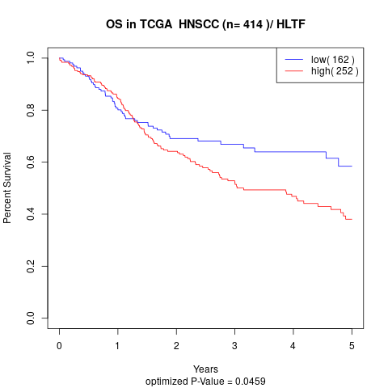

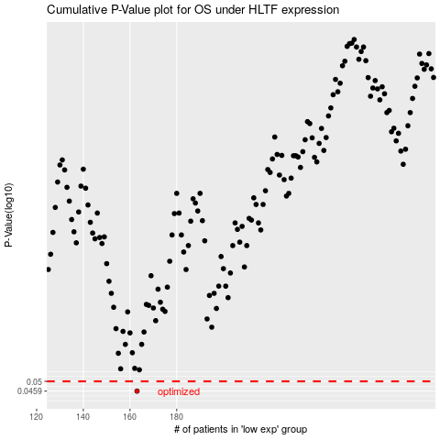

 |  |  |  |  |  | cases_OS | p_OS | rank | exp
 |  |  |  |  |  | 163 | 0.0459 | 371 | -0.42150922672
 |  |  |  |  |  |  | cases_RFS | p_RFS | rank | exp
 |  |  |  |  |  |  | 162 | 0.0459 | 347 | -0.42587349302

