HLX _multivariate
Reported by Tex Li-Hsing Chi. tex@gate.sinica.edu.tw 2019-08-19

Table 2. The clinicopathological features of HNSCC cohort and HLX expression. (Chi square test)
Cutoff at -0.22 (50.0%)
 |  | HLX expression |  | HLX expression |  | (Optimised)
 | Features | Low | (%) | High | (%) | Case no | P-value | Remark | Matthews
Gender | Female | 157 | 37.8 | 149 | 35.9 | 415 | 0.3881 | 0 | 0
2 | Male | 50 | 12 | 59 | 14.2
Age at diagnosis | <=65y | 138 | 33.3 | 136 | 32.8 | 415 | 0.8634 | 0 | 0
4 | >65y | 69 | 16.6 | 72 | 17.3
Clinical T Status | T1+T2 | 74 | 17.8 | 75 | 18.1 | 415 | 1 | 0 | 0
6 | T3+T4 | 133 | 32 | 133 | 32
Clinical N Status | N0 | 109 | 26.3 | 107 | 25.8 | 415 | 0.8812 | 0 | 0
8 | N1-3 | 98 | 23.6 | 101 | 24.3
Clinical M Status | M0 | 205 | 49.4 | 207 | 49.9 | 415 | 0.6232 | 0 | 0
10 | M1 | 2 | 0.5 | 1 | 0.2
Clinical Stage | Stage I+II | 48 | 11.6 | 54 | 13 | 415 | 0.5878 | 0 | 0
12 | Stage III+IV | 159 | 38.3 | 154 | 37.1
Surgical Margin status | Negative | 151 | 36.4 | 167 | 40.2 | 415 | 0.0828 | 0 | 0
14 | Positive | 56 | 13.5 | 41 | 9.9
Tobacco Exposure | Low | 75 | 18.1 | 86 | 20.7 | 415 | 0.3141 | 0 | 0
16 | High | 132 | 31.8 | 122 | 29.4

Table 3. Univariate/Multivariate Cox's proportional hazards regression analyses on OS time of HLX gene expression in HNSCC

 |  | Univariate |  |  |  | Multivariate
 | Features | HR | CI95%(L) | CI95%(H) | P-value | HR | CI95%(L) | CI95%(H) | P-value
1 | Female | 1 |  |  |  | 1
Gender | Male | 1.157 | 0.843 | 1.587 | 0.367 | 1.207 | 0.864 | 1.686 | 0.27
11 | <=65y | 1 |  |  |  | 1
Age at diagnosis | >65y | 1.329 | 0.99 | 1.784 | 0.058 | 1.39 | 1.023 | 1.888 | 0.035
12 | T1+T2 | 1 |  |  |  | 1
Clinical T Status | T3+T4 | 1.409 | 1.028 | 1.931 | 0.033 | 2.252 | 1.189 | 4.265 | 0.013
13 | N0 | 1 |  |  |  | 1
Clinical N Status | N1-3 | 1.185 | 0.89 | 1.577 | 0.246 | 1.253 | 0.877 | 1.788 | 0.215
14 | M0 | 1 |  |  |  | 1
Clinical M Status | M1 | 4.097 | 1.009 | 16.644 | 0.049 | 9.465 | 2.064 | 43.403 | 0.004
15 | Stage I+II | 1 |  |  |  | 1
Clinical Stage | Stage III+IV | 1.245 | 0.882 | 1.759 | 0.213 | 0.491 | 0.228 | 1.056 | 0.069
16 | Negative | 1 |  |  |  | 1
Surgical Margin status | Positive | 1.591 | 1.155 | 2.191 | 0.004 | 1.669 | 1.208 | 2.308 | 0.002
17 | Low | 1 |  |  |  | 1
Tobacco Exposure | High | 1.364 | 1.008 | 1.844 | 0.044 | 1.437 | 1.042 | 1.98 | 0.027
18 | Low | 1 |  |  |  | 1
RNAseq(z-score) | High | 0.863 | 0.646 | 1.152 | 0.317 | 0.862 | 0.644 | 1.153 | 0.318

Table 4. Univariate/Multivariate Cox's proportional hazards regression analyses on RFS time of HLX gene expression in HNSCC

 |  | Univariate |  |  |  | Multivariate
 | Features | HR | CI95%(L) | CI95%(H) | P-value | HR | CI95%(L) | CI95%(H) | P-value
1 | Female | 1 |  |  |  | 1
Gender | Male | 1.157 | 0.843 | 1.587 | 0.367 | 1.207 | 0.864 | 1.686 | 0.27
11 | <=65y | 1 |  |  |  | 1
Age at diagnosis | >65y | 1.329 | 0.99 | 1.784 | 0.058 | 1.39 | 1.023 | 1.888 | 0.035
12 | T1+T2 | 1 |  |  |  | 1
Clinical T Status | T3+T4 | 1.409 | 1.028 | 1.931 | 0.033 | 2.252 | 1.189 | 4.265 | 0.013
13 | N0 | 1 |  |  |  | 1
Clinical N Status | N1-3 | 1.185 | 0.89 | 1.577 | 0.246 | 1.253 | 0.877 | 1.788 | 0.215
14 | M0 | 1 |  |  |  | 1
Clinical M Status | M1 | 4.097 | 1.009 | 16.644 | 0.049 | 9.465 | 2.064 | 43.403 | 0.004
15 | Stage I+II | 1 |  |  |  | 1
Clinical Stage | Stage III+IV | 1.245 | 0.882 | 1.759 | 0.213 | 0.491 | 0.228 | 1.056 | 0.069
16 | Negative | 1 |  |  |  | 1
Surgical Margin status | Positive | 1.591 | 1.155 | 2.191 | 0.004 | 1.669 | 1.208 | 2.308 | 0.002
17 | Low | 1 |  |  |  | 1
Tobacco Exposure | High | 1.364 | 1.008 | 1.844 | 0.044 | 1.437 | 1.042 | 1.98 | 0.027
18 | Low | 1 |  |  |  | 1
RNAseq(z-score) | High | 0.863 | 0.646 | 1.152 | 0.317 | 0.862 | 0.644 | 1.153 | 0.318

Kaplan-Meier survival estimate: Cutoff at -0.22 (50.0%)



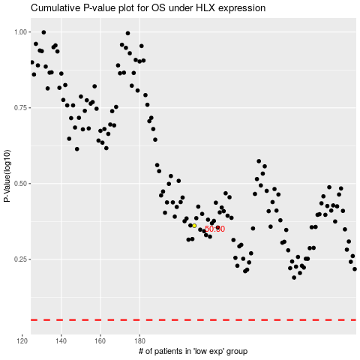

 |  |  |  |  |  | cases_OS | p_OS | rank | exp
 |  |  |  |  |  |  | cases_RFS | p_RFS | rank | exp

