HMGB1 _multivariate
Reported by Tex Li-Hsing Chi. tex@gate.sinica.edu.tw 2019-08-19

Table 2. The clinicopathological features of HNSCC cohort and HMGB1 expression. (Chi square test)
Cutoff at -0.366 (42.5%)
 |  | HMGB1 expression |  | HMGB1 expression |  | (Optimised)
 | Features | Low | (%) | High | (%) | Case no | P-value | Remark | Matthews
Gender | Female | 129 | 31.1 | 177 | 42.7 | 415 | 0.9508 | 0 | 0
2 | Male | 47 | 11.3 | 62 | 14.9
Age at diagnosis | <=65y | 118 | 28.4 | 156 | 37.6 | 415 | 0.7855 | 0 | 0
4 | >65y | 58 | 14 | 83 | 20
Clinical T Status | T1+T2 | 59 | 14.2 | 90 | 21.7 | 415 | 0.4448 | 0 | 0
6 | T3+T4 | 117 | 28.2 | 149 | 35.9
Clinical N Status | N0 | 99 | 23.9 | 117 | 28.2 | 415 | 0.1704 | 0 | 0
8 | N1-3 | 77 | 18.6 | 122 | 29.4
Clinical M Status | M0 | 176 | 42.4 | 236 | 56.9 | 415 | 0.2655 | 0 | 0
10 | M1 | 0 | 0 | 3 | 0.7
Clinical Stage | Stage I+II | 41 | 9.9 | 61 | 14.7 | 415 | 0.6851 | 0 | 0
12 | Stage III+IV | 135 | 32.5 | 178 | 42.9
Surgical Margin status | Negative | 141 | 34 | 177 | 42.7 | 415 | 0.1605 | 0 | 0
14 | Positive | 35 | 8.4 | 62 | 14.9
Tobacco Exposure | Low | 73 | 17.6 | 88 | 21.2 | 415 | 0.3597 | 0 | 0
16 | High | 103 | 24.8 | 151 | 36.4

Table 3. Univariate/Multivariate Cox's proportional hazards regression analyses on OS time of HMGB1 gene expression in HNSCC

 |  | Univariate |  |  |  | Multivariate
 | Features | HR | CI95%(L) | CI95%(H) | P-value | HR | CI95%(L) | CI95%(H) | P-value
1 | Female | 1 |  |  |  | 1
Gender | Male | 1.157 | 0.843 | 1.587 | 0.367 | 1.217 | 0.872 | 1.7 | 0.248
11 | <=65y | 1 |  |  |  | 1
Age at diagnosis | >65y | 1.329 | 0.99 | 1.784 | 0.058 | 1.38 | 1.016 | 1.874 | 0.039
12 | T1+T2 | 1 |  |  |  | 1
Clinical T Status | T3+T4 | 1.409 | 1.028 | 1.931 | 0.033 | 2.195 | 1.161 | 4.149 | 0.016
13 | N0 | 1 |  |  |  | 1
Clinical N Status | N1-3 | 1.185 | 0.89 | 1.577 | 0.246 | 1.193 | 0.834 | 1.706 | 0.334
14 | M0 | 1 |  |  |  | 1
Clinical M Status | M1 | 4.097 | 1.009 | 16.644 | 0.049 | 8.562 | 1.861 | 39.391 | 0.006
15 | Stage I+II | 1 |  |  |  | 1
Clinical Stage | Stage III+IV | 1.245 | 0.882 | 1.759 | 0.213 | 0.524 | 0.244 | 1.125 | 0.097
16 | Negative | 1 |  |  |  | 1
Surgical Margin status | Positive | 1.591 | 1.155 | 2.191 | 0.004 | 1.628 | 1.176 | 2.253 | 0.003
17 | Low | 1 |  |  |  | 1
Tobacco Exposure | High | 1.364 | 1.008 | 1.844 | 0.044 | 1.452 | 1.054 | 1.999 | 0.022
18 | Low | 1 |  |  |  | 1
RNAseq(z-score) | High | 1.351 | 1.008 | 1.812 | 0.044 | 1.299 | 0.962 | 1.755 | 0.088

Table 4. Univariate/Multivariate Cox's proportional hazards regression analyses on RFS time of HMGB1 gene expression in HNSCC

 |  | Univariate |  |  |  | Multivariate
 | Features | HR | CI95%(L) | CI95%(H) | P-value | HR | CI95%(L) | CI95%(H) | P-value
1 | Female | 1 |  |  |  | 1
Gender | Male | 1.157 | 0.843 | 1.587 | 0.367 | 1.217 | 0.872 | 1.7 | 0.248
11 | <=65y | 1 |  |  |  | 1
Age at diagnosis | >65y | 1.329 | 0.99 | 1.784 | 0.058 | 1.38 | 1.016 | 1.874 | 0.039
12 | T1+T2 | 1 |  |  |  | 1
Clinical T Status | T3+T4 | 1.409 | 1.028 | 1.931 | 0.033 | 2.195 | 1.161 | 4.149 | 0.016
13 | N0 | 1 |  |  |  | 1
Clinical N Status | N1-3 | 1.185 | 0.89 | 1.577 | 0.246 | 1.193 | 0.834 | 1.706 | 0.334
14 | M0 | 1 |  |  |  | 1
Clinical M Status | M1 | 4.097 | 1.009 | 16.644 | 0.049 | 8.562 | 1.861 | 39.391 | 0.006
15 | Stage I+II | 1 |  |  |  | 1
Clinical Stage | Stage III+IV | 1.245 | 0.882 | 1.759 | 0.213 | 0.524 | 0.244 | 1.125 | 0.097
16 | Negative | 1 |  |  |  | 1
Surgical Margin status | Positive | 1.591 | 1.155 | 2.191 | 0.004 | 1.628 | 1.176 | 2.253 | 0.003
17 | Low | 1 |  |  |  | 1
Tobacco Exposure | High | 1.364 | 1.008 | 1.844 | 0.044 | 1.452 | 1.054 | 1.999 | 0.022
18 | Low | 1 |  |  |  | 1
RNAseq(z-score) | High | 1.351 | 1.008 | 1.812 | 0.044 | 1.299 | 0.962 | 1.755 | 0.088

Kaplan-Meier survival estimate: Cutoff at -0.366 (42.5%)



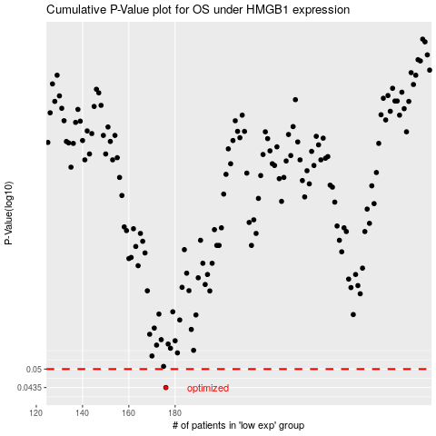

 |  |  |  |  |  | cases_OS | p_OS | rank | exp
 |  |  |  |  |  | 176 | 0.0435 | 257 | -0.36584725571
 |  |  |  |  |  |  | cases_RFS | p_RFS | rank | exp
 |  |  |  |  |  |  | 175 | 0.0435 | 290 | -0.36591597699

