HMGN1 _multivariate
Reported by Tex Li-Hsing Chi. tex@gate.sinica.edu.tw 2019-08-19

Table 2. The clinicopathological features of HNSCC cohort and HMGN1 expression. (Chi square test)
Cutoff at -0.188 (50.0%)
 |  | HMGN1 expression |  | HMGN1 expression |  | (Optimised)
 | Features | Low | (%) | High | (%) | Case no | P-value | Remark | Matthews
Gender | Female | 156 | 37.6 | 150 | 36.1 | 415 | 0.5222 | 0 | 0
2 | Male | 51 | 12.3 | 58 | 14
Age at diagnosis | <=65y | 133 | 32 | 141 | 34 | 415 | 0.5111 | 0 | 0
4 | >65y | 74 | 17.8 | 67 | 16.1
Clinical T Status | T1+T2 | 71 | 17.1 | 78 | 18.8 | 415 | 0.5638 | 0 | 0
6 | T3+T4 | 136 | 32.8 | 130 | 31.3
Clinical N Status | N0 | 112 | 27 | 104 | 25.1 | 415 | 0.4599 | 0 | 0
8 | N1-3 | 95 | 22.9 | 104 | 25.1
Clinical M Status | M0 | 206 | 49.6 | 206 | 49.6 | 415 | 1 | 0 | 0
10 | M1 | 1 | 0.2 | 2 | 0.5
Clinical Stage | Stage I+II | 53 | 12.8 | 49 | 11.8 | 415 | 0.7113 | 0 | 0
12 | Stage III+IV | 154 | 37.1 | 159 | 38.3
Surgical Margin status | Negative | 167 | 40.2 | 151 | 36.4 | 415 | 0.0632 | 0 | 0
14 | Positive | 40 | 9.6 | 57 | 13.7
Tobacco Exposure | Low | 84 | 20.2 | 77 | 18.6 | 415 | 0.4816 | 0 | 0
16 | High | 123 | 29.6 | 131 | 31.6

Table 3. Univariate/Multivariate Cox's proportional hazards regression analyses on OS time of HMGN1 gene expression in HNSCC

 |  | Univariate |  |  |  | Multivariate
 | Features | HR | CI95%(L) | CI95%(H) | P-value | HR | CI95%(L) | CI95%(H) | P-value
1 | Female | 1 |  |  |  | 1
Gender | Male | 1.157 | 0.843 | 1.587 | 0.367 | 1.192 | 0.853 | 1.667 | 0.303
11 | <=65y | 1 |  |  |  | 1
Age at diagnosis | >65y | 1.329 | 0.99 | 1.784 | 0.058 | 1.404 | 1.033 | 1.909 | 0.03
12 | T1+T2 | 1 |  |  |  | 1
Clinical T Status | T3+T4 | 1.409 | 1.028 | 1.931 | 0.033 | 2.263 | 1.195 | 4.284 | 0.012
13 | N0 | 1 |  |  |  | 1
Clinical N Status | N1-3 | 1.185 | 0.89 | 1.577 | 0.246 | 1.229 | 0.861 | 1.754 | 0.255
14 | M0 | 1 |  |  |  | 1
Clinical M Status | M1 | 4.097 | 1.009 | 16.644 | 0.049 | 9.407 | 2.052 | 43.128 | 0.004
15 | Stage I+II | 1 |  |  |  | 1
Clinical Stage | Stage III+IV | 1.245 | 0.882 | 1.759 | 0.213 | 0.498 | 0.232 | 1.069 | 0.074
16 | Negative | 1 |  |  |  | 1
Surgical Margin status | Positive | 1.591 | 1.155 | 2.191 | 0.004 | 1.617 | 1.165 | 2.244 | 0.004
17 | Low | 1 |  |  |  | 1
Tobacco Exposure | High | 1.364 | 1.008 | 1.844 | 0.044 | 1.432 | 1.039 | 1.974 | 0.028
18 | Low | 1 |  |  |  | 1
RNAseq(z-score) | High | 1.25 | 0.937 | 1.668 | 0.129 | 1.201 | 0.894 | 1.614 | 0.224

Table 4. Univariate/Multivariate Cox's proportional hazards regression analyses on RFS time of HMGN1 gene expression in HNSCC

 |  | Univariate |  |  |  | Multivariate
 | Features | HR | CI95%(L) | CI95%(H) | P-value | HR | CI95%(L) | CI95%(H) | P-value
1 | Female | 1 |  |  |  | 1
Gender | Male | 1.157 | 0.843 | 1.587 | 0.367 | 1.192 | 0.853 | 1.667 | 0.303
11 | <=65y | 1 |  |  |  | 1
Age at diagnosis | >65y | 1.329 | 0.99 | 1.784 | 0.058 | 1.404 | 1.033 | 1.909 | 0.03
12 | T1+T2 | 1 |  |  |  | 1
Clinical T Status | T3+T4 | 1.409 | 1.028 | 1.931 | 0.033 | 2.263 | 1.195 | 4.284 | 0.012
13 | N0 | 1 |  |  |  | 1
Clinical N Status | N1-3 | 1.185 | 0.89 | 1.577 | 0.246 | 1.229 | 0.861 | 1.754 | 0.255
14 | M0 | 1 |  |  |  | 1
Clinical M Status | M1 | 4.097 | 1.009 | 16.644 | 0.049 | 9.407 | 2.052 | 43.128 | 0.004
15 | Stage I+II | 1 |  |  |  | 1
Clinical Stage | Stage III+IV | 1.245 | 0.882 | 1.759 | 0.213 | 0.498 | 0.232 | 1.069 | 0.074
16 | Negative | 1 |  |  |  | 1
Surgical Margin status | Positive | 1.591 | 1.155 | 2.191 | 0.004 | 1.617 | 1.165 | 2.244 | 0.004
17 | Low | 1 |  |  |  | 1
Tobacco Exposure | High | 1.364 | 1.008 | 1.844 | 0.044 | 1.432 | 1.039 | 1.974 | 0.028
18 | Low | 1 |  |  |  | 1
RNAseq(z-score) | High | 1.25 | 0.937 | 1.668 | 0.129 | 1.201 | 0.894 | 1.614 | 0.224

Kaplan-Meier survival estimate: Cutoff at -0.188 (50.0%)



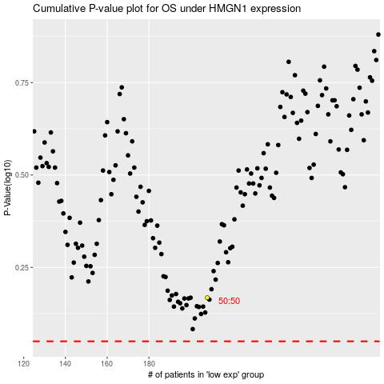

 |  |  |  |  |  | cases_OS | p_OS | rank | exp
 |  |  |  |  |  |  | cases_RFS | p_RFS | rank | exp

