HMGN2 _multivariate
Reported by Tex Li-Hsing Chi. tex@gate.sinica.edu.tw 2019-08-19

Table 2. The clinicopathological features of HNSCC cohort and HMGN2 expression. (Chi square test)
Cutoff at -0.263 (49.8%)
 |  | HMGN2 expression |  | HMGN2 expression |  | (Optimised)
 | Features | Low | (%) | High | (%) | Case no | P-value | Remark | Matthews
Gender | Female | 150 | 36.1 | 156 | 37.6 | 415 | 0.6344 | 0 | 0
2 | Male | 57 | 13.7 | 52 | 12.5
Age at diagnosis | <=65y | 135 | 32.5 | 139 | 33.5 | 415 | 0.8084 | 0 | 0
4 | >65y | 72 | 17.3 | 69 | 16.6
Clinical T Status | T1+T2 | 63 | 15.2 | 86 | 20.7 | 415 | 0.0268 | 1 | 0
6 | T3+T4 | 144 | 34.7 | 122 | 29.4
Clinical N Status | N0 | 116 | 28 | 100 | 24.1 | 415 | 0.1273 | 1 | 0
8 | N1-3 | 91 | 21.9 | 108 | 26
Clinical M Status | M0 | 206 | 49.6 | 206 | 49.6 | 415 | 1 | 0 | 0
10 | M1 | 1 | 0.2 | 2 | 0.5
Clinical Stage | Stage I+II | 45 | 10.8 | 57 | 13.7 | 415 | 0.2202 | 0 | 0
12 | Stage III+IV | 162 | 39 | 151 | 36.4
Surgical Margin status | Negative | 171 | 41.2 | 147 | 35.4 | 415 | 0.0052 | 1 | 0
14 | Positive | 36 | 8.7 | 61 | 14.7
Tobacco Exposure | Low | 80 | 19.3 | 81 | 19.5 | 415 | 1 | 0 | 0
16 | High | 127 | 30.6 | 127 | 30.6

Table 3. Univariate/Multivariate Cox's proportional hazards regression analyses on OS time of HMGN2 gene expression in HNSCC

 |  | Univariate |  |  |  | Multivariate
 | Features | HR | CI95%(L) | CI95%(H) | P-value | HR | CI95%(L) | CI95%(H) | P-value
1 | Female | 1 |  |  |  | 1
Gender | Male | 1.157 | 0.843 | 1.587 | 0.367 | 1.206 | 0.863 | 1.686 | 0.272
11 | <=65y | 1 |  |  |  | 1
Age at diagnosis | >65y | 1.329 | 0.99 | 1.784 | 0.058 | 1.386 | 1.019 | 1.885 | 0.037
12 | T1+T2 | 1 |  |  |  | 1
Clinical T Status | T3+T4 | 1.409 | 1.028 | 1.931 | 0.033 | 2.229 | 1.177 | 4.223 | 0.014
13 | N0 | 1 |  |  |  | 1
Clinical N Status | N1-3 | 1.185 | 0.89 | 1.577 | 0.246 | 1.233 | 0.863 | 1.761 | 0.25
14 | M0 | 1 |  |  |  | 1
Clinical M Status | M1 | 4.097 | 1.009 | 16.644 | 0.049 | 9.449 | 2.061 | 43.32 | 0.004
15 | Stage I+II | 1 |  |  |  | 1
Clinical Stage | Stage III+IV | 1.245 | 0.882 | 1.759 | 0.213 | 0.505 | 0.235 | 1.083 | 0.079
16 | Negative | 1 |  |  |  | 1
Surgical Margin status | Positive | 1.591 | 1.155 | 2.191 | 0.004 | 1.647 | 1.186 | 2.286 | 0.003
17 | Low | 1 |  |  |  | 1
Tobacco Exposure | High | 1.364 | 1.008 | 1.844 | 0.044 | 1.452 | 1.054 | 2.001 | 0.023
18 | Low | 1 |  |  |  | 1
RNAseq(z-score) | High | 1.121 | 0.842 | 1.493 | 0.435 | 1.08 | 0.804 | 1.45 | 0.61

Table 4. Univariate/Multivariate Cox's proportional hazards regression analyses on RFS time of HMGN2 gene expression in HNSCC

 |  | Univariate |  |  |  | Multivariate
 | Features | HR | CI95%(L) | CI95%(H) | P-value | HR | CI95%(L) | CI95%(H) | P-value
1 | Female | 1 |  |  |  | 1
Gender | Male | 1.157 | 0.843 | 1.587 | 0.367 | 1.206 | 0.863 | 1.686 | 0.272
11 | <=65y | 1 |  |  |  | 1
Age at diagnosis | >65y | 1.329 | 0.99 | 1.784 | 0.058 | 1.386 | 1.019 | 1.885 | 0.037
12 | T1+T2 | 1 |  |  |  | 1
Clinical T Status | T3+T4 | 1.409 | 1.028 | 1.931 | 0.033 | 2.229 | 1.177 | 4.223 | 0.014
13 | N0 | 1 |  |  |  | 1
Clinical N Status | N1-3 | 1.185 | 0.89 | 1.577 | 0.246 | 1.233 | 0.863 | 1.761 | 0.25
14 | M0 | 1 |  |  |  | 1
Clinical M Status | M1 | 4.097 | 1.009 | 16.644 | 0.049 | 9.449 | 2.061 | 43.32 | 0.004
15 | Stage I+II | 1 |  |  |  | 1
Clinical Stage | Stage III+IV | 1.245 | 0.882 | 1.759 | 0.213 | 0.505 | 0.235 | 1.083 | 0.079
16 | Negative | 1 |  |  |  | 1
Surgical Margin status | Positive | 1.591 | 1.155 | 2.191 | 0.004 | 1.647 | 1.186 | 2.286 | 0.003
17 | Low | 1 |  |  |  | 1
Tobacco Exposure | High | 1.364 | 1.008 | 1.844 | 0.044 | 1.452 | 1.054 | 2.001 | 0.023
18 | Low | 1 |  |  |  | 1
RNAseq(z-score) | High | 1.121 | 0.842 | 1.493 | 0.435 | 1.08 | 0.804 | 1.45 | 0.61

Kaplan-Meier survival estimate: Cutoff at -0.263 (49.8%)



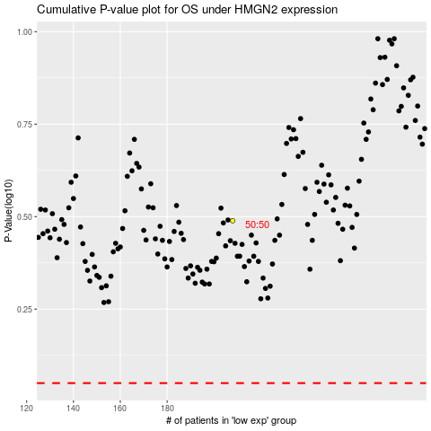

 |  |  |  |  |  | cases_OS | p_OS | rank | exp
 |  |  |  |  |  |  | cases_RFS | p_RFS | rank | exp

