HMGN4 _multivariate
Reported by Tex Li-Hsing Chi. tex@gate.sinica.edu.tw 2019-08-19

Table 2. The clinicopathological features of HNSCC cohort and HMGN4 expression. (Chi square test)
Cutoff at 0.457 (69.8%)
 |  | HMGN4 expression |  | HMGN4 expression |  | (Optimised)
 | Features | Low | (%) | High | (%) | Case no | P-value | Remark | Matthews
Gender | Female | 220 | 53 | 86 | 20.7 | 415 | 0.1681 | 0 | 0
2 | Male | 70 | 16.9 | 39 | 9.4
Age at diagnosis | <=65y | 187 | 45.1 | 87 | 21 | 415 | 0.3698 | 0 | 0
4 | >65y | 103 | 24.8 | 38 | 9.2
Clinical T Status | T1+T2 | 113 | 27.2 | 36 | 8.7 | 415 | 0.0616 | 0 | 0
6 | T3+T4 | 177 | 42.7 | 89 | 21.4
Clinical N Status | N0 | 160 | 38.6 | 56 | 13.5 | 415 | 0.0667 | 0 | 0
8 | N1-3 | 130 | 31.3 | 69 | 16.6
Clinical M Status | M0 | 287 | 69.2 | 125 | 30.1 | 415 | 0.5571 | 0 | 0
10 | M1 | 3 | 0.7 | 0 | 0
Clinical Stage | Stage I+II | 77 | 18.6 | 25 | 6 | 415 | 0.1943 | 0 | 0
12 | Stage III+IV | 213 | 51.3 | 100 | 24.1
Surgical Margin status | Negative | 233 | 56.1 | 85 | 20.5 | 415 | 0.0079 | 1 | 0
14 | Positive | 57 | 13.7 | 40 | 9.6
Tobacco Exposure | Low | 125 | 30.1 | 36 | 8.7 | 415 | 0.0062 | 1 | 0
16 | High | 165 | 39.8 | 89 | 21.4

Table 3. Univariate/Multivariate Cox's proportional hazards regression analyses on OS time of HMGN4 gene expression in HNSCC

 |  | Univariate |  |  |  | Multivariate
 | Features | HR | CI95%(L) | CI95%(H) | P-value | HR | CI95%(L) | CI95%(H) | P-value
1 | Female | 1 |  |  |  | 1
Gender | Male | 1.157 | 0.843 | 1.587 | 0.367 | 1.158 | 0.826 | 1.623 | 0.395
11 | <=65y | 1 |  |  |  | 1
Age at diagnosis | >65y | 1.329 | 0.99 | 1.784 | 0.058 | 1.422 | 1.044 | 1.937 | 0.025
12 | T1+T2 | 1 |  |  |  | 1
Clinical T Status | T3+T4 | 1.409 | 1.028 | 1.931 | 0.033 | 2.178 | 1.151 | 4.123 | 0.017
13 | N0 | 1 |  |  |  | 1
Clinical N Status | N1-3 | 1.185 | 0.89 | 1.577 | 0.246 | 1.23 | 0.862 | 1.756 | 0.253
14 | M0 | 1 |  |  |  | 1
Clinical M Status | M1 | 4.097 | 1.009 | 16.644 | 0.049 | 9.947 | 2.163 | 45.737 | 0.003
15 | Stage I+II | 1 |  |  |  | 1
Clinical Stage | Stage III+IV | 1.245 | 0.882 | 1.759 | 0.213 | 0.506 | 0.236 | 1.087 | 0.081
16 | Negative | 1 |  |  |  | 1
Surgical Margin status | Positive | 1.591 | 1.155 | 2.191 | 0.004 | 1.629 | 1.176 | 2.256 | 0.003
17 | Low | 1 |  |  |  | 1
Tobacco Exposure | High | 1.364 | 1.008 | 1.844 | 0.044 | 1.407 | 1.018 | 1.943 | 0.038
18 | Low | 1 |  |  |  | 1
RNAseq(z-score) | High | 1.355 | 1.003 | 1.83 | 0.048 | 1.23 | 0.899 | 1.683 | 0.196

Table 4. Univariate/Multivariate Cox's proportional hazards regression analyses on RFS time of HMGN4 gene expression in HNSCC

 |  | Univariate |  |  |  | Multivariate
 | Features | HR | CI95%(L) | CI95%(H) | P-value | HR | CI95%(L) | CI95%(H) | P-value
1 | Female | 1 |  |  |  | 1
Gender | Male | 1.157 | 0.843 | 1.587 | 0.367 | 1.158 | 0.826 | 1.623 | 0.395
11 | <=65y | 1 |  |  |  | 1
Age at diagnosis | >65y | 1.329 | 0.99 | 1.784 | 0.058 | 1.422 | 1.044 | 1.937 | 0.025
12 | T1+T2 | 1 |  |  |  | 1
Clinical T Status | T3+T4 | 1.409 | 1.028 | 1.931 | 0.033 | 2.178 | 1.151 | 4.123 | 0.017
13 | N0 | 1 |  |  |  | 1
Clinical N Status | N1-3 | 1.185 | 0.89 | 1.577 | 0.246 | 1.23 | 0.862 | 1.756 | 0.253
14 | M0 | 1 |  |  |  | 1
Clinical M Status | M1 | 4.097 | 1.009 | 16.644 | 0.049 | 9.947 | 2.163 | 45.737 | 0.003
15 | Stage I+II | 1 |  |  |  | 1
Clinical Stage | Stage III+IV | 1.245 | 0.882 | 1.759 | 0.213 | 0.506 | 0.236 | 1.087 | 0.081
16 | Negative | 1 |  |  |  | 1
Surgical Margin status | Positive | 1.591 | 1.155 | 2.191 | 0.004 | 1.629 | 1.176 | 2.256 | 0.003
17 | Low | 1 |  |  |  | 1
Tobacco Exposure | High | 1.364 | 1.008 | 1.844 | 0.044 | 1.407 | 1.018 | 1.943 | 0.038
18 | Low | 1 |  |  |  | 1
RNAseq(z-score) | High | 1.355 | 1.003 | 1.83 | 0.048 | 1.23 | 0.899 | 1.683 | 0.196

Kaplan-Meier survival estimate: Cutoff at 0.457 (69.8%)



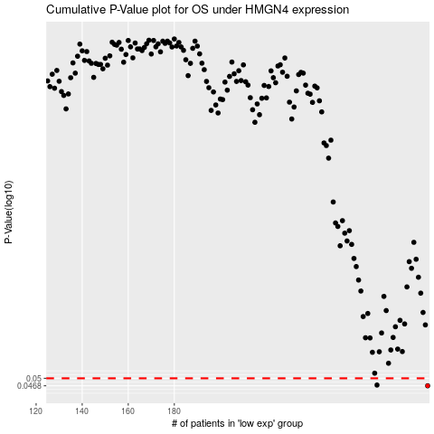

 |  |  |  |  |  | cases_OS | p_OS | rank | exp
 |  |  |  |  |  | 290 | 0.0468 | 244 | 0.45658527661
 |  |  |  |  |  | 268 | 0.0471 | 114 | 0.32023425573
 |  |  |  |  |  |  | cases_RFS | p_RFS | rank | exp
 |  |  |  |  |  |  | 289 | 0.0468 | 175 | 0.45161194756
 |  |  |  |  |  |  | 267 | 0.0471 | 352 | 0.31419738129

