HMGXB4 _multivariate
Reported by Tex Li-Hsing Chi. tex@gate.sinica.edu.tw 2019-08-19

Table 2. The clinicopathological features of HNSCC cohort and HMGXB4 expression. (Chi square test)
Cutoff at -0.086 (49.8%)
 |  | HMGXB4 expression |  | HMGXB4 expression |  | (Optimised)
 | Features | Low | (%) | High | (%) | Case no | P-value | Remark | Matthews
Gender | Female | 151 | 36.4 | 155 | 37.3 | 415 | 0.8007 | 0 | 0
2 | Male | 56 | 13.5 | 53 | 12.8
Age at diagnosis | <=65y | 134 | 32.3 | 140 | 33.7 | 415 | 0.6529 | 0 | 0
4 | >65y | 73 | 17.6 | 68 | 16.4
Clinical T Status | T1+T2 | 74 | 17.8 | 75 | 18.1 | 415 | 1 | 0 | 0
6 | T3+T4 | 133 | 32 | 133 | 32
Clinical N Status | N0 | 112 | 27 | 104 | 25.1 | 415 | 0.4599 | 0 | 0
8 | N1-3 | 95 | 22.9 | 104 | 25.1
Clinical M Status | M0 | 204 | 49.2 | 208 | 50.1 | 415 | 0.1232 | 0 | 0
10 | M1 | 3 | 0.7 | 0 | 0
Clinical Stage | Stage I+II | 51 | 12.3 | 51 | 12.3 | 415 | 1 | 0 | 0
12 | Stage III+IV | 156 | 37.6 | 157 | 37.8
Surgical Margin status | Negative | 164 | 39.5 | 154 | 37.1 | 415 | 0.2462 | 0 | 0
14 | Positive | 43 | 10.4 | 54 | 13
Tobacco Exposure | Low | 94 | 22.7 | 67 | 16.1 | 415 | 0.0065 | 1 | 0
16 | High | 113 | 27.2 | 141 | 34

Table 3. Univariate/Multivariate Cox's proportional hazards regression analyses on OS time of HMGXB4 gene expression in HNSCC

 |  | Univariate |  |  |  | Multivariate
 | Features | HR | CI95%(L) | CI95%(H) | P-value | HR | CI95%(L) | CI95%(H) | P-value
1 | Female | 1 |  |  |  | 1
Gender | Male | 1.157 | 0.843 | 1.587 | 0.367 | 1.197 | 0.856 | 1.672 | 0.293
11 | <=65y | 1 |  |  |  | 1
Age at diagnosis | >65y | 1.329 | 0.99 | 1.784 | 0.058 | 1.388 | 1.021 | 1.886 | 0.036
12 | T1+T2 | 1 |  |  |  | 1
Clinical T Status | T3+T4 | 1.409 | 1.028 | 1.931 | 0.033 | 2.194 | 1.16 | 4.148 | 0.016
13 | N0 | 1 |  |  |  | 1
Clinical N Status | N1-3 | 1.185 | 0.89 | 1.577 | 0.246 | 1.238 | 0.868 | 1.766 | 0.238
14 | M0 | 1 |  |  |  | 1
Clinical M Status | M1 | 4.097 | 1.009 | 16.644 | 0.049 | 8.919 | 1.929 | 41.227 | 0.005
15 | Stage I+II | 1 |  |  |  | 1
Clinical Stage | Stage III+IV | 1.245 | 0.882 | 1.759 | 0.213 | 0.509 | 0.237 | 1.092 | 0.083
16 | Negative | 1 |  |  |  | 1
Surgical Margin status | Positive | 1.591 | 1.155 | 2.191 | 0.004 | 1.682 | 1.217 | 2.326 | 0.002
17 | Low | 1 |  |  |  | 1
Tobacco Exposure | High | 1.364 | 1.008 | 1.844 | 0.044 | 1.46 | 1.06 | 2.013 | 0.021
18 | Low | 1 |  |  |  | 1
RNAseq(z-score) | High | 0.929 | 0.695 | 1.241 | 0.617 | 0.909 | 0.678 | 1.219 | 0.526

Table 4. Univariate/Multivariate Cox's proportional hazards regression analyses on RFS time of HMGXB4 gene expression in HNSCC

 |  | Univariate |  |  |  | Multivariate
 | Features | HR | CI95%(L) | CI95%(H) | P-value | HR | CI95%(L) | CI95%(H) | P-value
1 | Female | 1 |  |  |  | 1
Gender | Male | 1.157 | 0.843 | 1.587 | 0.367 | 1.197 | 0.856 | 1.672 | 0.293
11 | <=65y | 1 |  |  |  | 1
Age at diagnosis | >65y | 1.329 | 0.99 | 1.784 | 0.058 | 1.388 | 1.021 | 1.886 | 0.036
12 | T1+T2 | 1 |  |  |  | 1
Clinical T Status | T3+T4 | 1.409 | 1.028 | 1.931 | 0.033 | 2.194 | 1.16 | 4.148 | 0.016
13 | N0 | 1 |  |  |  | 1
Clinical N Status | N1-3 | 1.185 | 0.89 | 1.577 | 0.246 | 1.238 | 0.868 | 1.766 | 0.238
14 | M0 | 1 |  |  |  | 1
Clinical M Status | M1 | 4.097 | 1.009 | 16.644 | 0.049 | 8.919 | 1.929 | 41.227 | 0.005
15 | Stage I+II | 1 |  |  |  | 1
Clinical Stage | Stage III+IV | 1.245 | 0.882 | 1.759 | 0.213 | 0.509 | 0.237 | 1.092 | 0.083
16 | Negative | 1 |  |  |  | 1
Surgical Margin status | Positive | 1.591 | 1.155 | 2.191 | 0.004 | 1.682 | 1.217 | 2.326 | 0.002
17 | Low | 1 |  |  |  | 1
Tobacco Exposure | High | 1.364 | 1.008 | 1.844 | 0.044 | 1.46 | 1.06 | 2.013 | 0.021
18 | Low | 1 |  |  |  | 1
RNAseq(z-score) | High | 0.929 | 0.695 | 1.241 | 0.617 | 0.909 | 0.678 | 1.219 | 0.526

Kaplan-Meier survival estimate: Cutoff at -0.086 (49.8%)



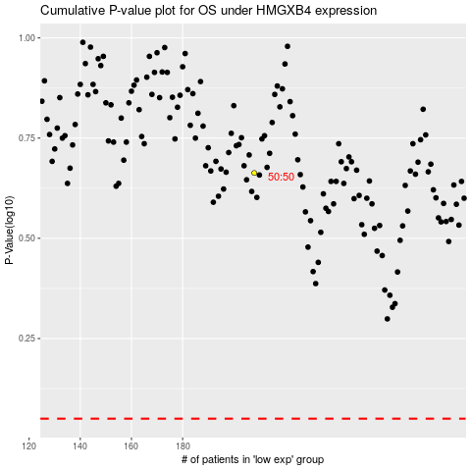

 |  |  |  |  |  | cases_OS | p_OS | rank | exp
 |  |  |  |  |  |  | cases_RFS | p_RFS | rank | exp

