HMHA1 _multivariate
Reported by Tex Li-Hsing Chi. tex@gate.sinica.edu.tw 2019-08-19

Table 2. The clinicopathological features of HNSCC cohort and HMHA1 expression. (Chi square test)
Cutoff at -0.141 (57.0%)
 |  | HMHA1 expression |  | HMHA1 expression |  | (Optimised)
 | Features | Low | (%) | High | (%) | Case no | P-value | Remark | Matthews
Gender | Female | 175 | 42.2 | 131 | 31.6 | 415 | 1 | 0 | 0
2 | Male | 62 | 14.9 | 47 | 11.3
Age at diagnosis | <=65y | 155 | 37.3 | 119 | 28.7 | 415 | 0.8379 | 0 | 0
4 | >65y | 82 | 19.8 | 59 | 14.2
Clinical T Status | T1+T2 | 83 | 20 | 66 | 15.9 | 415 | 0.7421 | 0 | 0
6 | T3+T4 | 154 | 37.1 | 112 | 27
Clinical N Status | N0 | 127 | 30.6 | 89 | 21.4 | 415 | 0.5323 | 0 | 0
8 | N1-3 | 110 | 26.5 | 89 | 21.4
Clinical M Status | M0 | 235 | 56.6 | 177 | 42.7 | 415 | 1 | 0 | 0
10 | M1 | 2 | 0.5 | 1 | 0.2
Clinical Stage | Stage I+II | 58 | 14 | 44 | 10.6 | 415 | 1 | 0 | 0
12 | Stage III+IV | 179 | 43.1 | 134 | 32.3
Surgical Margin status | Negative | 182 | 43.9 | 136 | 32.8 | 415 | 1 | 0 | 0
14 | Positive | 55 | 13.3 | 42 | 10.1
Tobacco Exposure | Low | 88 | 21.2 | 73 | 17.6 | 415 | 0.4763 | 0 | 0
16 | High | 149 | 35.9 | 105 | 25.3

Table 3. Univariate/Multivariate Cox's proportional hazards regression analyses on OS time of HMHA1 gene expression in HNSCC

 |  | Univariate |  |  |  | Multivariate
 | Features | HR | CI95%(L) | CI95%(H) | P-value | HR | CI95%(L) | CI95%(H) | P-value
1 | Female | 1 |  |  |  | 1
Gender | Male | 1.157 | 0.843 | 1.587 | 0.367 | 1.184 | 0.848 | 1.652 | 0.321
11 | <=65y | 1 |  |  |  | 1
Age at diagnosis | >65y | 1.329 | 0.99 | 1.784 | 0.058 | 1.38 | 1.015 | 1.877 | 0.04
12 | T1+T2 | 1 |  |  |  | 1
Clinical T Status | T3+T4 | 1.409 | 1.028 | 1.931 | 0.033 | 2.168 | 1.145 | 4.105 | 0.017
13 | N0 | 1 |  |  |  | 1
Clinical N Status | N1-3 | 1.185 | 0.89 | 1.577 | 0.246 | 1.259 | 0.882 | 1.797 | 0.204
14 | M0 | 1 |  |  |  | 1
Clinical M Status | M1 | 4.097 | 1.009 | 16.644 | 0.049 | 9.179 | 2.002 | 42.089 | 0.004
15 | Stage I+II | 1 |  |  |  | 1
Clinical Stage | Stage III+IV | 1.245 | 0.882 | 1.759 | 0.213 | 0.499 | 0.233 | 1.071 | 0.074
16 | Negative | 1 |  |  |  | 1
Surgical Margin status | Positive | 1.591 | 1.155 | 2.191 | 0.004 | 1.711 | 1.236 | 2.369 | 0.001
17 | Low | 1 |  |  |  | 1
Tobacco Exposure | High | 1.364 | 1.008 | 1.844 | 0.044 | 1.432 | 1.039 | 1.974 | 0.028
18 | Low | 1 |  |  |  | 1
RNAseq(z-score) | High | 0.715 | 0.532 | 0.96 | 0.026 | 0.719 | 0.534 | 0.968 | 0.03

Table 4. Univariate/Multivariate Cox's proportional hazards regression analyses on RFS time of HMHA1 gene expression in HNSCC

 |  | Univariate |  |  |  | Multivariate
 | Features | HR | CI95%(L) | CI95%(H) | P-value | HR | CI95%(L) | CI95%(H) | P-value
1 | Female | 1 |  |  |  | 1
Gender | Male | 1.157 | 0.843 | 1.587 | 0.367 | 1.184 | 0.848 | 1.652 | 0.321
11 | <=65y | 1 |  |  |  | 1
Age at diagnosis | >65y | 1.329 | 0.99 | 1.784 | 0.058 | 1.38 | 1.015 | 1.877 | 0.04
12 | T1+T2 | 1 |  |  |  | 1
Clinical T Status | T3+T4 | 1.409 | 1.028 | 1.931 | 0.033 | 2.168 | 1.145 | 4.105 | 0.017
13 | N0 | 1 |  |  |  | 1
Clinical N Status | N1-3 | 1.185 | 0.89 | 1.577 | 0.246 | 1.259 | 0.882 | 1.797 | 0.204
14 | M0 | 1 |  |  |  | 1
Clinical M Status | M1 | 4.097 | 1.009 | 16.644 | 0.049 | 9.179 | 2.002 | 42.089 | 0.004
15 | Stage I+II | 1 |  |  |  | 1
Clinical Stage | Stage III+IV | 1.245 | 0.882 | 1.759 | 0.213 | 0.499 | 0.233 | 1.071 | 0.074
16 | Negative | 1 |  |  |  | 1
Surgical Margin status | Positive | 1.591 | 1.155 | 2.191 | 0.004 | 1.711 | 1.236 | 2.369 | 0.001
17 | Low | 1 |  |  |  | 1
Tobacco Exposure | High | 1.364 | 1.008 | 1.844 | 0.044 | 1.432 | 1.039 | 1.974 | 0.028
18 | Low | 1 |  |  |  | 1
RNAseq(z-score) | High | 0.715 | 0.532 | 0.96 | 0.026 | 0.719 | 0.534 | 0.968 | 0.03

Kaplan-Meier survival estimate: Cutoff at -0.141 (57.0%)

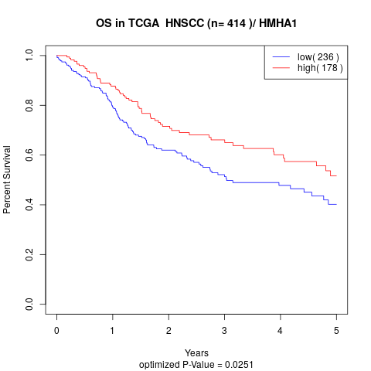

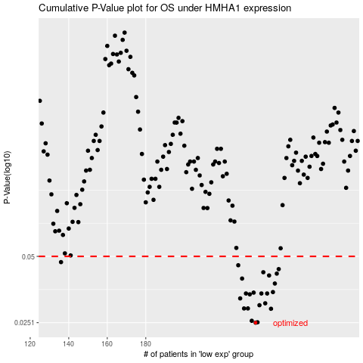

 |  |  |  |  |  | cases_OS | p_OS | rank | exp
 |  |  |  |  |  | 237 | 0.0251 | 358 | -0.14079861399
 |  |  |  |  |  | 238 | 0.0252 | 288 | -0.13760246791
 |  |  |  |  |  | 235 | 0.0256 | 321 | -0.14174759933
 |  |  |  |  |  | 245 | 0.029 | 93 | -0.10826221549
 |  |  |  |  |  | 231 | 0.0291 | 311 | -0.14479815091
 |  |  |  |  |  | 233 | 0.0291 | 340 | -0.14269134258
 |  |  |  |  |  | 239 | 0.0301 | 29 | -0.13601073609
 |  |  |  |  |  | 242 | 0.0307 | 352 | -0.11241884567
 |  |  |  |  |  | 229 | 0.0323 | 328 | -0.15236686698
 |  |  |  |  |  | 234 | 0.0337 | 385 | -0.1418044167
 |  |  |  |  |  | 243 | 0.034 | 31 | -0.11219580367
 |  |  |  |  |  | 240 | 0.034 | 60 | -0.1304108433
 |  |  |  |  |  | 232 | 0.034 | 322 | -0.14382718266
 |  |  |  |  |  | 236 | 0.0343 | 355 | -0.14118788061
 |  |  |  |  |  | 246 | 0.0345 | 415 | -0.097994167109
 |  |  |  |  |  | 247 | 0.0377 | 307 | -0.093633095869
 |  |  |  |  |  | 230 | 0.0397 | 113 | -0.14755227139
 |  |  |  |  |  | 244 | 0.041 | 85 | -0.10991533036
 |  |  |  |  |  | 248 | 0.0418 | 304 | -0.093425780113
 |  |  |  |  |  | 241 | 0.0424 | 64 | -0.11321902361
 |  |  |  |  |  | 249 | 0.0438 | 151 | -0.091975077121
 |  |  |  |  |  | 228 | 0.0456 | 155 | -0.15475607115
 |  |  |  |  |  | 136 | 0.0471 | 122 | -0.48490844134
 |  |  |  |  |  |  | cases_RFS | p_RFS | rank | exp
 |  |  |  |  |  |  | 236 | 0.0251 | 355 | -0.14118788061
 |  |  |  |  |  |  | 237 | 0.0252 | 358 | -0.14079861399
 |  |  |  |  |  |  | 234 | 0.0256 | 385 | -0.1418044167
 |  |  |  |  |  |  | 244 | 0.029 | 85 | -0.10991533036
 |  |  |  |  |  |  | 230 | 0.0291 | 113 | -0.14755227139
 |  |  |  |  |  |  | 232 | 0.0291 | 322 | -0.14382718266
 |  |  |  |  |  |  | 238 | 0.0301 | 288 | -0.13760246791
 |  |  |  |  |  |  | 241 | 0.0307 | 64 | -0.11321902361
 |  |  |  |  |  |  | 228 | 0.0323 | 155 | -0.15475607115
 |  |  |  |  |  |  | 233 | 0.0337 | 340 | -0.14269134258
 |  |  |  |  |  |  | 239 | 0.034 | 29 | -0.13601073609
 |  |  |  |  |  |  | 231 | 0.034 | 311 | -0.14479815091
 |  |  |  |  |  |  | 242 | 0.034 | 352 | -0.11241884567
 |  |  |  |  |  |  | 235 | 0.0343 | 321 | -0.14174759933
 |  |  |  |  |  |  | 245 | 0.0345 | 93 | -0.10826221549
 |  |  |  |  |  |  | 246 | 0.0377 | 415 | -0.097994167109
 |  |  |  |  |  |  | 229 | 0.0397 | 328 | -0.15236686698
 |  |  |  |  |  |  | 243 | 0.041 | 31 | -0.11219580367
 |  |  |  |  |  |  | 247 | 0.0418 | 307 | -0.093633095869
 |  |  |  |  |  |  | 240 | 0.0424 | 60 | -0.1304108433
 |  |  |  |  |  |  | 248 | 0.0438 | 304 | -0.093425780113
 |  |  |  |  |  |  | 227 | 0.0456 | 215 | -0.15655224404
 |  |  |  |  |  |  | 135 | 0.0471 | 191 | -0.48780561984

