HMOX1 _multivariate
Reported by Tex Li-Hsing Chi. tex@gate.sinica.edu.tw 2019-08-19

Table 2. The clinicopathological features of HNSCC cohort and HMOX1 expression. (Chi square test)
Cutoff at -0.18 (50.0%)
 |  | HMOX1 expression |  | HMOX1 expression |  | (Optimised)
 | Features | Low | (%) | High | (%) | Case no | P-value | Remark | Matthews
Gender | Female | 155 | 37.3 | 151 | 36.4 | 415 | 0.6768 | 0 | 0
2 | Male | 52 | 12.5 | 57 | 13.7
Age at diagnosis | <=65y | 149 | 35.9 | 125 | 30.1 | 415 | 0.0142 | 1 | 0
4 | >65y | 58 | 14 | 83 | 20
Clinical T Status | T1+T2 | 81 | 19.5 | 68 | 16.4 | 415 | 0.206 | 0 | 0
6 | T3+T4 | 126 | 30.4 | 140 | 33.7
Clinical N Status | N0 | 115 | 27.7 | 101 | 24.3 | 415 | 0.184 | 1 | 0
8 | N1-3 | 92 | 22.2 | 107 | 25.8
Clinical M Status | M0 | 205 | 49.4 | 207 | 49.9 | 415 | 0.6232 | 0 | 0
10 | M1 | 2 | 0.5 | 1 | 0.2
Clinical Stage | Stage I+II | 55 | 13.3 | 47 | 11.3 | 415 | 0.4087 | 0 | 0
12 | Stage III+IV | 152 | 36.6 | 161 | 38.8
Surgical Margin status | Negative | 153 | 36.9 | 165 | 39.8 | 415 | 0.2036 | 0 | 0
14 | Positive | 54 | 13 | 43 | 10.4
Tobacco Exposure | Low | 79 | 19 | 82 | 19.8 | 415 | 0.8405 | 0 | 0
16 | High | 128 | 30.8 | 126 | 30.4

Table 3. Univariate/Multivariate Cox's proportional hazards regression analyses on OS time of HMOX1 gene expression in HNSCC

 |  | Univariate |  |  |  | Multivariate
 | Features | HR | CI95%(L) | CI95%(H) | P-value | HR | CI95%(L) | CI95%(H) | P-value
1 | Female | 1 |  |  |  | 1
Gender | Male | 1.157 | 0.843 | 1.587 | 0.367 | 1.203 | 0.861 | 1.681 | 0.279
11 | <=65y | 1 |  |  |  | 1
Age at diagnosis | >65y | 1.329 | 0.99 | 1.784 | 0.058 | 1.394 | 1.025 | 1.897 | 0.034
12 | T1+T2 | 1 |  |  |  | 1
Clinical T Status | T3+T4 | 1.409 | 1.028 | 1.931 | 0.033 | 2.211 | 1.167 | 4.19 | 0.015
13 | N0 | 1 |  |  |  | 1
Clinical N Status | N1-3 | 1.185 | 0.89 | 1.577 | 0.246 | 1.243 | 0.871 | 1.774 | 0.232
14 | M0 | 1 |  |  |  | 1
Clinical M Status | M1 | 4.097 | 1.009 | 16.644 | 0.049 | 9.419 | 2.055 | 43.182 | 0.004
15 | Stage I+II | 1 |  |  |  | 1
Clinical Stage | Stage III+IV | 1.245 | 0.882 | 1.759 | 0.213 | 0.503 | 0.234 | 1.081 | 0.078
16 | Negative | 1 |  |  |  | 1
Surgical Margin status | Positive | 1.591 | 1.155 | 2.191 | 0.004 | 1.671 | 1.21 | 2.31 | 0.002
17 | Low | 1 |  |  |  | 1
Tobacco Exposure | High | 1.364 | 1.008 | 1.844 | 0.044 | 1.453 | 1.055 | 2.002 | 0.022
18 | Low | 1 |  |  |  | 1
RNAseq(z-score) | High | 1.052 | 0.79 | 1.402 | 0.727 | 0.977 | 0.731 | 1.307 | 0.878

Table 4. Univariate/Multivariate Cox's proportional hazards regression analyses on RFS time of HMOX1 gene expression in HNSCC

 |  | Univariate |  |  |  | Multivariate
 | Features | HR | CI95%(L) | CI95%(H) | P-value | HR | CI95%(L) | CI95%(H) | P-value
1 | Female | 1 |  |  |  | 1
Gender | Male | 1.157 | 0.843 | 1.587 | 0.367 | 1.203 | 0.861 | 1.681 | 0.279
11 | <=65y | 1 |  |  |  | 1
Age at diagnosis | >65y | 1.329 | 0.99 | 1.784 | 0.058 | 1.394 | 1.025 | 1.897 | 0.034
12 | T1+T2 | 1 |  |  |  | 1
Clinical T Status | T3+T4 | 1.409 | 1.028 | 1.931 | 0.033 | 2.211 | 1.167 | 4.19 | 0.015
13 | N0 | 1 |  |  |  | 1
Clinical N Status | N1-3 | 1.185 | 0.89 | 1.577 | 0.246 | 1.243 | 0.871 | 1.774 | 0.232
14 | M0 | 1 |  |  |  | 1
Clinical M Status | M1 | 4.097 | 1.009 | 16.644 | 0.049 | 9.419 | 2.055 | 43.182 | 0.004
15 | Stage I+II | 1 |  |  |  | 1
Clinical Stage | Stage III+IV | 1.245 | 0.882 | 1.759 | 0.213 | 0.503 | 0.234 | 1.081 | 0.078
16 | Negative | 1 |  |  |  | 1
Surgical Margin status | Positive | 1.591 | 1.155 | 2.191 | 0.004 | 1.671 | 1.21 | 2.31 | 0.002
17 | Low | 1 |  |  |  | 1
Tobacco Exposure | High | 1.364 | 1.008 | 1.844 | 0.044 | 1.453 | 1.055 | 2.002 | 0.022
18 | Low | 1 |  |  |  | 1
RNAseq(z-score) | High | 1.052 | 0.79 | 1.402 | 0.727 | 0.977 | 0.731 | 1.307 | 0.878

Kaplan-Meier survival estimate: Cutoff at -0.18 (50.0%)



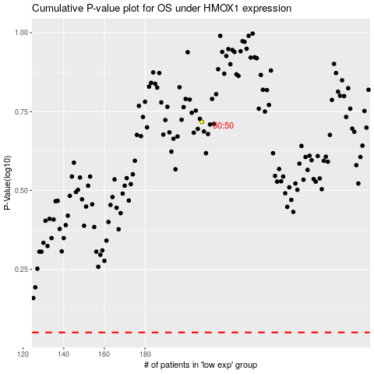

 |  |  |  |  |  | cases_OS | p_OS | rank | exp
 |  |  |  |  |  |  | cases_RFS | p_RFS | rank | exp

