HMOX2 _multivariate
Reported by Tex Li-Hsing Chi. tex@gate.sinica.edu.tw 2019-08-19

Table 2. The clinicopathological features of HNSCC cohort and HMOX2 expression. (Chi square test)
Cutoff at -0.107 (50.0%)
 |  | HMOX2 expression |  | HMOX2 expression |  | (Optimised)
 | Features | Low | (%) | High | (%) | Case no | P-value | Remark | Matthews
Gender | Female | 162 | 39 | 144 | 34.7 | 415 | 0.0479 | 1 | 0
2 | Male | 45 | 10.8 | 64 | 15.4
Age at diagnosis | <=65y | 141 | 34 | 133 | 32 | 415 | 0.4272 | 0 | 0
4 | >65y | 66 | 15.9 | 75 | 18.1
Clinical T Status | T1+T2 | 81 | 19.5 | 68 | 16.4 | 415 | 0.206 | 0 | 0
6 | T3+T4 | 126 | 30.4 | 140 | 33.7
Clinical N Status | N0 | 107 | 25.8 | 109 | 26.3 | 415 | 0.9624 | 0 | 0
8 | N1-3 | 100 | 24.1 | 99 | 23.9
Clinical M Status | M0 | 206 | 49.6 | 206 | 49.6 | 415 | 1 | 0 | 0
10 | M1 | 1 | 0.2 | 2 | 0.5
Clinical Stage | Stage I+II | 53 | 12.8 | 49 | 11.8 | 415 | 0.7113 | 0 | 0
12 | Stage III+IV | 154 | 37.1 | 159 | 38.3
Surgical Margin status | Negative | 156 | 37.6 | 162 | 39 | 415 | 0.5636 | 0 | 0
14 | Positive | 51 | 12.3 | 46 | 11.1
Tobacco Exposure | Low | 73 | 17.6 | 88 | 21.2 | 415 | 0.1587 | 0 | 0
16 | High | 134 | 32.3 | 120 | 28.9

Table 3. Univariate/Multivariate Cox's proportional hazards regression analyses on OS time of HMOX2 gene expression in HNSCC

 |  | Univariate |  |  |  | Multivariate
 | Features | HR | CI95%(L) | CI95%(H) | P-value | HR | CI95%(L) | CI95%(H) | P-value
1 | Female | 1 |  |  |  | 1
Gender | Male | 1.157 | 0.843 | 1.587 | 0.367 | 1.263 | 0.9 | 1.772 | 0.176
11 | <=65y | 1 |  |  |  | 1
Age at diagnosis | >65y | 1.329 | 0.99 | 1.784 | 0.058 | 1.399 | 1.029 | 1.903 | 0.032
12 | T1+T2 | 1 |  |  |  | 1
Clinical T Status | T3+T4 | 1.409 | 1.028 | 1.931 | 0.033 | 2.249 | 1.188 | 4.259 | 0.013
13 | N0 | 1 |  |  |  | 1
Clinical N Status | N1-3 | 1.185 | 0.89 | 1.577 | 0.246 | 1.235 | 0.865 | 1.763 | 0.246
14 | M0 | 1 |  |  |  | 1
Clinical M Status | M1 | 4.097 | 1.009 | 16.644 | 0.049 | 10.5 | 2.275 | 48.452 | 0.003
15 | Stage I+II | 1 |  |  |  | 1
Clinical Stage | Stage III+IV | 1.245 | 0.882 | 1.759 | 0.213 | 0.493 | 0.229 | 1.058 | 0.069
16 | Negative | 1 |  |  |  | 1
Surgical Margin status | Positive | 1.591 | 1.155 | 2.191 | 0.004 | 1.665 | 1.204 | 2.302 | 0.002
17 | Low | 1 |  |  |  | 1
Tobacco Exposure | High | 1.364 | 1.008 | 1.844 | 0.044 | 1.434 | 1.042 | 1.974 | 0.027
18 | Low | 1 |  |  |  | 1
RNAseq(z-score) | High | 0.822 | 0.616 | 1.097 | 0.183 | 0.782 | 0.581 | 1.053 | 0.105

Table 4. Univariate/Multivariate Cox's proportional hazards regression analyses on RFS time of HMOX2 gene expression in HNSCC

 |  | Univariate |  |  |  | Multivariate
 | Features | HR | CI95%(L) | CI95%(H) | P-value | HR | CI95%(L) | CI95%(H) | P-value
1 | Female | 1 |  |  |  | 1
Gender | Male | 1.157 | 0.843 | 1.587 | 0.367 | 1.263 | 0.9 | 1.772 | 0.176
11 | <=65y | 1 |  |  |  | 1
Age at diagnosis | >65y | 1.329 | 0.99 | 1.784 | 0.058 | 1.399 | 1.029 | 1.903 | 0.032
12 | T1+T2 | 1 |  |  |  | 1
Clinical T Status | T3+T4 | 1.409 | 1.028 | 1.931 | 0.033 | 2.249 | 1.188 | 4.259 | 0.013
13 | N0 | 1 |  |  |  | 1
Clinical N Status | N1-3 | 1.185 | 0.89 | 1.577 | 0.246 | 1.235 | 0.865 | 1.763 | 0.246
14 | M0 | 1 |  |  |  | 1
Clinical M Status | M1 | 4.097 | 1.009 | 16.644 | 0.049 | 10.5 | 2.275 | 48.452 | 0.003
15 | Stage I+II | 1 |  |  |  | 1
Clinical Stage | Stage III+IV | 1.245 | 0.882 | 1.759 | 0.213 | 0.493 | 0.229 | 1.058 | 0.069
16 | Negative | 1 |  |  |  | 1
Surgical Margin status | Positive | 1.591 | 1.155 | 2.191 | 0.004 | 1.665 | 1.204 | 2.302 | 0.002
17 | Low | 1 |  |  |  | 1
Tobacco Exposure | High | 1.364 | 1.008 | 1.844 | 0.044 | 1.434 | 1.042 | 1.974 | 0.027
18 | Low | 1 |  |  |  | 1
RNAseq(z-score) | High | 0.822 | 0.616 | 1.097 | 0.183 | 0.782 | 0.581 | 1.053 | 0.105

Kaplan-Meier survival estimate: Cutoff at -0.107 (50.0%)



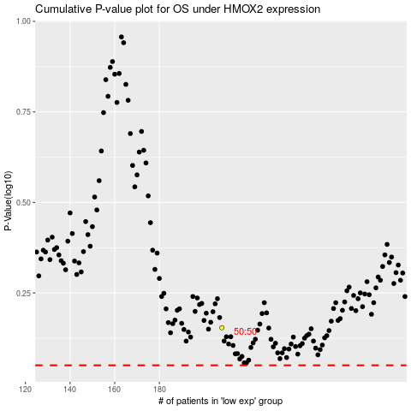

 |  |  |  |  |  | cases_OS | p_OS | rank | exp
 |  |  |  |  |  |  | cases_RFS | p_RFS | rank | exp

