HMX1 _multivariate
Reported by Tex Li-Hsing Chi. tex@gate.sinica.edu.tw 2019-08-19

Table 2. The clinicopathological features of HNSCC cohort and HMX1 expression. (Chi square test)
Cutoff at -0.241 (50.0%)
 |  | HMX1 expression |  | HMX1 expression |  | (Optimised)
 | Features | Low | (%) | High | (%) | Case no | P-value | Remark | Matthews
Gender | Female | 151 | 36.4 | 155 | 37.3 | 415 | 0.8007 | 0 | 0
2 | Male | 56 | 13.5 | 53 | 12.8
Age at diagnosis | <=65y | 131 | 31.6 | 143 | 34.5 | 415 | 0.2839 | 0 | 0
4 | >65y | 76 | 18.3 | 65 | 15.7
Clinical T Status | T1+T2 | 70 | 16.9 | 79 | 19 | 415 | 0.4343 | 0 | 0
6 | T3+T4 | 137 | 33 | 129 | 31.1
Clinical N Status | N0 | 121 | 29.2 | 95 | 22.9 | 415 | 0.0122 | 1 | 0
8 | N1-3 | 86 | 20.7 | 113 | 27.2
Clinical M Status | M0 | 207 | 49.9 | 205 | 49.4 | 415 | 0.2482 | 0 | 0
10 | M1 | 0 | 0 | 3 | 0.7
Clinical Stage | Stage I+II | 53 | 12.8 | 49 | 11.8 | 415 | 0.7113 | 0 | 0
12 | Stage III+IV | 154 | 37.1 | 159 | 38.3
Surgical Margin status | Negative | 166 | 40 | 152 | 36.6 | 415 | 0.1042 | 0 | 0
14 | Positive | 41 | 9.9 | 56 | 13.5
Tobacco Exposure | Low | 91 | 21.9 | 70 | 16.9 | 415 | 0.0346 | 1 | 0
16 | High | 116 | 28 | 138 | 33.3

Table 3. Univariate/Multivariate Cox's proportional hazards regression analyses on OS time of HMX1 gene expression in HNSCC

 |  | Univariate |  |  |  | Multivariate
 | Features | HR | CI95%(L) | CI95%(H) | P-value | HR | CI95%(L) | CI95%(H) | P-value
1 | Female | 1 |  |  |  | 1
Gender | Male | 1.157 | 0.843 | 1.587 | 0.367 | 1.207 | 0.864 | 1.688 | 0.27
11 | <=65y | 1 |  |  |  | 1
Age at diagnosis | >65y | 1.329 | 0.99 | 1.784 | 0.058 | 1.39 | 1.023 | 1.888 | 0.035
12 | T1+T2 | 1 |  |  |  | 1
Clinical T Status | T3+T4 | 1.409 | 1.028 | 1.931 | 0.033 | 2.195 | 1.161 | 4.149 | 0.016
13 | N0 | 1 |  |  |  | 1
Clinical N Status | N1-3 | 1.185 | 0.89 | 1.577 | 0.246 | 1.27 | 0.887 | 1.818 | 0.192
14 | M0 | 1 |  |  |  | 1
Clinical M Status | M1 | 4.097 | 1.009 | 16.644 | 0.049 | 10.002 | 2.168 | 46.138 | 0.003
15 | Stage I+II | 1 |  |  |  | 1
Clinical Stage | Stage III+IV | 1.245 | 0.882 | 1.759 | 0.213 | 0.499 | 0.232 | 1.07 | 0.074
16 | Negative | 1 |  |  |  | 1
Surgical Margin status | Positive | 1.591 | 1.155 | 2.191 | 0.004 | 1.703 | 1.229 | 2.36 | 0.001
17 | Low | 1 |  |  |  | 1
Tobacco Exposure | High | 1.364 | 1.008 | 1.844 | 0.044 | 1.474 | 1.068 | 2.036 | 0.018
18 | Low | 1 |  |  |  | 1
RNAseq(z-score) | High | 0.967 | 0.726 | 1.288 | 0.818 | 0.873 | 0.65 | 1.173 | 0.368

Table 4. Univariate/Multivariate Cox's proportional hazards regression analyses on RFS time of HMX1 gene expression in HNSCC

 |  | Univariate |  |  |  | Multivariate
 | Features | HR | CI95%(L) | CI95%(H) | P-value | HR | CI95%(L) | CI95%(H) | P-value
1 | Female | 1 |  |  |  | 1
Gender | Male | 1.157 | 0.843 | 1.587 | 0.367 | 1.207 | 0.864 | 1.688 | 0.27
11 | <=65y | 1 |  |  |  | 1
Age at diagnosis | >65y | 1.329 | 0.99 | 1.784 | 0.058 | 1.39 | 1.023 | 1.888 | 0.035
12 | T1+T2 | 1 |  |  |  | 1
Clinical T Status | T3+T4 | 1.409 | 1.028 | 1.931 | 0.033 | 2.195 | 1.161 | 4.149 | 0.016
13 | N0 | 1 |  |  |  | 1
Clinical N Status | N1-3 | 1.185 | 0.89 | 1.577 | 0.246 | 1.27 | 0.887 | 1.818 | 0.192
14 | M0 | 1 |  |  |  | 1
Clinical M Status | M1 | 4.097 | 1.009 | 16.644 | 0.049 | 10.002 | 2.168 | 46.138 | 0.003
15 | Stage I+II | 1 |  |  |  | 1
Clinical Stage | Stage III+IV | 1.245 | 0.882 | 1.759 | 0.213 | 0.499 | 0.232 | 1.07 | 0.074
16 | Negative | 1 |  |  |  | 1
Surgical Margin status | Positive | 1.591 | 1.155 | 2.191 | 0.004 | 1.703 | 1.229 | 2.36 | 0.001
17 | Low | 1 |  |  |  | 1
Tobacco Exposure | High | 1.364 | 1.008 | 1.844 | 0.044 | 1.474 | 1.068 | 2.036 | 0.018
18 | Low | 1 |  |  |  | 1
RNAseq(z-score) | High | 0.967 | 0.726 | 1.288 | 0.818 | 0.873 | 0.65 | 1.173 | 0.368

Kaplan-Meier survival estimate: Cutoff at -0.241 (50.0%)



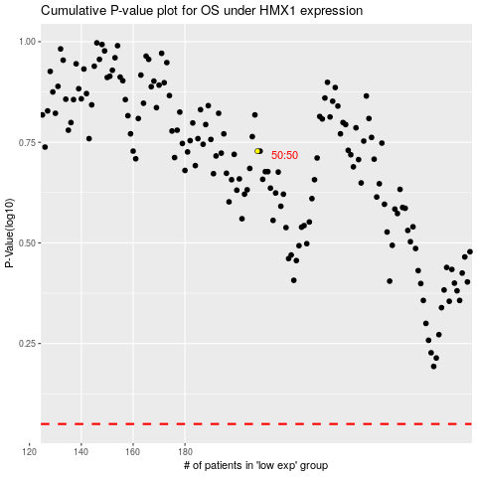

 |  |  |  |  |  | cases_OS | p_OS | rank | exp
 |  |  |  |  |  |  | cases_RFS | p_RFS | rank | exp

