HNRNPA0 _multivariate
Reported by Tex Li-Hsing Chi. tex@gate.sinica.edu.tw 2019-08-19

Table 2. The clinicopathological features of HNSCC cohort and HNRNPA0 expression. (Chi square test)
Cutoff at -0.169 (49.8%)
 |  | HNRNPA0 expression |  | HNRNPA0 expression |  | (Optimised)
 | Features | Low | (%) | High | (%) | Case no | P-value | Remark | Matthews
Gender | Female | 142 | 34.2 | 164 | 39.5 | 415 | 0.0238 | 1 | 0
2 | Male | 65 | 15.7 | 44 | 10.6
Age at diagnosis | <=65y | 130 | 31.3 | 144 | 34.7 | 415 | 0.2009 | 0 | 0
4 | >65y | 77 | 18.6 | 64 | 15.4
Clinical T Status | T1+T2 | 72 | 17.3 | 77 | 18.6 | 415 | 0.7095 | 0 | 0
6 | T3+T4 | 135 | 32.5 | 131 | 31.6
Clinical N Status | N0 | 106 | 25.5 | 110 | 26.5 | 415 | 0.8075 | 0 | 0
8 | N1-3 | 101 | 24.3 | 98 | 23.6
Clinical M Status | M0 | 205 | 49.4 | 207 | 49.9 | 415 | 0.6232 | 0 | 0
10 | M1 | 2 | 0.5 | 1 | 0.2
Clinical Stage | Stage I+II | 51 | 12.3 | 51 | 12.3 | 415 | 1 | 0 | 0
12 | Stage III+IV | 156 | 37.6 | 157 | 37.8
Surgical Margin status | Negative | 165 | 39.8 | 153 | 36.9 | 415 | 0.1639 | 0 | 0
14 | Positive | 42 | 10.1 | 55 | 13.3
Tobacco Exposure | Low | 88 | 21.2 | 73 | 17.6 | 415 | 0.1314 | 0 | 0
16 | High | 119 | 28.7 | 135 | 32.5

Table 3. Univariate/Multivariate Cox's proportional hazards regression analyses on OS time of HNRNPA0 gene expression in HNSCC

 |  | Univariate |  |  |  | Multivariate
 | Features | HR | CI95%(L) | CI95%(H) | P-value | HR | CI95%(L) | CI95%(H) | P-value
1 | Female | 1 |  |  |  | 1
Gender | Male | 1.157 | 0.843 | 1.587 | 0.367 | 1.214 | 0.864 | 1.705 | 0.264
11 | <=65y | 1 |  |  |  | 1
Age at diagnosis | >65y | 1.329 | 0.99 | 1.784 | 0.058 | 1.398 | 1.027 | 1.902 | 0.033
12 | T1+T2 | 1 |  |  |  | 1
Clinical T Status | T3+T4 | 1.409 | 1.028 | 1.931 | 0.033 | 2.211 | 1.169 | 4.184 | 0.015
13 | N0 | 1 |  |  |  | 1
Clinical N Status | N1-3 | 1.185 | 0.89 | 1.577 | 0.246 | 1.247 | 0.873 | 1.781 | 0.226
14 | M0 | 1 |  |  |  | 1
Clinical M Status | M1 | 4.097 | 1.009 | 16.644 | 0.049 | 9.599 | 2.084 | 44.22 | 0.004
15 | Stage I+II | 1 |  |  |  | 1
Clinical Stage | Stage III+IV | 1.245 | 0.882 | 1.759 | 0.213 | 0.501 | 0.233 | 1.077 | 0.077
16 | Negative | 1 |  |  |  | 1
Surgical Margin status | Positive | 1.591 | 1.155 | 2.191 | 0.004 | 1.664 | 1.202 | 2.302 | 0.002
17 | Low | 1 |  |  |  | 1
Tobacco Exposure | High | 1.364 | 1.008 | 1.844 | 0.044 | 1.453 | 1.054 | 2.002 | 0.022
18 | Low | 1 |  |  |  | 1
RNAseq(z-score) | High | 1.007 | 0.754 | 1.345 | 0.964 | 1.051 | 0.779 | 1.418 | 0.743

Table 4. Univariate/Multivariate Cox's proportional hazards regression analyses on RFS time of HNRNPA0 gene expression in HNSCC

 |  | Univariate |  |  |  | Multivariate
 | Features | HR | CI95%(L) | CI95%(H) | P-value | HR | CI95%(L) | CI95%(H) | P-value
1 | Female | 1 |  |  |  | 1
Gender | Male | 1.157 | 0.843 | 1.587 | 0.367 | 1.214 | 0.864 | 1.705 | 0.264
11 | <=65y | 1 |  |  |  | 1
Age at diagnosis | >65y | 1.329 | 0.99 | 1.784 | 0.058 | 1.398 | 1.027 | 1.902 | 0.033
12 | T1+T2 | 1 |  |  |  | 1
Clinical T Status | T3+T4 | 1.409 | 1.028 | 1.931 | 0.033 | 2.211 | 1.169 | 4.184 | 0.015
13 | N0 | 1 |  |  |  | 1
Clinical N Status | N1-3 | 1.185 | 0.89 | 1.577 | 0.246 | 1.247 | 0.873 | 1.781 | 0.226
14 | M0 | 1 |  |  |  | 1
Clinical M Status | M1 | 4.097 | 1.009 | 16.644 | 0.049 | 9.599 | 2.084 | 44.22 | 0.004
15 | Stage I+II | 1 |  |  |  | 1
Clinical Stage | Stage III+IV | 1.245 | 0.882 | 1.759 | 0.213 | 0.501 | 0.233 | 1.077 | 0.077
16 | Negative | 1 |  |  |  | 1
Surgical Margin status | Positive | 1.591 | 1.155 | 2.191 | 0.004 | 1.664 | 1.202 | 2.302 | 0.002
17 | Low | 1 |  |  |  | 1
Tobacco Exposure | High | 1.364 | 1.008 | 1.844 | 0.044 | 1.453 | 1.054 | 2.002 | 0.022
18 | Low | 1 |  |  |  | 1
RNAseq(z-score) | High | 1.007 | 0.754 | 1.345 | 0.964 | 1.051 | 0.779 | 1.418 | 0.743

Kaplan-Meier survival estimate: Cutoff at -0.169 (49.8%)



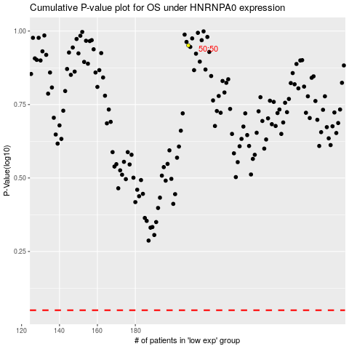

 |  |  |  |  |  | cases_OS | p_OS | rank | exp
 |  |  |  |  |  |  | cases_RFS | p_RFS | rank | exp

