HNRNPA1 _multivariate
Reported by Tex Li-Hsing Chi. tex@gate.sinica.edu.tw 2019-08-19

Table 2. The clinicopathological features of HNSCC cohort and HNRNPA1 expression. (Chi square test)
Cutoff at -0.246 (50.0%)
 |  | HNRNPA1 expression |  | HNRNPA1 expression |  | (Optimised)
 | Features | Low | (%) | High | (%) | Case no | P-value | Remark | Matthews
Gender | Female | 153 | 36.9 | 153 | 36.9 | 415 | 1 | 0 | 0
2 | Male | 54 | 13 | 55 | 13.3
Age at diagnosis | <=65y | 143 | 34.5 | 131 | 31.6 | 415 | 0.2269 | 0 | 0
4 | >65y | 64 | 15.4 | 77 | 18.6
Clinical T Status | T1+T2 | 77 | 18.6 | 72 | 17.3 | 415 | 0.6556 | 0 | 0
6 | T3+T4 | 130 | 31.3 | 136 | 32.8
Clinical N Status | N0 | 104 | 25.1 | 112 | 27 | 415 | 0.5243 | 0 | 0
8 | N1-3 | 103 | 24.8 | 96 | 23.1
Clinical M Status | M0 | 206 | 49.6 | 206 | 49.6 | 415 | 1 | 0 | 0
10 | M1 | 1 | 0.2 | 2 | 0.5
Clinical Stage | Stage I+II | 51 | 12.3 | 51 | 12.3 | 415 | 1 | 0 | 0
12 | Stage III+IV | 156 | 37.6 | 157 | 37.8
Surgical Margin status | Negative | 170 | 41 | 148 | 35.7 | 415 | 0.0105 | 1 | 0
14 | Positive | 37 | 8.9 | 60 | 14.5
Tobacco Exposure | Low | 80 | 19.3 | 81 | 19.5 | 415 | 1 | 0 | 0
16 | High | 127 | 30.6 | 127 | 30.6

Table 3. Univariate/Multivariate Cox's proportional hazards regression analyses on OS time of HNRNPA1 gene expression in HNSCC

 |  | Univariate |  |  |  | Multivariate
 | Features | HR | CI95%(L) | CI95%(H) | P-value | HR | CI95%(L) | CI95%(H) | P-value
1 | Female | 1 |  |  |  | 1
Gender | Male | 1.157 | 0.843 | 1.587 | 0.367 | 1.203 | 0.861 | 1.68 | 0.28
11 | <=65y | 1 |  |  |  | 1
Age at diagnosis | >65y | 1.329 | 0.99 | 1.784 | 0.058 | 1.386 | 1.02 | 1.885 | 0.037
12 | T1+T2 | 1 |  |  |  | 1
Clinical T Status | T3+T4 | 1.409 | 1.028 | 1.931 | 0.033 | 2.198 | 1.163 | 4.154 | 0.015
13 | N0 | 1 |  |  |  | 1
Clinical N Status | N1-3 | 1.185 | 0.89 | 1.577 | 0.246 | 1.246 | 0.873 | 1.778 | 0.226
14 | M0 | 1 |  |  |  | 1
Clinical M Status | M1 | 4.097 | 1.009 | 16.644 | 0.049 | 9.263 | 2.019 | 42.511 | 0.004
15 | Stage I+II | 1 |  |  |  | 1
Clinical Stage | Stage III+IV | 1.245 | 0.882 | 1.759 | 0.213 | 0.505 | 0.236 | 1.085 | 0.08
16 | Negative | 1 |  |  |  | 1
Surgical Margin status | Positive | 1.591 | 1.155 | 2.191 | 0.004 | 1.64 | 1.177 | 2.285 | 0.003
17 | Low | 1 |  |  |  | 1
Tobacco Exposure | High | 1.364 | 1.008 | 1.844 | 0.044 | 1.45 | 1.052 | 1.998 | 0.023
18 | Low | 1 |  |  |  | 1
RNAseq(z-score) | High | 1.192 | 0.895 | 1.588 | 0.23 | 1.079 | 0.803 | 1.449 | 0.615

Table 4. Univariate/Multivariate Cox's proportional hazards regression analyses on RFS time of HNRNPA1 gene expression in HNSCC

 |  | Univariate |  |  |  | Multivariate
 | Features | HR | CI95%(L) | CI95%(H) | P-value | HR | CI95%(L) | CI95%(H) | P-value
1 | Female | 1 |  |  |  | 1
Gender | Male | 1.157 | 0.843 | 1.587 | 0.367 | 1.203 | 0.861 | 1.68 | 0.28
11 | <=65y | 1 |  |  |  | 1
Age at diagnosis | >65y | 1.329 | 0.99 | 1.784 | 0.058 | 1.386 | 1.02 | 1.885 | 0.037
12 | T1+T2 | 1 |  |  |  | 1
Clinical T Status | T3+T4 | 1.409 | 1.028 | 1.931 | 0.033 | 2.198 | 1.163 | 4.154 | 0.015
13 | N0 | 1 |  |  |  | 1
Clinical N Status | N1-3 | 1.185 | 0.89 | 1.577 | 0.246 | 1.246 | 0.873 | 1.778 | 0.226
14 | M0 | 1 |  |  |  | 1
Clinical M Status | M1 | 4.097 | 1.009 | 16.644 | 0.049 | 9.263 | 2.019 | 42.511 | 0.004
15 | Stage I+II | 1 |  |  |  | 1
Clinical Stage | Stage III+IV | 1.245 | 0.882 | 1.759 | 0.213 | 0.505 | 0.236 | 1.085 | 0.08
16 | Negative | 1 |  |  |  | 1
Surgical Margin status | Positive | 1.591 | 1.155 | 2.191 | 0.004 | 1.64 | 1.177 | 2.285 | 0.003
17 | Low | 1 |  |  |  | 1
Tobacco Exposure | High | 1.364 | 1.008 | 1.844 | 0.044 | 1.45 | 1.052 | 1.998 | 0.023
18 | Low | 1 |  |  |  | 1
RNAseq(z-score) | High | 1.192 | 0.895 | 1.588 | 0.23 | 1.079 | 0.803 | 1.449 | 0.615

Kaplan-Meier survival estimate: Cutoff at -0.246 (50.0%)



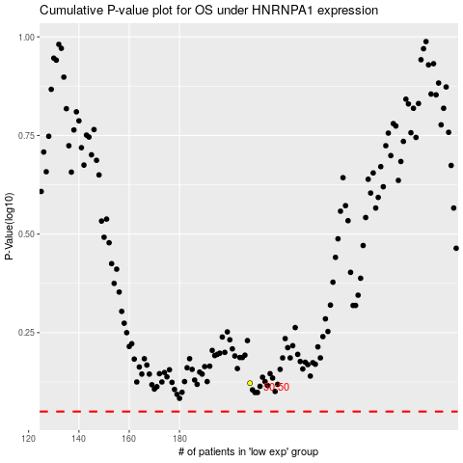

 |  |  |  |  |  | cases_OS | p_OS | rank | exp
 |  |  |  |  |  |  | cases_RFS | p_RFS | rank | exp

