HNRNPA3 _multivariate
Reported by Tex Li-Hsing Chi. tex@gate.sinica.edu.tw 2019-08-19

Table 2. The clinicopathological features of HNSCC cohort and HNRNPA3 expression. (Chi square test)
Cutoff at -0.277 (49.8%)
 |  | HNRNPA3 expression |  | HNRNPA3 expression |  | (Optimised)
 | Features | Low | (%) | High | (%) | Case no | P-value | Remark | Matthews
Gender | Female | 145 | 34.9 | 161 | 38.8 | 415 | 0.1116 | 0 | 0
2 | Male | 62 | 14.9 | 47 | 11.3
Age at diagnosis | <=65y | 138 | 33.3 | 136 | 32.8 | 415 | 0.8634 | 0 | 0
4 | >65y | 69 | 16.6 | 72 | 17.3
Clinical T Status | T1+T2 | 75 | 18.1 | 74 | 17.8 | 415 | 0.9707 | 0 | 0
6 | T3+T4 | 132 | 31.8 | 134 | 32.3
Clinical N Status | N0 | 108 | 26 | 108 | 26 | 415 | 1 | 0 | 0
8 | N1-3 | 99 | 23.9 | 100 | 24.1
Clinical M Status | M0 | 206 | 49.6 | 206 | 49.6 | 415 | 1 | 0 | 0
10 | M1 | 1 | 0.2 | 2 | 0.5
Clinical Stage | Stage I+II | 56 | 13.5 | 46 | 11.1 | 415 | 0.2918 | 0 | 0
12 | Stage III+IV | 151 | 36.4 | 162 | 39
Surgical Margin status | Negative | 168 | 40.5 | 150 | 36.1 | 415 | 0.0366 | 1 | 0
14 | Positive | 39 | 9.4 | 58 | 14
Tobacco Exposure | Low | 90 | 21.7 | 71 | 17.1 | 415 | 0.0559 | 0 | 0
16 | High | 117 | 28.2 | 137 | 33

Table 3. Univariate/Multivariate Cox's proportional hazards regression analyses on OS time of HNRNPA3 gene expression in HNSCC

 |  | Univariate |  |  |  | Multivariate
 | Features | HR | CI95%(L) | CI95%(H) | P-value | HR | CI95%(L) | CI95%(H) | P-value
1 | Female | 1 |  |  |  | 1
Gender | Male | 1.157 | 0.843 | 1.587 | 0.367 | 1.192 | 0.853 | 1.667 | 0.304
11 | <=65y | 1 |  |  |  | 1
Age at diagnosis | >65y | 1.329 | 0.99 | 1.784 | 0.058 | 1.401 | 1.03 | 1.906 | 0.032
12 | T1+T2 | 1 |  |  |  | 1
Clinical T Status | T3+T4 | 1.409 | 1.028 | 1.931 | 0.033 | 2.181 | 1.152 | 4.13 | 0.017
13 | N0 | 1 |  |  |  | 1
Clinical N Status | N1-3 | 1.185 | 0.89 | 1.577 | 0.246 | 1.233 | 0.863 | 1.76 | 0.25
14 | M0 | 1 |  |  |  | 1
Clinical M Status | M1 | 4.097 | 1.009 | 16.644 | 0.049 | 9.399 | 2.05 | 43.083 | 0.004
15 | Stage I+II | 1 |  |  |  | 1
Clinical Stage | Stage III+IV | 1.245 | 0.882 | 1.759 | 0.213 | 0.517 | 0.24 | 1.117 | 0.093
16 | Negative | 1 |  |  |  | 1
Surgical Margin status | Positive | 1.591 | 1.155 | 2.191 | 0.004 | 1.688 | 1.219 | 2.337 | 0.002
17 | Low | 1 |  |  |  | 1
Tobacco Exposure | High | 1.364 | 1.008 | 1.844 | 0.044 | 1.457 | 1.057 | 2.007 | 0.021
18 | Low | 1 |  |  |  | 1
RNAseq(z-score) | High | 0.995 | 0.746 | 1.326 | 0.973 | 0.927 | 0.689 | 1.246 | 0.613

Table 4. Univariate/Multivariate Cox's proportional hazards regression analyses on RFS time of HNRNPA3 gene expression in HNSCC

 |  | Univariate |  |  |  | Multivariate
 | Features | HR | CI95%(L) | CI95%(H) | P-value | HR | CI95%(L) | CI95%(H) | P-value
1 | Female | 1 |  |  |  | 1
Gender | Male | 1.157 | 0.843 | 1.587 | 0.367 | 1.192 | 0.853 | 1.667 | 0.304
11 | <=65y | 1 |  |  |  | 1
Age at diagnosis | >65y | 1.329 | 0.99 | 1.784 | 0.058 | 1.401 | 1.03 | 1.906 | 0.032
12 | T1+T2 | 1 |  |  |  | 1
Clinical T Status | T3+T4 | 1.409 | 1.028 | 1.931 | 0.033 | 2.181 | 1.152 | 4.13 | 0.017
13 | N0 | 1 |  |  |  | 1
Clinical N Status | N1-3 | 1.185 | 0.89 | 1.577 | 0.246 | 1.233 | 0.863 | 1.76 | 0.25
14 | M0 | 1 |  |  |  | 1
Clinical M Status | M1 | 4.097 | 1.009 | 16.644 | 0.049 | 9.399 | 2.05 | 43.083 | 0.004
15 | Stage I+II | 1 |  |  |  | 1
Clinical Stage | Stage III+IV | 1.245 | 0.882 | 1.759 | 0.213 | 0.517 | 0.24 | 1.117 | 0.093
16 | Negative | 1 |  |  |  | 1
Surgical Margin status | Positive | 1.591 | 1.155 | 2.191 | 0.004 | 1.688 | 1.219 | 2.337 | 0.002
17 | Low | 1 |  |  |  | 1
Tobacco Exposure | High | 1.364 | 1.008 | 1.844 | 0.044 | 1.457 | 1.057 | 2.007 | 0.021
18 | Low | 1 |  |  |  | 1
RNAseq(z-score) | High | 0.995 | 0.746 | 1.326 | 0.973 | 0.927 | 0.689 | 1.246 | 0.613

Kaplan-Meier survival estimate: Cutoff at -0.277 (49.8%)



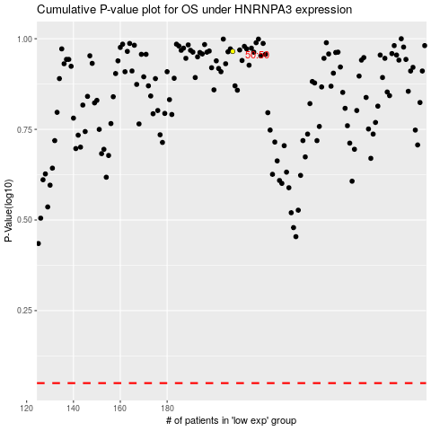

 |  |  |  |  |  | cases_OS | p_OS | rank | exp
 |  |  |  |  |  |  | cases_RFS | p_RFS | rank | exp

