HNRNPA3P1 _multivariate
Reported by Tex Li-Hsing Chi. tex@gate.sinica.edu.tw 2019-08-19

Table 2. The clinicopathological features of HNSCC cohort and HNRNPA3P1 expression. (Chi square test)
Cutoff at -0.146 (49.8%)
 |  | HNRNPA3P1 expression |  | HNRNPA3P1 expression |  | (Optimised)
 | Features | Low | (%) | High | (%) | Case no | P-value | Remark | Matthews
Gender | Female | 148 | 35.7 | 158 | 38.1 | 415 | 0.3567 | 0 | 0
2 | Male | 59 | 14.2 | 50 | 12
Age at diagnosis | <=65y | 139 | 33.5 | 135 | 32.5 | 415 | 0.7044 | 0 | 0
4 | >65y | 68 | 16.4 | 73 | 17.6
Clinical T Status | T1+T2 | 76 | 18.3 | 73 | 17.6 | 415 | 0.8092 | 0 | 0
6 | T3+T4 | 131 | 31.6 | 135 | 32.5
Clinical N Status | N0 | 109 | 26.3 | 107 | 25.8 | 415 | 0.8812 | 0 | 0
8 | N1-3 | 98 | 23.6 | 101 | 24.3
Clinical M Status | M0 | 205 | 49.4 | 207 | 49.9 | 415 | 0.6232 | 0 | 0
10 | M1 | 2 | 0.5 | 1 | 0.2
Clinical Stage | Stage I+II | 56 | 13.5 | 46 | 11.1 | 415 | 0.2918 | 0 | 0
12 | Stage III+IV | 151 | 36.4 | 162 | 39
Surgical Margin status | Negative | 173 | 41.7 | 145 | 34.9 | 415 | 0.0011 | 1 | 0
14 | Positive | 34 | 8.2 | 63 | 15.2
Tobacco Exposure | Low | 83 | 20 | 78 | 18.8 | 415 | 0.6152 | 0 | 0
16 | High | 124 | 29.9 | 130 | 31.3

Table 3. Univariate/Multivariate Cox's proportional hazards regression analyses on OS time of HNRNPA3P1 gene expression in HNSCC

 |  | Univariate |  |  |  | Multivariate
 | Features | HR | CI95%(L) | CI95%(H) | P-value | HR | CI95%(L) | CI95%(H) | P-value
1 | Female | 1 |  |  |  | 1
Gender | Male | 1.157 | 0.843 | 1.587 | 0.367 | 1.2 | 0.859 | 1.677 | 0.286
11 | <=65y | 1 |  |  |  | 1
Age at diagnosis | >65y | 1.329 | 0.99 | 1.784 | 0.058 | 1.392 | 1.024 | 1.893 | 0.035
12 | T1+T2 | 1 |  |  |  | 1
Clinical T Status | T3+T4 | 1.409 | 1.028 | 1.931 | 0.033 | 2.22 | 1.172 | 4.204 | 0.014
13 | N0 | 1 |  |  |  | 1
Clinical N Status | N1-3 | 1.185 | 0.89 | 1.577 | 0.246 | 1.247 | 0.873 | 1.782 | 0.225
14 | M0 | 1 |  |  |  | 1
Clinical M Status | M1 | 4.097 | 1.009 | 16.644 | 0.049 | 9.507 | 2.072 | 43.634 | 0.004
15 | Stage I+II | 1 |  |  |  | 1
Clinical Stage | Stage III+IV | 1.245 | 0.882 | 1.759 | 0.213 | 0.496 | 0.23 | 1.071 | 0.074
16 | Negative | 1 |  |  |  | 1
Surgical Margin status | Positive | 1.591 | 1.155 | 2.191 | 0.004 | 1.653 | 1.189 | 2.298 | 0.003
17 | Low | 1 |  |  |  | 1
Tobacco Exposure | High | 1.364 | 1.008 | 1.844 | 0.044 | 1.452 | 1.054 | 2.001 | 0.023
18 | Low | 1 |  |  |  | 1
RNAseq(z-score) | High | 1.124 | 0.843 | 1.498 | 0.425 | 1.054 | 0.783 | 1.417 | 0.73

Table 4. Univariate/Multivariate Cox's proportional hazards regression analyses on RFS time of HNRNPA3P1 gene expression in HNSCC

 |  | Univariate |  |  |  | Multivariate
 | Features | HR | CI95%(L) | CI95%(H) | P-value | HR | CI95%(L) | CI95%(H) | P-value
1 | Female | 1 |  |  |  | 1
Gender | Male | 1.157 | 0.843 | 1.587 | 0.367 | 1.2 | 0.859 | 1.677 | 0.286
11 | <=65y | 1 |  |  |  | 1
Age at diagnosis | >65y | 1.329 | 0.99 | 1.784 | 0.058 | 1.392 | 1.024 | 1.893 | 0.035
12 | T1+T2 | 1 |  |  |  | 1
Clinical T Status | T3+T4 | 1.409 | 1.028 | 1.931 | 0.033 | 2.22 | 1.172 | 4.204 | 0.014
13 | N0 | 1 |  |  |  | 1
Clinical N Status | N1-3 | 1.185 | 0.89 | 1.577 | 0.246 | 1.247 | 0.873 | 1.782 | 0.225
14 | M0 | 1 |  |  |  | 1
Clinical M Status | M1 | 4.097 | 1.009 | 16.644 | 0.049 | 9.507 | 2.072 | 43.634 | 0.004
15 | Stage I+II | 1 |  |  |  | 1
Clinical Stage | Stage III+IV | 1.245 | 0.882 | 1.759 | 0.213 | 0.496 | 0.23 | 1.071 | 0.074
16 | Negative | 1 |  |  |  | 1
Surgical Margin status | Positive | 1.591 | 1.155 | 2.191 | 0.004 | 1.653 | 1.189 | 2.298 | 0.003
17 | Low | 1 |  |  |  | 1
Tobacco Exposure | High | 1.364 | 1.008 | 1.844 | 0.044 | 1.452 | 1.054 | 2.001 | 0.023
18 | Low | 1 |  |  |  | 1
RNAseq(z-score) | High | 1.124 | 0.843 | 1.498 | 0.425 | 1.054 | 0.783 | 1.417 | 0.73

Kaplan-Meier survival estimate: Cutoff at -0.146 (49.8%)



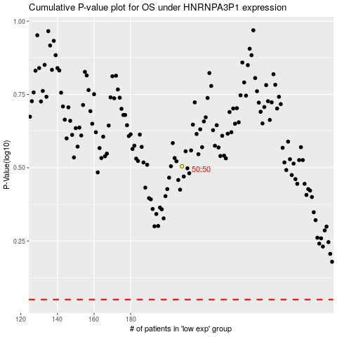

 |  |  |  |  |  | cases_OS | p_OS | rank | exp
 |  |  |  |  |  |  | cases_RFS | p_RFS | rank | exp

