HNRNPAB _multivariate
Reported by Tex Li-Hsing Chi. tex@gate.sinica.edu.tw 2019-08-19

Table 2. The clinicopathological features of HNSCC cohort and HNRNPAB expression. (Chi square test)
Cutoff at -0.212 (49.8%)
 |  | HNRNPAB expression |  | HNRNPAB expression |  | (Optimised)
 | Features | Low | (%) | High | (%) | Case no | P-value | Remark | Matthews
Gender | Female | 153 | 36.9 | 153 | 36.9 | 415 | 1 | 0 | 0
2 | Male | 54 | 13 | 55 | 13.3
Age at diagnosis | <=65y | 142 | 34.2 | 132 | 31.8 | 415 | 0.3167 | 0 | 0
4 | >65y | 65 | 15.7 | 76 | 18.3
Clinical T Status | T1+T2 | 69 | 16.6 | 80 | 19.3 | 415 | 0.3239 | 0 | 0
6 | T3+T4 | 138 | 33.3 | 128 | 30.8
Clinical N Status | N0 | 100 | 24.1 | 116 | 28 | 415 | 0.1548 | 0 | 0
8 | N1-3 | 107 | 25.8 | 92 | 22.2
Clinical M Status | M0 | 207 | 49.9 | 205 | 49.4 | 415 | 0.2482 | 0 | 0
10 | M1 | 0 | 0 | 3 | 0.7
Clinical Stage | Stage I+II | 51 | 12.3 | 51 | 12.3 | 415 | 1 | 0 | 0
12 | Stage III+IV | 156 | 37.6 | 157 | 37.8
Surgical Margin status | Negative | 169 | 40.7 | 149 | 35.9 | 415 | 0.0201 | 1 | 0
14 | Positive | 38 | 9.2 | 59 | 14.2
Tobacco Exposure | Low | 74 | 17.8 | 87 | 21 | 415 | 0.227 | 0 | 0
16 | High | 133 | 32 | 121 | 29.2

Table 3. Univariate/Multivariate Cox's proportional hazards regression analyses on OS time of HNRNPAB gene expression in HNSCC

 |  | Univariate |  |  |  | Multivariate
 | Features | HR | CI95%(L) | CI95%(H) | P-value | HR | CI95%(L) | CI95%(H) | P-value
1 | Female | 1 |  |  |  | 1
Gender | Male | 1.157 | 0.843 | 1.587 | 0.367 | 1.197 | 0.855 | 1.674 | 0.294
11 | <=65y | 1 |  |  |  | 1
Age at diagnosis | >65y | 1.329 | 0.99 | 1.784 | 0.058 | 1.379 | 1.014 | 1.876 | 0.041
12 | T1+T2 | 1 |  |  |  | 1
Clinical T Status | T3+T4 | 1.409 | 1.028 | 1.931 | 0.033 | 2.252 | 1.19 | 4.264 | 0.013
13 | N0 | 1 |  |  |  | 1
Clinical N Status | N1-3 | 1.185 | 0.89 | 1.577 | 0.246 | 1.267 | 0.887 | 1.81 | 0.194
14 | M0 | 1 |  |  |  | 1
Clinical M Status | M1 | 4.097 | 1.009 | 16.644 | 0.049 | 8.704 | 1.888 | 40.12 | 0.006
15 | Stage I+II | 1 |  |  |  | 1
Clinical Stage | Stage III+IV | 1.245 | 0.882 | 1.759 | 0.213 | 0.493 | 0.229 | 1.059 | 0.07
16 | Negative | 1 |  |  |  | 1
Surgical Margin status | Positive | 1.591 | 1.155 | 2.191 | 0.004 | 1.612 | 1.16 | 2.24 | 0.004
17 | Low | 1 |  |  |  | 1
Tobacco Exposure | High | 1.364 | 1.008 | 1.844 | 0.044 | 1.474 | 1.067 | 2.035 | 0.018
18 | Low | 1 |  |  |  | 1
RNAseq(z-score) | High | 1.239 | 0.93 | 1.651 | 0.143 | 1.186 | 0.88 | 1.598 | 0.262

Table 4. Univariate/Multivariate Cox's proportional hazards regression analyses on RFS time of HNRNPAB gene expression in HNSCC

 |  | Univariate |  |  |  | Multivariate
 | Features | HR | CI95%(L) | CI95%(H) | P-value | HR | CI95%(L) | CI95%(H) | P-value
1 | Female | 1 |  |  |  | 1
Gender | Male | 1.157 | 0.843 | 1.587 | 0.367 | 1.197 | 0.855 | 1.674 | 0.294
11 | <=65y | 1 |  |  |  | 1
Age at diagnosis | >65y | 1.329 | 0.99 | 1.784 | 0.058 | 1.379 | 1.014 | 1.876 | 0.041
12 | T1+T2 | 1 |  |  |  | 1
Clinical T Status | T3+T4 | 1.409 | 1.028 | 1.931 | 0.033 | 2.252 | 1.19 | 4.264 | 0.013
13 | N0 | 1 |  |  |  | 1
Clinical N Status | N1-3 | 1.185 | 0.89 | 1.577 | 0.246 | 1.267 | 0.887 | 1.81 | 0.194
14 | M0 | 1 |  |  |  | 1
Clinical M Status | M1 | 4.097 | 1.009 | 16.644 | 0.049 | 8.704 | 1.888 | 40.12 | 0.006
15 | Stage I+II | 1 |  |  |  | 1
Clinical Stage | Stage III+IV | 1.245 | 0.882 | 1.759 | 0.213 | 0.493 | 0.229 | 1.059 | 0.07
16 | Negative | 1 |  |  |  | 1
Surgical Margin status | Positive | 1.591 | 1.155 | 2.191 | 0.004 | 1.612 | 1.16 | 2.24 | 0.004
17 | Low | 1 |  |  |  | 1
Tobacco Exposure | High | 1.364 | 1.008 | 1.844 | 0.044 | 1.474 | 1.067 | 2.035 | 0.018
18 | Low | 1 |  |  |  | 1
RNAseq(z-score) | High | 1.239 | 0.93 | 1.651 | 0.143 | 1.186 | 0.88 | 1.598 | 0.262

Kaplan-Meier survival estimate: Cutoff at -0.212 (49.8%)

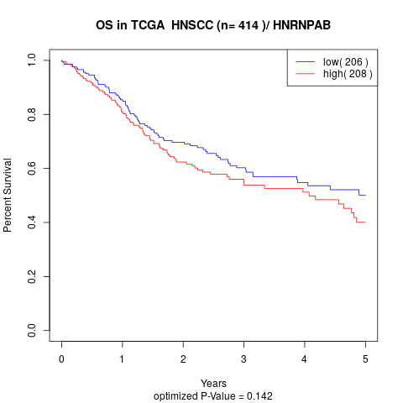

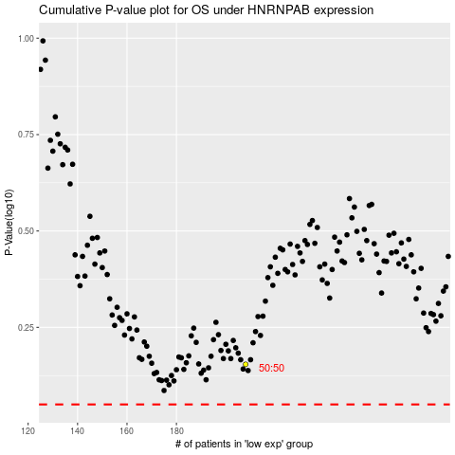

 |  |  |  |  |  | cases_OS | p_OS | rank | exp
 |  |  |  |  |  |  | cases_RFS | p_RFS | rank | exp

