HNRNPH2 _multivariate
Reported by Tex Li-Hsing Chi. tex@gate.sinica.edu.tw 2019-08-19

Table 2. The clinicopathological features of HNSCC cohort and HNRNPH2 expression. (Chi square test)
Cutoff at -0.167 (50.0%)
 |  | HNRNPH2 expression |  | HNRNPH2 expression |  | (Optimised)
 | Features | Low | (%) | High | (%) | Case no | P-value | Remark | Matthews
Gender | Female | 155 | 37.3 | 151 | 36.4 | 415 | 0.6768 | 0 | 0
2 | Male | 52 | 12.5 | 57 | 13.7
Age at diagnosis | <=65y | 131 | 31.6 | 143 | 34.5 | 415 | 0.2839 | 0 | 0
4 | >65y | 76 | 18.3 | 65 | 15.7
Clinical T Status | T1+T2 | 80 | 19.3 | 69 | 16.6 | 415 | 0.2891 | 0 | 0
6 | T3+T4 | 127 | 30.6 | 139 | 33.5
Clinical N Status | N0 | 108 | 26 | 108 | 26 | 415 | 1 | 0 | 0
8 | N1-3 | 99 | 23.9 | 100 | 24.1
Clinical M Status | M0 | 205 | 49.4 | 207 | 49.9 | 415 | 0.6232 | 0 | 0
10 | M1 | 2 | 0.5 | 1 | 0.2
Clinical Stage | Stage I+II | 54 | 13 | 48 | 11.6 | 415 | 0.5498 | 0 | 0
12 | Stage III+IV | 153 | 36.9 | 160 | 38.6
Surgical Margin status | Negative | 161 | 38.8 | 157 | 37.8 | 415 | 0.6429 | 0 | 0
14 | Positive | 46 | 11.1 | 51 | 12.3
Tobacco Exposure | Low | 72 | 17.3 | 89 | 21.4 | 415 | 0.1071 | 0 | 0
16 | High | 135 | 32.5 | 119 | 28.7

Table 3. Univariate/Multivariate Cox's proportional hazards regression analyses on OS time of HNRNPH2 gene expression in HNSCC

 |  | Univariate |  |  |  | Multivariate
 | Features | HR | CI95%(L) | CI95%(H) | P-value | HR | CI95%(L) | CI95%(H) | P-value
1 | Female | 1 |  |  |  | 1
Gender | Male | 1.157 | 0.843 | 1.587 | 0.367 | 1.175 | 0.841 | 1.641 | 0.345
11 | <=65y | 1 |  |  |  | 1
Age at diagnosis | >65y | 1.329 | 0.99 | 1.784 | 0.058 | 1.449 | 1.062 | 1.976 | 0.019
12 | T1+T2 | 1 |  |  |  | 1
Clinical T Status | T3+T4 | 1.409 | 1.028 | 1.931 | 0.033 | 2.183 | 1.154 | 4.128 | 0.016
13 | N0 | 1 |  |  |  | 1
Clinical N Status | N1-3 | 1.185 | 0.89 | 1.577 | 0.246 | 1.263 | 0.884 | 1.803 | 0.199
14 | M0 | 1 |  |  |  | 1
Clinical M Status | M1 | 4.097 | 1.009 | 16.644 | 0.049 | 9.54 | 2.08 | 43.75 | 0.004
15 | Stage I+II | 1 |  |  |  | 1
Clinical Stage | Stage III+IV | 1.245 | 0.882 | 1.759 | 0.213 | 0.489 | 0.227 | 1.052 | 0.067
16 | Negative | 1 |  |  |  | 1
Surgical Margin status | Positive | 1.591 | 1.155 | 2.191 | 0.004 | 1.633 | 1.181 | 2.259 | 0.003
17 | Low | 1 |  |  |  | 1
Tobacco Exposure | High | 1.364 | 1.008 | 1.844 | 0.044 | 1.504 | 1.091 | 2.075 | 0.013
18 | Low | 1 |  |  |  | 1
RNAseq(z-score) | High | 1.296 | 0.971 | 1.73 | 0.078 | 1.319 | 0.983 | 1.771 | 0.065

Table 4. Univariate/Multivariate Cox's proportional hazards regression analyses on RFS time of HNRNPH2 gene expression in HNSCC

 |  | Univariate |  |  |  | Multivariate
 | Features | HR | CI95%(L) | CI95%(H) | P-value | HR | CI95%(L) | CI95%(H) | P-value
1 | Female | 1 |  |  |  | 1
Gender | Male | 1.157 | 0.843 | 1.587 | 0.367 | 1.175 | 0.841 | 1.641 | 0.345
11 | <=65y | 1 |  |  |  | 1
Age at diagnosis | >65y | 1.329 | 0.99 | 1.784 | 0.058 | 1.449 | 1.062 | 1.976 | 0.019
12 | T1+T2 | 1 |  |  |  | 1
Clinical T Status | T3+T4 | 1.409 | 1.028 | 1.931 | 0.033 | 2.183 | 1.154 | 4.128 | 0.016
13 | N0 | 1 |  |  |  | 1
Clinical N Status | N1-3 | 1.185 | 0.89 | 1.577 | 0.246 | 1.263 | 0.884 | 1.803 | 0.199
14 | M0 | 1 |  |  |  | 1
Clinical M Status | M1 | 4.097 | 1.009 | 16.644 | 0.049 | 9.54 | 2.08 | 43.75 | 0.004
15 | Stage I+II | 1 |  |  |  | 1
Clinical Stage | Stage III+IV | 1.245 | 0.882 | 1.759 | 0.213 | 0.489 | 0.227 | 1.052 | 0.067
16 | Negative | 1 |  |  |  | 1
Surgical Margin status | Positive | 1.591 | 1.155 | 2.191 | 0.004 | 1.633 | 1.181 | 2.259 | 0.003
17 | Low | 1 |  |  |  | 1
Tobacco Exposure | High | 1.364 | 1.008 | 1.844 | 0.044 | 1.504 | 1.091 | 2.075 | 0.013
18 | Low | 1 |  |  |  | 1
RNAseq(z-score) | High | 1.296 | 0.971 | 1.73 | 0.078 | 1.319 | 0.983 | 1.771 | 0.065

Kaplan-Meier survival estimate: Cutoff at -0.167 (50.0%)



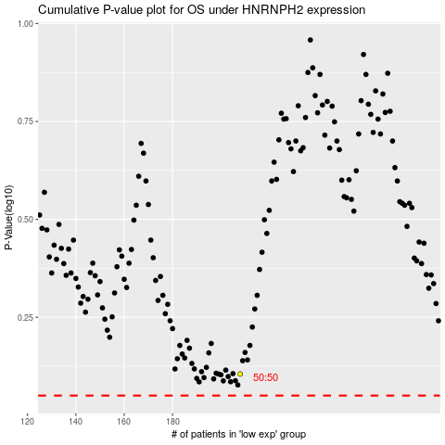

 |  |  |  |  |  | cases_OS | p_OS | rank | exp
 |  |  |  |  |  |  | cases_RFS | p_RFS | rank | exp

