HNRNPL _multivariate
Reported by Tex Li-Hsing Chi. tex@gate.sinica.edu.tw 2019-08-19

Table 2. The clinicopathological features of HNSCC cohort and HNRNPL expression. (Chi square test)
Cutoff at -0.091 (49.8%)
 |  | HNRNPL expression |  | HNRNPL expression |  | (Optimised)
 | Features | Low | (%) | High | (%) | Case no | P-value | Remark | Matthews
Gender | Female | 143 | 34.5 | 163 | 39.3 | 415 | 0.0416 | 1 | 0
2 | Male | 64 | 15.4 | 45 | 10.8
Age at diagnosis | <=65y | 144 | 34.7 | 130 | 31.3 | 415 | 0.1568 | 0 | 0
4 | >65y | 63 | 15.2 | 78 | 18.8
Clinical T Status | T1+T2 | 87 | 21 | 62 | 14.9 | 415 | 0.0127 | 1 | 0
6 | T3+T4 | 120 | 28.9 | 146 | 35.2
Clinical N Status | N0 | 115 | 27.7 | 101 | 24.3 | 415 | 0.184 | 1 | 0
8 | N1-3 | 92 | 22.2 | 107 | 25.8
Clinical M Status | M0 | 205 | 49.4 | 207 | 49.9 | 415 | 0.6232 | 0 | 0
10 | M1 | 2 | 0.5 | 1 | 0.2
Clinical Stage | Stage I+II | 66 | 15.9 | 36 | 8.7 | 415 | 9e-04 | 1 | 0
12 | Stage III+IV | 141 | 34 | 172 | 41.4
Surgical Margin status | Negative | 162 | 39 | 156 | 37.6 | 415 | 0.4867 | 0 | 0
14 | Positive | 45 | 10.8 | 52 | 12.5
Tobacco Exposure | Low | 86 | 20.7 | 75 | 18.1 | 415 | 0.2687 | 0 | 0
16 | High | 121 | 29.2 | 133 | 32

Table 3. Univariate/Multivariate Cox's proportional hazards regression analyses on OS time of HNRNPL gene expression in HNSCC

 |  | Univariate |  |  |  | Multivariate
 | Features | HR | CI95%(L) | CI95%(H) | P-value | HR | CI95%(L) | CI95%(H) | P-value
1 | Female | 1 |  |  |  | 1
Gender | Male | 1.157 | 0.843 | 1.587 | 0.367 | 1.208 | 0.862 | 1.692 | 0.272
11 | <=65y | 1 |  |  |  | 1
Age at diagnosis | >65y | 1.329 | 0.99 | 1.784 | 0.058 | 1.387 | 1.019 | 1.888 | 0.038
12 | T1+T2 | 1 |  |  |  | 1
Clinical T Status | T3+T4 | 1.409 | 1.028 | 1.931 | 0.033 | 2.207 | 1.167 | 4.174 | 0.015
13 | N0 | 1 |  |  |  | 1
Clinical N Status | N1-3 | 1.185 | 0.89 | 1.577 | 0.246 | 1.238 | 0.867 | 1.768 | 0.24
14 | M0 | 1 |  |  |  | 1
Clinical M Status | M1 | 4.097 | 1.009 | 16.644 | 0.049 | 9.501 | 2.068 | 43.661 | 0.004
15 | Stage I+II | 1 |  |  |  | 1
Clinical Stage | Stage III+IV | 1.245 | 0.882 | 1.759 | 0.213 | 0.5 | 0.232 | 1.077 | 0.077
16 | Negative | 1 |  |  |  | 1
Surgical Margin status | Positive | 1.591 | 1.155 | 2.191 | 0.004 | 1.67 | 1.209 | 2.308 | 0.002
17 | Low | 1 |  |  |  | 1
Tobacco Exposure | High | 1.364 | 1.008 | 1.844 | 0.044 | 1.451 | 1.053 | 1.999 | 0.023
18 | Low | 1 |  |  |  | 1
RNAseq(z-score) | High | 1.095 | 0.822 | 1.459 | 0.533 | 1.036 | 0.767 | 1.399 | 0.819

Table 4. Univariate/Multivariate Cox's proportional hazards regression analyses on RFS time of HNRNPL gene expression in HNSCC

 |  | Univariate |  |  |  | Multivariate
 | Features | HR | CI95%(L) | CI95%(H) | P-value | HR | CI95%(L) | CI95%(H) | P-value
1 | Female | 1 |  |  |  | 1
Gender | Male | 1.157 | 0.843 | 1.587 | 0.367 | 1.208 | 0.862 | 1.692 | 0.272
11 | <=65y | 1 |  |  |  | 1
Age at diagnosis | >65y | 1.329 | 0.99 | 1.784 | 0.058 | 1.387 | 1.019 | 1.888 | 0.038
12 | T1+T2 | 1 |  |  |  | 1
Clinical T Status | T3+T4 | 1.409 | 1.028 | 1.931 | 0.033 | 2.207 | 1.167 | 4.174 | 0.015
13 | N0 | 1 |  |  |  | 1
Clinical N Status | N1-3 | 1.185 | 0.89 | 1.577 | 0.246 | 1.238 | 0.867 | 1.768 | 0.24
14 | M0 | 1 |  |  |  | 1
Clinical M Status | M1 | 4.097 | 1.009 | 16.644 | 0.049 | 9.501 | 2.068 | 43.661 | 0.004
15 | Stage I+II | 1 |  |  |  | 1
Clinical Stage | Stage III+IV | 1.245 | 0.882 | 1.759 | 0.213 | 0.5 | 0.232 | 1.077 | 0.077
16 | Negative | 1 |  |  |  | 1
Surgical Margin status | Positive | 1.591 | 1.155 | 2.191 | 0.004 | 1.67 | 1.209 | 2.308 | 0.002
17 | Low | 1 |  |  |  | 1
Tobacco Exposure | High | 1.364 | 1.008 | 1.844 | 0.044 | 1.451 | 1.053 | 1.999 | 0.023
18 | Low | 1 |  |  |  | 1
RNAseq(z-score) | High | 1.095 | 0.822 | 1.459 | 0.533 | 1.036 | 0.767 | 1.399 | 0.819

Kaplan-Meier survival estimate: Cutoff at -0.091 (49.8%)



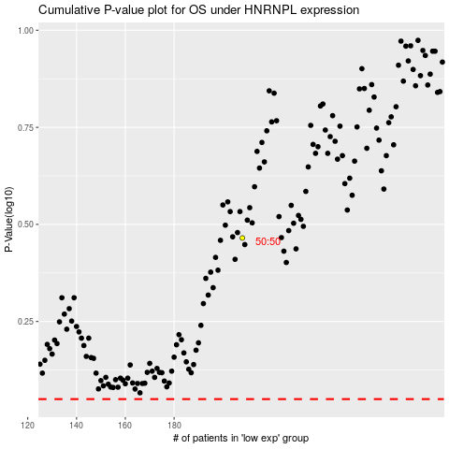

 |  |  |  |  |  | cases_OS | p_OS | rank | exp
 |  |  |  |  |  |  | cases_RFS | p_RFS | rank | exp

