HNRNPM _multivariate
Reported by Tex Li-Hsing Chi. tex@gate.sinica.edu.tw 2019-08-19

Table 2. The clinicopathological features of HNSCC cohort and HNRNPM expression. (Chi square test)
Cutoff at -0.083 (49.8%)
 |  | HNRNPM expression |  | HNRNPM expression |  | (Optimised)
 | Features | Low | (%) | High | (%) | Case no | P-value | Remark | Matthews
Gender | Female | 148 | 35.7 | 158 | 38.1 | 415 | 0.3567 | 0 | 0
2 | Male | 59 | 14.2 | 50 | 12
Age at diagnosis | <=65y | 140 | 33.7 | 134 | 32.3 | 415 | 0.5574 | 0 | 0
4 | >65y | 67 | 16.1 | 74 | 17.8
Clinical T Status | T1+T2 | 78 | 18.8 | 71 | 17.1 | 415 | 0.5152 | 0 | 0
6 | T3+T4 | 129 | 31.1 | 137 | 33
Clinical N Status | N0 | 111 | 26.7 | 105 | 25.3 | 415 | 0.5875 | 0 | 0
8 | N1-3 | 96 | 23.1 | 103 | 24.8
Clinical M Status | M0 | 206 | 49.6 | 206 | 49.6 | 415 | 1 | 0 | 0
10 | M1 | 1 | 0.2 | 2 | 0.5
Clinical Stage | Stage I+II | 58 | 14 | 44 | 10.6 | 415 | 0.131 | 0 | 0
12 | Stage III+IV | 149 | 35.9 | 164 | 39.5
Surgical Margin status | Negative | 167 | 40.2 | 151 | 36.4 | 415 | 0.0632 | 0 | 0
14 | Positive | 40 | 9.6 | 57 | 13.7
Tobacco Exposure | Low | 86 | 20.7 | 75 | 18.1 | 415 | 0.2687 | 0 | 0
16 | High | 121 | 29.2 | 133 | 32

Table 3. Univariate/Multivariate Cox's proportional hazards regression analyses on OS time of HNRNPM gene expression in HNSCC

 |  | Univariate |  |  |  | Multivariate
 | Features | HR | CI95%(L) | CI95%(H) | P-value | HR | CI95%(L) | CI95%(H) | P-value
1 | Female | 1 |  |  |  | 1
Gender | Male | 1.157 | 0.843 | 1.587 | 0.367 | 1.213 | 0.866 | 1.698 | 0.261
11 | <=65y | 1 |  |  |  | 1
Age at diagnosis | >65y | 1.329 | 0.99 | 1.784 | 0.058 | 1.38 | 1.013 | 1.879 | 0.041
12 | T1+T2 | 1 |  |  |  | 1
Clinical T Status | T3+T4 | 1.409 | 1.028 | 1.931 | 0.033 | 2.208 | 1.168 | 4.174 | 0.015
13 | N0 | 1 |  |  |  | 1
Clinical N Status | N1-3 | 1.185 | 0.89 | 1.577 | 0.246 | 1.238 | 0.868 | 1.767 | 0.239
14 | M0 | 1 |  |  |  | 1
Clinical M Status | M1 | 4.097 | 1.009 | 16.644 | 0.049 | 9.362 | 2.042 | 42.92 | 0.004
15 | Stage I+II | 1 |  |  |  | 1
Clinical Stage | Stage III+IV | 1.245 | 0.882 | 1.759 | 0.213 | 0.499 | 0.233 | 1.073 | 0.075
16 | Negative | 1 |  |  |  | 1
Surgical Margin status | Positive | 1.591 | 1.155 | 2.191 | 0.004 | 1.654 | 1.194 | 2.292 | 0.002
17 | Low | 1 |  |  |  | 1
Tobacco Exposure | High | 1.364 | 1.008 | 1.844 | 0.044 | 1.441 | 1.044 | 1.989 | 0.026
18 | Low | 1 |  |  |  | 1
RNAseq(z-score) | High | 1.199 | 0.897 | 1.602 | 0.22 | 1.079 | 0.8 | 1.457 | 0.618

Table 4. Univariate/Multivariate Cox's proportional hazards regression analyses on RFS time of HNRNPM gene expression in HNSCC

 |  | Univariate |  |  |  | Multivariate
 | Features | HR | CI95%(L) | CI95%(H) | P-value | HR | CI95%(L) | CI95%(H) | P-value
1 | Female | 1 |  |  |  | 1
Gender | Male | 1.157 | 0.843 | 1.587 | 0.367 | 1.213 | 0.866 | 1.698 | 0.261
11 | <=65y | 1 |  |  |  | 1
Age at diagnosis | >65y | 1.329 | 0.99 | 1.784 | 0.058 | 1.38 | 1.013 | 1.879 | 0.041
12 | T1+T2 | 1 |  |  |  | 1
Clinical T Status | T3+T4 | 1.409 | 1.028 | 1.931 | 0.033 | 2.208 | 1.168 | 4.174 | 0.015
13 | N0 | 1 |  |  |  | 1
Clinical N Status | N1-3 | 1.185 | 0.89 | 1.577 | 0.246 | 1.238 | 0.868 | 1.767 | 0.239
14 | M0 | 1 |  |  |  | 1
Clinical M Status | M1 | 4.097 | 1.009 | 16.644 | 0.049 | 9.362 | 2.042 | 42.92 | 0.004
15 | Stage I+II | 1 |  |  |  | 1
Clinical Stage | Stage III+IV | 1.245 | 0.882 | 1.759 | 0.213 | 0.499 | 0.233 | 1.073 | 0.075
16 | Negative | 1 |  |  |  | 1
Surgical Margin status | Positive | 1.591 | 1.155 | 2.191 | 0.004 | 1.654 | 1.194 | 2.292 | 0.002
17 | Low | 1 |  |  |  | 1
Tobacco Exposure | High | 1.364 | 1.008 | 1.844 | 0.044 | 1.441 | 1.044 | 1.989 | 0.026
18 | Low | 1 |  |  |  | 1
RNAseq(z-score) | High | 1.199 | 0.897 | 1.602 | 0.22 | 1.079 | 0.8 | 1.457 | 0.618

Kaplan-Meier survival estimate: Cutoff at -0.083 (49.8%)

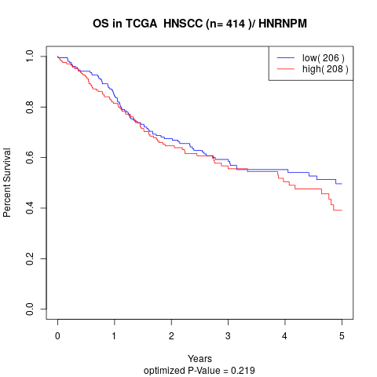

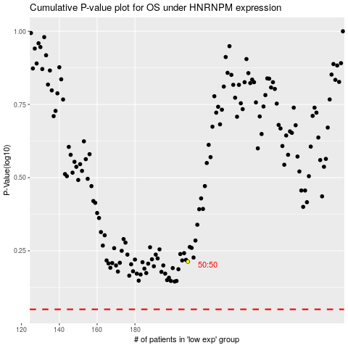

 |  |  |  |  |  | cases_OS | p_OS | rank | exp
 |  |  |  |  |  |  | cases_RFS | p_RFS | rank | exp

