HNRNPR _multivariate
Reported by Tex Li-Hsing Chi. tex@gate.sinica.edu.tw 2019-08-19

Table 2. The clinicopathological features of HNSCC cohort and HNRNPR expression. (Chi square test)
Cutoff at -0.44 (31.2%)
 |  | HNRNPR expression |  | HNRNPR expression |  | (Optimised)
 | Features | Low | (%) | High | (%) | Case no | P-value | Remark | Matthews
Gender | Female | 94 | 22.7 | 212 | 51.1 | 415 | 0.7444 | 0 | 0
2 | Male | 36 | 8.7 | 73 | 17.6
Age at diagnosis | <=65y | 82 | 19.8 | 192 | 46.3 | 415 | 0.4566 | 0 | 0
4 | >65y | 48 | 11.6 | 93 | 22.4
Clinical T Status | T1+T2 | 55 | 13.3 | 94 | 22.7 | 415 | 0.0843 | 0 | 0
6 | T3+T4 | 75 | 18.1 | 191 | 46
Clinical N Status | N0 | 71 | 17.1 | 145 | 34.9 | 415 | 0.5478 | 0 | 0
8 | N1-3 | 59 | 14.2 | 140 | 33.7
Clinical M Status | M0 | 128 | 30.8 | 284 | 68.4 | 415 | 0.2323 | 0 | 0
10 | M1 | 2 | 0.5 | 1 | 0.2
Clinical Stage | Stage I+II | 37 | 8.9 | 65 | 15.7 | 415 | 0.2636 | 0 | 0
12 | Stage III+IV | 93 | 22.4 | 220 | 53
Surgical Margin status | Negative | 100 | 24.1 | 218 | 52.5 | 415 | 1 | 0 | 0
14 | Positive | 30 | 7.2 | 67 | 16.1
Tobacco Exposure | Low | 62 | 14.9 | 99 | 23.9 | 415 | 0.0128 | 1 | 0
16 | High | 68 | 16.4 | 186 | 44.8

Table 3. Univariate/Multivariate Cox's proportional hazards regression analyses on OS time of HNRNPR gene expression in HNSCC

 |  | Univariate |  |  |  | Multivariate
 | Features | HR | CI95%(L) | CI95%(H) | P-value | HR | CI95%(L) | CI95%(H) | P-value
1 | Female | 1 |  |  |  | 1
Gender | Male | 1.157 | 0.843 | 1.587 | 0.367 | 1.193 | 0.855 | 1.665 | 0.299
11 | <=65y | 1 |  |  |  | 1
Age at diagnosis | >65y | 1.329 | 0.99 | 1.784 | 0.058 | 1.396 | 1.027 | 1.899 | 0.033
12 | T1+T2 | 1 |  |  |  | 1
Clinical T Status | T3+T4 | 1.409 | 1.028 | 1.931 | 0.033 | 2.166 | 1.145 | 4.096 | 0.017
13 | N0 | 1 |  |  |  | 1
Clinical N Status | N1-3 | 1.185 | 0.89 | 1.577 | 0.246 | 1.247 | 0.874 | 1.78 | 0.224
14 | M0 | 1 |  |  |  | 1
Clinical M Status | M1 | 4.097 | 1.009 | 16.644 | 0.049 | 10.794 | 2.337 | 49.862 | 0.002
15 | Stage I+II | 1 |  |  |  | 1
Clinical Stage | Stage III+IV | 1.245 | 0.882 | 1.759 | 0.213 | 0.501 | 0.233 | 1.076 | 0.076
16 | Negative | 1 |  |  |  | 1
Surgical Margin status | Positive | 1.591 | 1.155 | 2.191 | 0.004 | 1.64 | 1.187 | 2.266 | 0.003
17 | Low | 1 |  |  |  | 1
Tobacco Exposure | High | 1.364 | 1.008 | 1.844 | 0.044 | 1.426 | 1.036 | 1.963 | 0.029
18 | Low | 1 |  |  |  | 1
RNAseq(z-score) | High | 1.418 | 1.019 | 1.975 | 0.039 | 1.364 | 0.974 | 1.909 | 0.071

Table 4. Univariate/Multivariate Cox's proportional hazards regression analyses on RFS time of HNRNPR gene expression in HNSCC

 |  | Univariate |  |  |  | Multivariate
 | Features | HR | CI95%(L) | CI95%(H) | P-value | HR | CI95%(L) | CI95%(H) | P-value
1 | Female | 1 |  |  |  | 1
Gender | Male | 1.157 | 0.843 | 1.587 | 0.367 | 1.193 | 0.855 | 1.665 | 0.299
11 | <=65y | 1 |  |  |  | 1
Age at diagnosis | >65y | 1.329 | 0.99 | 1.784 | 0.058 | 1.396 | 1.027 | 1.899 | 0.033
12 | T1+T2 | 1 |  |  |  | 1
Clinical T Status | T3+T4 | 1.409 | 1.028 | 1.931 | 0.033 | 2.166 | 1.145 | 4.096 | 0.017
13 | N0 | 1 |  |  |  | 1
Clinical N Status | N1-3 | 1.185 | 0.89 | 1.577 | 0.246 | 1.247 | 0.874 | 1.78 | 0.224
14 | M0 | 1 |  |  |  | 1
Clinical M Status | M1 | 4.097 | 1.009 | 16.644 | 0.049 | 10.794 | 2.337 | 49.862 | 0.002
15 | Stage I+II | 1 |  |  |  | 1
Clinical Stage | Stage III+IV | 1.245 | 0.882 | 1.759 | 0.213 | 0.501 | 0.233 | 1.076 | 0.076
16 | Negative | 1 |  |  |  | 1
Surgical Margin status | Positive | 1.591 | 1.155 | 2.191 | 0.004 | 1.64 | 1.187 | 2.266 | 0.003
17 | Low | 1 |  |  |  | 1
Tobacco Exposure | High | 1.364 | 1.008 | 1.844 | 0.044 | 1.426 | 1.036 | 1.963 | 0.029
18 | Low | 1 |  |  |  | 1
RNAseq(z-score) | High | 1.418 | 1.019 | 1.975 | 0.039 | 1.364 | 0.974 | 1.909 | 0.071

Kaplan-Meier survival estimate: Cutoff at -0.44 (31.2%)

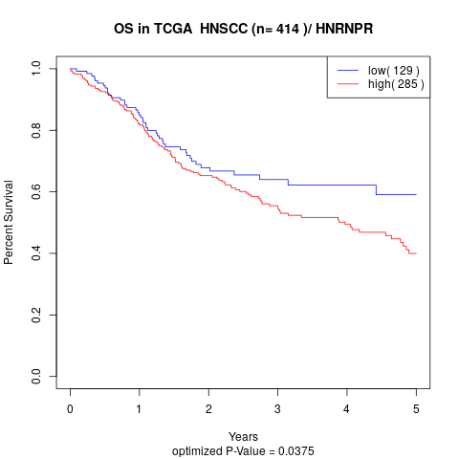

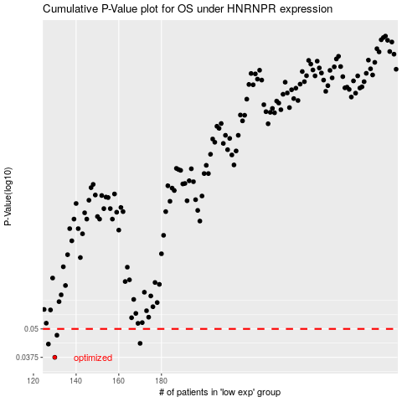

 |  |  |  |  |  | cases_OS | p_OS | rank | exp
 |  |  |  |  |  | 130 | 0.0375 | 90 | -0.44039791222
 |  |  |  |  |  | 127 | 0.0429 | 21 | -0.4583557776
 |  |  |  |  |  | 170 | 0.0432 | 265 | -0.22345664147
 |  |  |  |  |  | 131 | 0.0469 | 115 | -0.43935206889
 |  |  |  |  |  |  | cases_RFS | p_RFS | rank | exp
 |  |  |  |  |  |  | 129 | 0.0375 | 271 | -0.44581450915
 |  |  |  |  |  |  | 126 | 0.0429 | 116 | -0.46834113024
 |  |  |  |  |  |  | 169 | 0.0432 | 139 | -0.23738215439
 |  |  |  |  |  |  | 130 | 0.0469 | 90 | -0.44039791222

