HNRNPUL2 _multivariate
Reported by Tex Li-Hsing Chi. tex@gate.sinica.edu.tw 2019-08-19

Table 2. The clinicopathological features of HNSCC cohort and HNRNPUL2 expression. (Chi square test)
Cutoff at -0.248 (43.2%)
 |  | HNRNPUL2 expression |  | HNRNPUL2 expression |  | (Optimised)
 | Features | Low | (%) | High | (%) | Case no | P-value | Remark | Matthews
Gender | Female | 137 | 33 | 169 | 40.7 | 415 | 0.3953 | 0 | 0
2 | Male | 43 | 10.4 | 66 | 15.9
Age at diagnosis | <=65y | 121 | 29.2 | 153 | 36.9 | 415 | 0.729 | 0 | 0
4 | >65y | 59 | 14.2 | 82 | 19.8
Clinical T Status | T1+T2 | 55 | 13.3 | 94 | 22.7 | 415 | 0.0595 | 0 | 0
6 | T3+T4 | 125 | 30.1 | 141 | 34
Clinical N Status | N0 | 90 | 21.7 | 126 | 30.4 | 415 | 0.5275 | 0 | 0
8 | N1-3 | 90 | 21.7 | 109 | 26.3
Clinical M Status | M0 | 179 | 43.1 | 233 | 56.1 | 415 | 1 | 0 | 0
10 | M1 | 1 | 0.2 | 2 | 0.5
Clinical Stage | Stage I+II | 37 | 8.9 | 65 | 15.7 | 415 | 0.121 | 0 | 0
12 | Stage III+IV | 143 | 34.5 | 170 | 41
Surgical Margin status | Negative | 143 | 34.5 | 175 | 42.2 | 415 | 0.2444 | 0 | 0
14 | Positive | 37 | 8.9 | 60 | 14.5
Tobacco Exposure | Low | 60 | 14.5 | 101 | 24.3 | 415 | 0.0534 | 0 | 0
16 | High | 120 | 28.9 | 134 | 32.3

Table 3. Univariate/Multivariate Cox's proportional hazards regression analyses on OS time of HNRNPUL2 gene expression in HNSCC

 |  | Univariate |  |  |  | Multivariate
 | Features | HR | CI95%(L) | CI95%(H) | P-value | HR | CI95%(L) | CI95%(H) | P-value
1 | Female | 1 |  |  |  | 1
Gender | Male | 1.157 | 0.843 | 1.587 | 0.367 | 1.181 | 0.846 | 1.648 | 0.328
11 | <=65y | 1 |  |  |  | 1
Age at diagnosis | >65y | 1.329 | 0.99 | 1.784 | 0.058 | 1.411 | 1.037 | 1.922 | 0.029
12 | T1+T2 | 1 |  |  |  | 1
Clinical T Status | T3+T4 | 1.409 | 1.028 | 1.931 | 0.033 | 2.331 | 1.23 | 4.416 | 0.009
13 | N0 | 1 |  |  |  | 1
Clinical N Status | N1-3 | 1.185 | 0.89 | 1.577 | 0.246 | 1.294 | 0.905 | 1.85 | 0.158
14 | M0 | 1 |  |  |  | 1
Clinical M Status | M1 | 4.097 | 1.009 | 16.644 | 0.049 | 8.924 | 1.944 | 40.977 | 0.005
15 | Stage I+II | 1 |  |  |  | 1
Clinical Stage | Stage III+IV | 1.245 | 0.882 | 1.759 | 0.213 | 0.475 | 0.221 | 1.021 | 0.057
16 | Negative | 1 |  |  |  | 1
Surgical Margin status | Positive | 1.591 | 1.155 | 2.191 | 0.004 | 1.628 | 1.177 | 2.253 | 0.003
17 | Low | 1 |  |  |  | 1
Tobacco Exposure | High | 1.364 | 1.008 | 1.844 | 0.044 | 1.519 | 1.098 | 2.103 | 0.012
18 | Low | 1 |  |  |  | 1
RNAseq(z-score) | High | 1.399 | 1.04 | 1.882 | 0.027 | 1.479 | 1.092 | 2.002 | 0.011

Table 4. Univariate/Multivariate Cox's proportional hazards regression analyses on RFS time of HNRNPUL2 gene expression in HNSCC

 |  | Univariate |  |  |  | Multivariate
 | Features | HR | CI95%(L) | CI95%(H) | P-value | HR | CI95%(L) | CI95%(H) | P-value
1 | Female | 1 |  |  |  | 1
Gender | Male | 1.157 | 0.843 | 1.587 | 0.367 | 1.181 | 0.846 | 1.648 | 0.328
11 | <=65y | 1 |  |  |  | 1
Age at diagnosis | >65y | 1.329 | 0.99 | 1.784 | 0.058 | 1.411 | 1.037 | 1.922 | 0.029
12 | T1+T2 | 1 |  |  |  | 1
Clinical T Status | T3+T4 | 1.409 | 1.028 | 1.931 | 0.033 | 2.331 | 1.23 | 4.416 | 0.009
13 | N0 | 1 |  |  |  | 1
Clinical N Status | N1-3 | 1.185 | 0.89 | 1.577 | 0.246 | 1.294 | 0.905 | 1.85 | 0.158
14 | M0 | 1 |  |  |  | 1
Clinical M Status | M1 | 4.097 | 1.009 | 16.644 | 0.049 | 8.924 | 1.944 | 40.977 | 0.005
15 | Stage I+II | 1 |  |  |  | 1
Clinical Stage | Stage III+IV | 1.245 | 0.882 | 1.759 | 0.213 | 0.475 | 0.221 | 1.021 | 0.057
16 | Negative | 1 |  |  |  | 1
Surgical Margin status | Positive | 1.591 | 1.155 | 2.191 | 0.004 | 1.628 | 1.177 | 2.253 | 0.003
17 | Low | 1 |  |  |  | 1
Tobacco Exposure | High | 1.364 | 1.008 | 1.844 | 0.044 | 1.519 | 1.098 | 2.103 | 0.012
18 | Low | 1 |  |  |  | 1
RNAseq(z-score) | High | 1.399 | 1.04 | 1.882 | 0.027 | 1.479 | 1.092 | 2.002 | 0.011

Kaplan-Meier survival estimate: Cutoff at -0.248 (43.2%)

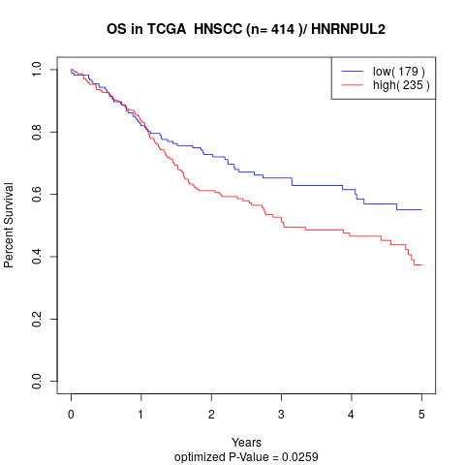

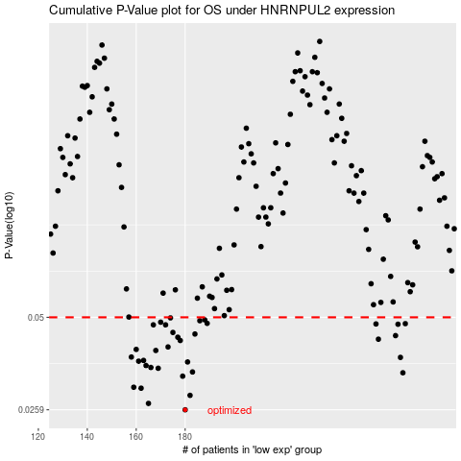

 |  |  |  |  |  | cases_OS | p_OS | rank | exp
 |  |  |  |  |  | 180 | 0.0259 | 287 | -0.24835080241
 |  |  |  |  |  | 165 | 0.0271 | 185 | -0.32532761388
 |  |  |  |  |  | 182 | 0.0287 | 273 | -0.23816987032
 |  |  |  |  |  | 162 | 0.0302 | 215 | -0.32555095605
 |  |  |  |  |  | 159 | 0.0304 | 284 | -0.32664738962
 |  |  |  |  |  | 179 | 0.0329 | 400 | -0.27370847299
 |  |  |  |  |  | 269 | 0.0337 | 239 | 0.21901260902
 |  |  |  |  |  | 183 | 0.0339 | 54 | -0.23252675184
 |  |  |  |  |  | 169 | 0.0348 | 289 | -0.31870592333
 |  |  |  |  |  | 166 | 0.035 | 364 | -0.32428392065
 |  |  |  |  |  | 164 | 0.0355 | 122 | -0.32534087208
 |  |  |  |  |  | 181 | 0.0364 | 105 | -0.23832838379
 |  |  |  |  |  | 161 | 0.0366 | 350 | -0.32578989609
 |  |  |  |  |  | 163 | 0.0368 | 315 | -0.32552746174
 |  |  |  |  |  | 268 | 0.0376 | 359 | 0.21226691531
 |  |  |  |  |  | 158 | 0.0377 | 59 | -0.33640327944
 |  |  |  |  |  | 168 | 0.0395 | 367 | -0.31920564045
 |  |  |  |  |  | 160 | 0.0398 | 343 | -0.32628005951
 |  |  |  |  |  | 173 | 0.0405 | 74 | -0.29260940061
 |  |  |  |  |  | 178 | 0.0424 | 41 | -0.28311575017
 |  |  |  |  |  | 259 | 0.0428 | 385 | 0.18856281512
 |  |  |  |  |  | 177 | 0.0434 | 172 | -0.28328099022
 |  |  |  |  |  | 266 | 0.0439 | 254 | 0.20490725
 |  |  |  |  |  | 184 | 0.0444 | 339 | -0.22935268049
 |  |  |  |  |  | 175 | 0.0449 | 70 | -0.28645223446
 |  |  |  |  |  | 167 | 0.0474 | 329 | -0.32378868792
 |  |  |  |  |  | 172 | 0.0474 | 337 | -0.30604024875
 |  |  |  |  |  | 267 | 0.0476 | 169 | 0.21087236723
 |  |  |  |  |  | 258 | 0.0477 | 346 | 0.17281889867
 |  |  |  |  |  | 270 | 0.0478 | 308 | 0.23817831068
 |  |  |  |  |  | 189 | 0.0479 | 90 | -0.21473551599
 |  |  |  |  |  | 170 | 0.0483 | 265 | -0.3170681458
 |  |  |  |  |  | 186 | 0.0488 | 390 | -0.22389234968
 |  |  |  |  |  | 188 | 0.0491 | 25 | -0.22095156414
 |  |  |  |  |  | 174 | 0.0498 | 8 | -0.29065908053
 |  |  |  |  |  |  | cases_RFS | p_RFS | rank | exp
 |  |  |  |  |  |  | 179 | 0.0259 | 400 | -0.27370847299
 |  |  |  |  |  |  | 164 | 0.0271 | 122 | -0.32534087208
 |  |  |  |  |  |  | 181 | 0.0287 | 105 | -0.23832838379
 |  |  |  |  |  |  | 161 | 0.0302 | 350 | -0.32578989609
 |  |  |  |  |  |  | 158 | 0.0304 | 59 | -0.33640327944
 |  |  |  |  |  |  | 178 | 0.0329 | 41 | -0.28311575017
 |  |  |  |  |  |  | 268 | 0.0337 | 359 | 0.21226691531
 |  |  |  |  |  |  | 182 | 0.0339 | 273 | -0.23816987032
 |  |  |  |  |  |  | 168 | 0.0348 | 367 | -0.31920564045
 |  |  |  |  |  |  | 165 | 0.035 | 185 | -0.32532761388
 |  |  |  |  |  |  | 163 | 0.0355 | 315 | -0.32552746174
 |  |  |  |  |  |  | 180 | 0.0364 | 287 | -0.24835080241
 |  |  |  |  |  |  | 160 | 0.0366 | 343 | -0.32628005951
 |  |  |  |  |  |  | 162 | 0.0368 | 215 | -0.32555095605
 |  |  |  |  |  |  | 267 | 0.0376 | 169 | 0.21087236723
 |  |  |  |  |  |  | 157 | 0.0377 | 396 | -0.34185113194
 |  |  |  |  |  |  | 167 | 0.0395 | 329 | -0.32378868792
 |  |  |  |  |  |  | 159 | 0.0398 | 284 | -0.32664738962
 |  |  |  |  |  |  | 172 | 0.0405 | 337 | -0.30604024875
 |  |  |  |  |  |  | 177 | 0.0424 | 172 | -0.28328099022
 |  |  |  |  |  |  | 258 | 0.0428 | 346 | 0.17281889867
 |  |  |  |  |  |  | 176 | 0.0434 | 272 | -0.28336375648
 |  |  |  |  |  |  | 265 | 0.0439 | 149 | 0.20401212659
 |  |  |  |  |  |  | 183 | 0.0444 | 54 | -0.23252675184
 |  |  |  |  |  |  | 174 | 0.0449 | 8 | -0.29065908053
 |  |  |  |  |  |  | 171 | 0.0474 | 301 | -0.31012660119
 |  |  |  |  |  |  | 166 | 0.0474 | 364 | -0.32428392065
 |  |  |  |  |  |  | 266 | 0.0476 | 254 | 0.20490725
 |  |  |  |  |  |  | 257 | 0.0477 | 101 | 0.17265648573
 |  |  |  |  |  |  | 269 | 0.0478 | 239 | 0.21901260902
 |  |  |  |  |  |  | 188 | 0.0479 | 25 | -0.22095156414
 |  |  |  |  |  |  | 169 | 0.0483 | 289 | -0.31870592333
 |  |  |  |  |  |  | 185 | 0.0488 | 93 | -0.22637757961
 |  |  |  |  |  |  | 187 | 0.0491 | 397 | -0.22331688535
 |  |  |  |  |  |  | 173 | 0.0498 | 74 | -0.29260940061

