HNRPDL _multivariate
Reported by Tex Li-Hsing Chi. tex@gate.sinica.edu.tw 2019-08-19

Table 2. The clinicopathological features of HNSCC cohort and HNRPDL expression. (Chi square test)
Cutoff at -0.144 (50.0%)
 |  | HNRPDL expression |  | HNRPDL expression |  | (Optimised)
 | Features | Low | (%) | High | (%) | Case no | P-value | Remark | Matthews
Gender | Female | 150 | 36.1 | 156 | 37.6 | 415 | 0.6344 | 0 | 0
2 | Male | 57 | 13.7 | 52 | 12.5
Age at diagnosis | <=65y | 134 | 32.3 | 140 | 33.7 | 415 | 0.6529 | 0 | 0
4 | >65y | 73 | 17.6 | 68 | 16.4
Clinical T Status | T1+T2 | 88 | 21.2 | 61 | 14.7 | 415 | 0.007 | 1 | 0
6 | T3+T4 | 119 | 28.7 | 147 | 35.4
Clinical N Status | N0 | 120 | 28.9 | 96 | 23.1 | 415 | 0.0208 | 1 | 0
8 | N1-3 | 87 | 21 | 112 | 27
Clinical M Status | M0 | 205 | 49.4 | 207 | 49.9 | 415 | 0.6232 | 0 | 0
10 | M1 | 2 | 0.5 | 1 | 0.2
Clinical Stage | Stage I+II | 66 | 15.9 | 36 | 8.7 | 415 | 9e-04 | 1 | 0
12 | Stage III+IV | 141 | 34 | 172 | 41.4
Surgical Margin status | Negative | 167 | 40.2 | 151 | 36.4 | 415 | 0.0632 | 0 | 0
14 | Positive | 40 | 9.6 | 57 | 13.7
Tobacco Exposure | Low | 90 | 21.7 | 71 | 17.1 | 415 | 0.0559 | 0 | 0
16 | High | 117 | 28.2 | 137 | 33

Table 3. Univariate/Multivariate Cox's proportional hazards regression analyses on OS time of HNRPDL gene expression in HNSCC

 |  | Univariate |  |  |  | Multivariate
 | Features | HR | CI95%(L) | CI95%(H) | P-value | HR | CI95%(L) | CI95%(H) | P-value
1 | Female | 1 |  |  |  | 1
Gender | Male | 1.157 | 0.843 | 1.587 | 0.367 | 1.206 | 0.863 | 1.686 | 0.272
11 | <=65y | 1 |  |  |  | 1
Age at diagnosis | >65y | 1.329 | 0.99 | 1.784 | 0.058 | 1.393 | 1.024 | 1.893 | 0.035
12 | T1+T2 | 1 |  |  |  | 1
Clinical T Status | T3+T4 | 1.409 | 1.028 | 1.931 | 0.033 | 2.196 | 1.161 | 4.153 | 0.016
13 | N0 | 1 |  |  |  | 1
Clinical N Status | N1-3 | 1.185 | 0.89 | 1.577 | 0.246 | 1.233 | 0.863 | 1.762 | 0.25
14 | M0 | 1 |  |  |  | 1
Clinical M Status | M1 | 4.097 | 1.009 | 16.644 | 0.049 | 9.638 | 2.094 | 44.355 | 0.004
15 | Stage I+II | 1 |  |  |  | 1
Clinical Stage | Stage III+IV | 1.245 | 0.882 | 1.759 | 0.213 | 0.5 | 0.233 | 1.075 | 0.076
16 | Negative | 1 |  |  |  | 1
Surgical Margin status | Positive | 1.591 | 1.155 | 2.191 | 0.004 | 1.657 | 1.196 | 2.295 | 0.002
17 | Low | 1 |  |  |  | 1
Tobacco Exposure | High | 1.364 | 1.008 | 1.844 | 0.044 | 1.45 | 1.052 | 1.998 | 0.023
18 | Low | 1 |  |  |  | 1
RNAseq(z-score) | High | 1.16 | 0.868 | 1.548 | 0.315 | 1.069 | 0.792 | 1.443 | 0.664

Table 4. Univariate/Multivariate Cox's proportional hazards regression analyses on RFS time of HNRPDL gene expression in HNSCC

 |  | Univariate |  |  |  | Multivariate
 | Features | HR | CI95%(L) | CI95%(H) | P-value | HR | CI95%(L) | CI95%(H) | P-value
1 | Female | 1 |  |  |  | 1
Gender | Male | 1.157 | 0.843 | 1.587 | 0.367 | 1.206 | 0.863 | 1.686 | 0.272
11 | <=65y | 1 |  |  |  | 1
Age at diagnosis | >65y | 1.329 | 0.99 | 1.784 | 0.058 | 1.393 | 1.024 | 1.893 | 0.035
12 | T1+T2 | 1 |  |  |  | 1
Clinical T Status | T3+T4 | 1.409 | 1.028 | 1.931 | 0.033 | 2.196 | 1.161 | 4.153 | 0.016
13 | N0 | 1 |  |  |  | 1
Clinical N Status | N1-3 | 1.185 | 0.89 | 1.577 | 0.246 | 1.233 | 0.863 | 1.762 | 0.25
14 | M0 | 1 |  |  |  | 1
Clinical M Status | M1 | 4.097 | 1.009 | 16.644 | 0.049 | 9.638 | 2.094 | 44.355 | 0.004
15 | Stage I+II | 1 |  |  |  | 1
Clinical Stage | Stage III+IV | 1.245 | 0.882 | 1.759 | 0.213 | 0.5 | 0.233 | 1.075 | 0.076
16 | Negative | 1 |  |  |  | 1
Surgical Margin status | Positive | 1.591 | 1.155 | 2.191 | 0.004 | 1.657 | 1.196 | 2.295 | 0.002
17 | Low | 1 |  |  |  | 1
Tobacco Exposure | High | 1.364 | 1.008 | 1.844 | 0.044 | 1.45 | 1.052 | 1.998 | 0.023
18 | Low | 1 |  |  |  | 1
RNAseq(z-score) | High | 1.16 | 0.868 | 1.548 | 0.315 | 1.069 | 0.792 | 1.443 | 0.664

Kaplan-Meier survival estimate: Cutoff at -0.144 (50.0%)



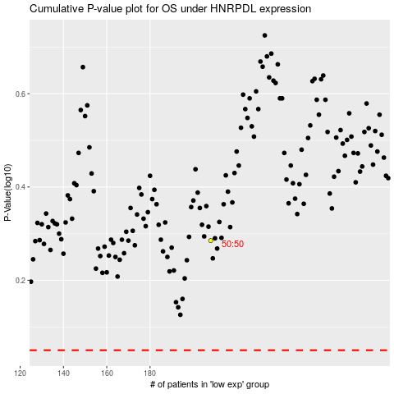

 |  |  |  |  |  | cases_OS | p_OS | rank | exp
 |  |  |  |  |  |  | cases_RFS | p_RFS | rank | exp

