HNRPLL _multivariate
Reported by Tex Li-Hsing Chi. tex@gate.sinica.edu.tw 2019-08-19

Table 2. The clinicopathological features of HNSCC cohort and HNRPLL expression. (Chi square test)
Cutoff at 0.008 (49.8%)
 |  | HNRPLL expression |  | HNRPLL expression |  | (Optimised)
 | Features | Low | (%) | High | (%) | Case no | P-value | Remark | Matthews
Gender | Female | 146 | 35.2 | 160 | 38.6 | 415 | 0.1714 | 0 | 0
2 | Male | 61 | 14.7 | 48 | 11.6
Age at diagnosis | <=65y | 141 | 34 | 133 | 32 | 415 | 0.4272 | 0 | 0
4 | >65y | 66 | 15.9 | 75 | 18.1
Clinical T Status | T1+T2 | 84 | 20.2 | 65 | 15.7 | 415 | 0.0603 | 0 | 0
6 | T3+T4 | 123 | 29.6 | 143 | 34.5
Clinical N Status | N0 | 112 | 27 | 104 | 25.1 | 415 | 0.4599 | 0 | 0
8 | N1-3 | 95 | 22.9 | 104 | 25.1
Clinical M Status | M0 | 204 | 49.2 | 208 | 50.1 | 415 | 0.1232 | 0 | 0
10 | M1 | 3 | 0.7 | 0 | 0
Clinical Stage | Stage I+II | 59 | 14.2 | 43 | 10.4 | 415 | 0.0822 | 0 | 0
12 | Stage III+IV | 148 | 35.7 | 165 | 39.8
Surgical Margin status | Negative | 162 | 39 | 156 | 37.6 | 415 | 0.4867 | 0 | 0
14 | Positive | 45 | 10.8 | 52 | 12.5
Tobacco Exposure | Low | 87 | 21 | 74 | 17.8 | 415 | 0.1911 | 0 | 0
16 | High | 120 | 28.9 | 134 | 32.3

Table 3. Univariate/Multivariate Cox's proportional hazards regression analyses on OS time of HNRPLL gene expression in HNSCC

 |  | Univariate |  |  |  | Multivariate
 | Features | HR | CI95%(L) | CI95%(H) | P-value | HR | CI95%(L) | CI95%(H) | P-value
1 | Female | 1 |  |  |  | 1
Gender | Male | 1.157 | 0.843 | 1.587 | 0.367 | 1.228 | 0.878 | 1.716 | 0.23
11 | <=65y | 1 |  |  |  | 1
Age at diagnosis | >65y | 1.329 | 0.99 | 1.784 | 0.058 | 1.387 | 1.02 | 1.887 | 0.037
12 | T1+T2 | 1 |  |  |  | 1
Clinical T Status | T3+T4 | 1.409 | 1.028 | 1.931 | 0.033 | 2.201 | 1.164 | 4.164 | 0.015
13 | N0 | 1 |  |  |  | 1
Clinical N Status | N1-3 | 1.185 | 0.89 | 1.577 | 0.246 | 1.234 | 0.865 | 1.761 | 0.246
14 | M0 | 1 |  |  |  | 1
Clinical M Status | M1 | 4.097 | 1.009 | 16.644 | 0.049 | 10.507 | 2.266 | 48.714 | 0.003
15 | Stage I+II | 1 |  |  |  | 1
Clinical Stage | Stage III+IV | 1.245 | 0.882 | 1.759 | 0.213 | 0.495 | 0.23 | 1.062 | 0.071
16 | Negative | 1 |  |  |  | 1
Surgical Margin status | Positive | 1.591 | 1.155 | 2.191 | 0.004 | 1.677 | 1.213 | 2.318 | 0.002
17 | Low | 1 |  |  |  | 1
Tobacco Exposure | High | 1.364 | 1.008 | 1.844 | 0.044 | 1.434 | 1.041 | 1.973 | 0.027
18 | Low | 1 |  |  |  | 1
RNAseq(z-score) | High | 1.21 | 0.906 | 1.617 | 0.197 | 1.204 | 0.894 | 1.621 | 0.222

Table 4. Univariate/Multivariate Cox's proportional hazards regression analyses on RFS time of HNRPLL gene expression in HNSCC

 |  | Univariate |  |  |  | Multivariate
 | Features | HR | CI95%(L) | CI95%(H) | P-value | HR | CI95%(L) | CI95%(H) | P-value
1 | Female | 1 |  |  |  | 1
Gender | Male | 1.157 | 0.843 | 1.587 | 0.367 | 1.228 | 0.878 | 1.716 | 0.23
11 | <=65y | 1 |  |  |  | 1
Age at diagnosis | >65y | 1.329 | 0.99 | 1.784 | 0.058 | 1.387 | 1.02 | 1.887 | 0.037
12 | T1+T2 | 1 |  |  |  | 1
Clinical T Status | T3+T4 | 1.409 | 1.028 | 1.931 | 0.033 | 2.201 | 1.164 | 4.164 | 0.015
13 | N0 | 1 |  |  |  | 1
Clinical N Status | N1-3 | 1.185 | 0.89 | 1.577 | 0.246 | 1.234 | 0.865 | 1.761 | 0.246
14 | M0 | 1 |  |  |  | 1
Clinical M Status | M1 | 4.097 | 1.009 | 16.644 | 0.049 | 10.507 | 2.266 | 48.714 | 0.003
15 | Stage I+II | 1 |  |  |  | 1
Clinical Stage | Stage III+IV | 1.245 | 0.882 | 1.759 | 0.213 | 0.495 | 0.23 | 1.062 | 0.071
16 | Negative | 1 |  |  |  | 1
Surgical Margin status | Positive | 1.591 | 1.155 | 2.191 | 0.004 | 1.677 | 1.213 | 2.318 | 0.002
17 | Low | 1 |  |  |  | 1
Tobacco Exposure | High | 1.364 | 1.008 | 1.844 | 0.044 | 1.434 | 1.041 | 1.973 | 0.027
18 | Low | 1 |  |  |  | 1
RNAseq(z-score) | High | 1.21 | 0.906 | 1.617 | 0.197 | 1.204 | 0.894 | 1.621 | 0.222

Kaplan-Meier survival estimate: Cutoff at 0.008 (49.8%)



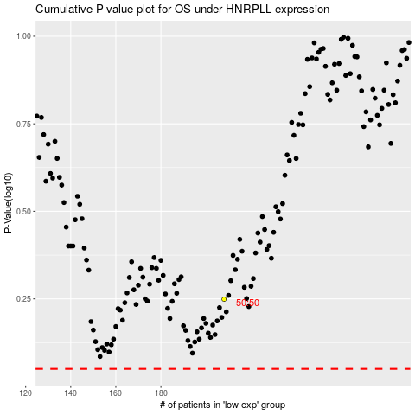

 |  |  |  |  |  | cases_OS | p_OS | rank | exp
 |  |  |  |  |  |  | cases_RFS | p_RFS | rank | exp

