HOMER2 _multivariate
Reported by Tex Li-Hsing Chi. tex@gate.sinica.edu.tw 2019-08-19

Table 2. The clinicopathological features of HNSCC cohort and HOMER2 expression. (Chi square test)
Cutoff at -0.228 (50.0%)
 |  | HOMER2 expression |  | HOMER2 expression |  | (Optimised)
 | Features | Low | (%) | High | (%) | Case no | P-value | Remark | Matthews
Gender | Female | 155 | 37.3 | 151 | 36.4 | 415 | 0.6768 | 0 | 0
2 | Male | 52 | 12.5 | 57 | 13.7
Age at diagnosis | <=65y | 128 | 30.8 | 146 | 35.2 | 415 | 0.0904 | 0 | 0
4 | >65y | 79 | 19 | 62 | 14.9
Clinical T Status | T1+T2 | 79 | 19 | 70 | 16.9 | 415 | 0.3924 | 0 | 0
6 | T3+T4 | 128 | 30.8 | 138 | 33.3
Clinical N Status | N0 | 99 | 23.9 | 117 | 28.2 | 415 | 0.1054 | 0 | 0
8 | N1-3 | 108 | 26 | 91 | 21.9
Clinical M Status | M0 | 206 | 49.6 | 206 | 49.6 | 415 | 1 | 0 | 0
10 | M1 | 1 | 0.2 | 2 | 0.5
Clinical Stage | Stage I+II | 49 | 11.8 | 53 | 12.8 | 415 | 0.7535 | 0 | 0
12 | Stage III+IV | 158 | 38.1 | 155 | 37.3
Surgical Margin status | Negative | 158 | 38.1 | 160 | 38.6 | 415 | 0.9081 | 0 | 0
14 | Positive | 49 | 11.8 | 48 | 11.6
Tobacco Exposure | Low | 82 | 19.8 | 79 | 19 | 415 | 0.763 | 0 | 0
16 | High | 125 | 30.1 | 129 | 31.1

Table 3. Univariate/Multivariate Cox's proportional hazards regression analyses on OS time of HOMER2 gene expression in HNSCC

 |  | Univariate |  |  |  | Multivariate
 | Features | HR | CI95%(L) | CI95%(H) | P-value | HR | CI95%(L) | CI95%(H) | P-value
1 | Female | 1 |  |  |  | 1
Gender | Male | 1.157 | 0.843 | 1.587 | 0.367 | 1.19 | 0.851 | 1.663 | 0.309
11 | <=65y | 1 |  |  |  | 1
Age at diagnosis | >65y | 1.329 | 0.99 | 1.784 | 0.058 | 1.41 | 1.036 | 1.92 | 0.029
12 | T1+T2 | 1 |  |  |  | 1
Clinical T Status | T3+T4 | 1.409 | 1.028 | 1.931 | 0.033 | 2.193 | 1.16 | 4.148 | 0.016
13 | N0 | 1 |  |  |  | 1
Clinical N Status | N1-3 | 1.185 | 0.89 | 1.577 | 0.246 | 1.263 | 0.883 | 1.807 | 0.2
14 | M0 | 1 |  |  |  | 1
Clinical M Status | M1 | 4.097 | 1.009 | 16.644 | 0.049 | 8.934 | 1.939 | 41.167 | 0.005
15 | Stage I+II | 1 |  |  |  | 1
Clinical Stage | Stage III+IV | 1.245 | 0.882 | 1.759 | 0.213 | 0.509 | 0.237 | 1.094 | 0.084
16 | Negative | 1 |  |  |  | 1
Surgical Margin status | Positive | 1.591 | 1.155 | 2.191 | 0.004 | 1.652 | 1.194 | 2.285 | 0.002
17 | Low | 1 |  |  |  | 1
Tobacco Exposure | High | 1.364 | 1.008 | 1.844 | 0.044 | 1.448 | 1.051 | 1.994 | 0.024
18 | Low | 1 |  |  |  | 1
RNAseq(z-score) | High | 1.136 | 0.852 | 1.514 | 0.385 | 1.13 | 0.841 | 1.518 | 0.418

Table 4. Univariate/Multivariate Cox's proportional hazards regression analyses on RFS time of HOMER2 gene expression in HNSCC

 |  | Univariate |  |  |  | Multivariate
 | Features | HR | CI95%(L) | CI95%(H) | P-value | HR | CI95%(L) | CI95%(H) | P-value
1 | Female | 1 |  |  |  | 1
Gender | Male | 1.157 | 0.843 | 1.587 | 0.367 | 1.19 | 0.851 | 1.663 | 0.309
11 | <=65y | 1 |  |  |  | 1
Age at diagnosis | >65y | 1.329 | 0.99 | 1.784 | 0.058 | 1.41 | 1.036 | 1.92 | 0.029
12 | T1+T2 | 1 |  |  |  | 1
Clinical T Status | T3+T4 | 1.409 | 1.028 | 1.931 | 0.033 | 2.193 | 1.16 | 4.148 | 0.016
13 | N0 | 1 |  |  |  | 1
Clinical N Status | N1-3 | 1.185 | 0.89 | 1.577 | 0.246 | 1.263 | 0.883 | 1.807 | 0.2
14 | M0 | 1 |  |  |  | 1
Clinical M Status | M1 | 4.097 | 1.009 | 16.644 | 0.049 | 8.934 | 1.939 | 41.167 | 0.005
15 | Stage I+II | 1 |  |  |  | 1
Clinical Stage | Stage III+IV | 1.245 | 0.882 | 1.759 | 0.213 | 0.509 | 0.237 | 1.094 | 0.084
16 | Negative | 1 |  |  |  | 1
Surgical Margin status | Positive | 1.591 | 1.155 | 2.191 | 0.004 | 1.652 | 1.194 | 2.285 | 0.002
17 | Low | 1 |  |  |  | 1
Tobacco Exposure | High | 1.364 | 1.008 | 1.844 | 0.044 | 1.448 | 1.051 | 1.994 | 0.024
18 | Low | 1 |  |  |  | 1
RNAseq(z-score) | High | 1.136 | 0.852 | 1.514 | 0.385 | 1.13 | 0.841 | 1.518 | 0.418

Kaplan-Meier survival estimate: Cutoff at -0.228 (50.0%)



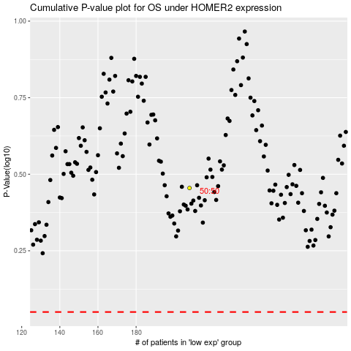

 |  |  |  |  |  | cases_OS | p_OS | rank | exp
 |  |  |  |  |  |  | cases_RFS | p_RFS | rank | exp

