HOMER3 _multivariate
Reported by Tex Li-Hsing Chi. tex@gate.sinica.edu.tw 2019-08-19

Table 2. The clinicopathological features of HNSCC cohort and HOMER3 expression. (Chi square test)
Cutoff at -0.083 (50.0%)
 |  | HOMER3 expression |  | HOMER3 expression |  | (Optimised)
 | Features | Low | (%) | High | (%) | Case no | P-value | Remark | Matthews
Gender | Female | 153 | 36.9 | 153 | 36.9 | 415 | 1 | 0 | 0
2 | Male | 54 | 13 | 55 | 13.3
Age at diagnosis | <=65y | 133 | 32 | 141 | 34 | 415 | 0.5111 | 0 | 0
4 | >65y | 74 | 17.8 | 67 | 16.1
Clinical T Status | T1+T2 | 78 | 18.8 | 71 | 17.1 | 415 | 0.5152 | 0 | 0
6 | T3+T4 | 129 | 31.1 | 137 | 33
Clinical N Status | N0 | 114 | 27.5 | 102 | 24.6 | 415 | 0.2576 | 1 | 0
8 | N1-3 | 93 | 22.4 | 106 | 25.5
Clinical M Status | M0 | 206 | 49.6 | 206 | 49.6 | 415 | 1 | 0 | 0
10 | M1 | 1 | 0.2 | 2 | 0.5
Clinical Stage | Stage I+II | 49 | 11.8 | 53 | 12.8 | 415 | 0.7535 | 0 | 0
12 | Stage III+IV | 158 | 38.1 | 155 | 37.3
Surgical Margin status | Negative | 158 | 38.1 | 160 | 38.6 | 415 | 0.9081 | 0 | 0
14 | Positive | 49 | 11.8 | 48 | 11.6
Tobacco Exposure | Low | 83 | 20 | 78 | 18.8 | 415 | 0.6152 | 0 | 0
16 | High | 124 | 29.9 | 130 | 31.3

Table 3. Univariate/Multivariate Cox's proportional hazards regression analyses on OS time of HOMER3 gene expression in HNSCC

 |  | Univariate |  |  |  | Multivariate
 | Features | HR | CI95%(L) | CI95%(H) | P-value | HR | CI95%(L) | CI95%(H) | P-value
1 | Female | 1 |  |  |  | 1
Gender | Male | 1.157 | 0.843 | 1.587 | 0.367 | 1.225 | 0.878 | 1.711 | 0.232
11 | <=65y | 1 |  |  |  | 1
Age at diagnosis | >65y | 1.329 | 0.99 | 1.784 | 0.058 | 1.387 | 1.02 | 1.885 | 0.037
12 | T1+T2 | 1 |  |  |  | 1
Clinical T Status | T3+T4 | 1.409 | 1.028 | 1.931 | 0.033 | 2.348 | 1.239 | 4.45 | 0.009
13 | N0 | 1 |  |  |  | 1
Clinical N Status | N1-3 | 1.185 | 0.89 | 1.577 | 0.246 | 1.298 | 0.907 | 1.856 | 0.154
14 | M0 | 1 |  |  |  | 1
Clinical M Status | M1 | 4.097 | 1.009 | 16.644 | 0.049 | 10.942 | 2.372 | 50.472 | 0.002
15 | Stage I+II | 1 |  |  |  | 1
Clinical Stage | Stage III+IV | 1.245 | 0.882 | 1.759 | 0.213 | 0.457 | 0.212 | 0.985 | 0.046
16 | Negative | 1 |  |  |  | 1
Surgical Margin status | Positive | 1.591 | 1.155 | 2.191 | 0.004 | 1.674 | 1.211 | 2.314 | 0.002
17 | Low | 1 |  |  |  | 1
Tobacco Exposure | High | 1.364 | 1.008 | 1.844 | 0.044 | 1.517 | 1.1 | 2.091 | 0.011
18 | Low | 1 |  |  |  | 1
RNAseq(z-score) | High | 0.796 | 0.596 | 1.062 | 0.121 | 0.714 | 0.531 | 0.959 | 0.025

Table 4. Univariate/Multivariate Cox's proportional hazards regression analyses on RFS time of HOMER3 gene expression in HNSCC

 |  | Univariate |  |  |  | Multivariate
 | Features | HR | CI95%(L) | CI95%(H) | P-value | HR | CI95%(L) | CI95%(H) | P-value
1 | Female | 1 |  |  |  | 1
Gender | Male | 1.157 | 0.843 | 1.587 | 0.367 | 1.225 | 0.878 | 1.711 | 0.232
11 | <=65y | 1 |  |  |  | 1
Age at diagnosis | >65y | 1.329 | 0.99 | 1.784 | 0.058 | 1.387 | 1.02 | 1.885 | 0.037
12 | T1+T2 | 1 |  |  |  | 1
Clinical T Status | T3+T4 | 1.409 | 1.028 | 1.931 | 0.033 | 2.348 | 1.239 | 4.45 | 0.009
13 | N0 | 1 |  |  |  | 1
Clinical N Status | N1-3 | 1.185 | 0.89 | 1.577 | 0.246 | 1.298 | 0.907 | 1.856 | 0.154
14 | M0 | 1 |  |  |  | 1
Clinical M Status | M1 | 4.097 | 1.009 | 16.644 | 0.049 | 10.942 | 2.372 | 50.472 | 0.002
15 | Stage I+II | 1 |  |  |  | 1
Clinical Stage | Stage III+IV | 1.245 | 0.882 | 1.759 | 0.213 | 0.457 | 0.212 | 0.985 | 0.046
16 | Negative | 1 |  |  |  | 1
Surgical Margin status | Positive | 1.591 | 1.155 | 2.191 | 0.004 | 1.674 | 1.211 | 2.314 | 0.002
17 | Low | 1 |  |  |  | 1
Tobacco Exposure | High | 1.364 | 1.008 | 1.844 | 0.044 | 1.517 | 1.1 | 2.091 | 0.011
18 | Low | 1 |  |  |  | 1
RNAseq(z-score) | High | 0.796 | 0.596 | 1.062 | 0.121 | 0.714 | 0.531 | 0.959 | 0.025

Kaplan-Meier survival estimate: Cutoff at -0.083 (50.0%)



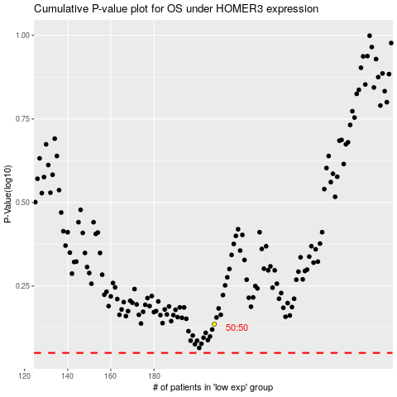

 |  |  |  |  |  | cases_OS | p_OS | rank | exp
 |  |  |  |  |  |  | cases_RFS | p_RFS | rank | exp

