HOOK3 _multivariate
Reported by Tex Li-Hsing Chi. tex@gate.sinica.edu.tw 2019-08-19

Table 2. The clinicopathological features of HNSCC cohort and HOOK3 expression. (Chi square test)
Cutoff at 0.314 (69.3%)
 |  | HOOK3 expression |  | HOOK3 expression |  | (Optimised)
 | Features | Low | (%) | High | (%) | Case no | P-value | Remark | Matthews
Gender | Female | 213 | 51.3 | 93 | 22.4 | 415 | 0.9723 | 0 | 0
2 | Male | 75 | 18.1 | 34 | 8.2
Age at diagnosis | <=65y | 195 | 47 | 79 | 19 | 415 | 0.3279 | 0 | 0
4 | >65y | 93 | 22.4 | 48 | 11.6
Clinical T Status | T1+T2 | 100 | 24.1 | 49 | 11.8 | 415 | 0.5193 | 0 | 0
6 | T3+T4 | 188 | 45.3 | 78 | 18.8
Clinical N Status | N0 | 150 | 36.1 | 66 | 15.9 | 415 | 1 | 0 | 0
8 | N1-3 | 138 | 33.3 | 61 | 14.7
Clinical M Status | M0 | 285 | 68.7 | 127 | 30.6 | 415 | 0.5562 | 0 | 0
10 | M1 | 3 | 0.7 | 0 | 0
Clinical Stage | Stage I+II | 70 | 16.9 | 32 | 7.7 | 415 | 0.9437 | 0 | 0
12 | Stage III+IV | 218 | 52.5 | 95 | 22.9
Surgical Margin status | Negative | 215 | 51.8 | 103 | 24.8 | 415 | 0.1676 | 0 | 0
14 | Positive | 73 | 17.6 | 24 | 5.8
Tobacco Exposure | Low | 114 | 27.5 | 47 | 11.3 | 415 | 0.6626 | 0 | 0
16 | High | 174 | 41.9 | 80 | 19.3

Table 3. Univariate/Multivariate Cox's proportional hazards regression analyses on OS time of HOOK3 gene expression in HNSCC

 |  | Univariate |  |  |  | Multivariate
 | Features | HR | CI95%(L) | CI95%(H) | P-value | HR | CI95%(L) | CI95%(H) | P-value
1 | Female | 1 |  |  |  | 1
Gender | Male | 1.157 | 0.843 | 1.587 | 0.367 | 1.204 | 0.86 | 1.685 | 0.28
11 | <=65y | 1 |  |  |  | 1
Age at diagnosis | >65y | 1.329 | 0.99 | 1.784 | 0.058 | 1.403 | 1.033 | 1.906 | 0.03
12 | T1+T2 | 1 |  |  |  | 1
Clinical T Status | T3+T4 | 1.409 | 1.028 | 1.931 | 0.033 | 2.109 | 1.115 | 3.992 | 0.022
13 | N0 | 1 |  |  |  | 1
Clinical N Status | N1-3 | 1.185 | 0.89 | 1.577 | 0.246 | 1.251 | 0.876 | 1.785 | 0.218
14 | M0 | 1 |  |  |  | 1
Clinical M Status | M1 | 4.097 | 1.009 | 16.644 | 0.049 | 8.182 | 1.776 | 37.692 | 0.007
15 | Stage I+II | 1 |  |  |  | 1
Clinical Stage | Stage III+IV | 1.245 | 0.882 | 1.759 | 0.213 | 0.516 | 0.24 | 1.107 | 0.089
16 | Negative | 1 |  |  |  | 1
Surgical Margin status | Positive | 1.591 | 1.155 | 2.191 | 0.004 | 1.591 | 1.148 | 2.203 | 0.005
17 | Low | 1 |  |  |  | 1
Tobacco Exposure | High | 1.364 | 1.008 | 1.844 | 0.044 | 1.45 | 1.053 | 1.999 | 0.023
18 | Low | 1 |  |  |  | 1
RNAseq(z-score) | High | 0.642 | 0.461 | 0.895 | 0.009 | 0.704 | 0.503 | 0.985 | 0.041

Table 4. Univariate/Multivariate Cox's proportional hazards regression analyses on RFS time of HOOK3 gene expression in HNSCC

 |  | Univariate |  |  |  | Multivariate
 | Features | HR | CI95%(L) | CI95%(H) | P-value | HR | CI95%(L) | CI95%(H) | P-value
1 | Female | 1 |  |  |  | 1
Gender | Male | 1.157 | 0.843 | 1.587 | 0.367 | 1.204 | 0.86 | 1.685 | 0.28
11 | <=65y | 1 |  |  |  | 1
Age at diagnosis | >65y | 1.329 | 0.99 | 1.784 | 0.058 | 1.403 | 1.033 | 1.906 | 0.03
12 | T1+T2 | 1 |  |  |  | 1
Clinical T Status | T3+T4 | 1.409 | 1.028 | 1.931 | 0.033 | 2.109 | 1.115 | 3.992 | 0.022
13 | N0 | 1 |  |  |  | 1
Clinical N Status | N1-3 | 1.185 | 0.89 | 1.577 | 0.246 | 1.251 | 0.876 | 1.785 | 0.218
14 | M0 | 1 |  |  |  | 1
Clinical M Status | M1 | 4.097 | 1.009 | 16.644 | 0.049 | 8.182 | 1.776 | 37.692 | 0.007
15 | Stage I+II | 1 |  |  |  | 1
Clinical Stage | Stage III+IV | 1.245 | 0.882 | 1.759 | 0.213 | 0.516 | 0.24 | 1.107 | 0.089
16 | Negative | 1 |  |  |  | 1
Surgical Margin status | Positive | 1.591 | 1.155 | 2.191 | 0.004 | 1.591 | 1.148 | 2.203 | 0.005
17 | Low | 1 |  |  |  | 1
Tobacco Exposure | High | 1.364 | 1.008 | 1.844 | 0.044 | 1.45 | 1.053 | 1.999 | 0.023
18 | Low | 1 |  |  |  | 1
RNAseq(z-score) | High | 0.642 | 0.461 | 0.895 | 0.009 | 0.704 | 0.503 | 0.985 | 0.041

Kaplan-Meier survival estimate: Cutoff at 0.314 (69.3%)

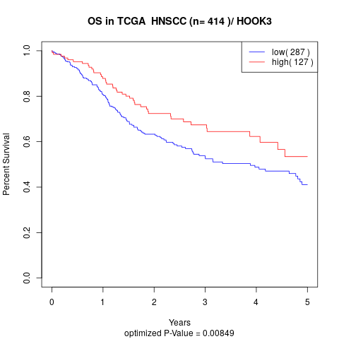

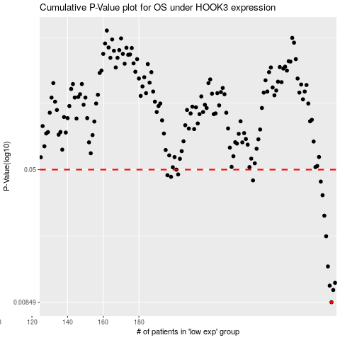

 |  |  |  |  |  | cases_OS | p_OS | rank | exp
 |  |  |  |  |  | 288 | 0.00849 | 292 | 0.3139302426
 |  |  |  |  |  | 289 | 0.01 | 374 | 0.31659614517
 |  |  |  |  |  | 287 | 0.0106 | 251 | 0.30381474193
 |  |  |  |  |  | 290 | 0.011 | 341 | 0.32610296697
 |  |  |  |  |  | 286 | 0.0137 | 249 | 0.29223768683
 |  |  |  |  |  | 285 | 0.0205 | 155 | 0.29220932162
 |  |  |  |  |  | 284 | 0.027 | 404 | 0.27986725913
 |  |  |  |  |  | 283 | 0.0355 | 176 | 0.27792349625
 |  |  |  |  |  | 282 | 0.0426 | 48 | 0.26753287443
 |  |  |  |  |  | 244 | 0.0433 | 166 | 0.029145734681
 |  |  |  |  |  | 198 | 0.0454 | 383 | -0.21291395243
 |  |  |  |  |  | 196 | 0.0464 | 51 | -0.23112889164
 |  |  |  |  |  | 202 | 0.0469 | 192 | -0.20818634747
 |  |  |  |  |  | 201 | 0.05 | 7 | -0.21118772721
 |  |  |  |  |  |  | cases_RFS | p_RFS | rank | exp
 |  |  |  |  |  |  | 287 | 0.00849 | 251 | 0.30381474193
 |  |  |  |  |  |  | 288 | 0.01 | 292 | 0.3139302426
 |  |  |  |  |  |  | 286 | 0.0106 | 249 | 0.29223768683
 |  |  |  |  |  |  | 289 | 0.011 | 374 | 0.31659614517
 |  |  |  |  |  |  | 285 | 0.0137 | 155 | 0.29220932162
 |  |  |  |  |  |  | 284 | 0.0205 | 404 | 0.27986725913
 |  |  |  |  |  |  | 283 | 0.027 | 176 | 0.27792349625
 |  |  |  |  |  |  | 282 | 0.0355 | 48 | 0.26753287443
 |  |  |  |  |  |  | 281 | 0.0426 | 78 | 0.26639634685
 |  |  |  |  |  |  | 243 | 0.0433 | 355 | 0.02895506933
 |  |  |  |  |  |  | 197 | 0.0454 | 229 | -0.22625967393
 |  |  |  |  |  |  | 195 | 0.0464 | 247 | -0.23761385957
 |  |  |  |  |  |  | 201 | 0.0469 | 7 | -0.21118772721
 |  |  |  |  |  |  | 200 | 0.05 | 323 | -0.21165713933

