HOTAIR _multivariate
Reported by Tex Li-Hsing Chi. tex@gate.sinica.edu.tw 2019-08-19

Table 2. The clinicopathological features of HNSCC cohort and HOTAIR expression. (Chi square test)
Cutoff at -0.137 (49.8%)
 |  | HOTAIR expression |  | HOTAIR expression |  | (Optimised)
 | Features | Low | (%) | High | (%) | Case no | P-value | Remark | Matthews
Gender | Female | 156 | 37.6 | 150 | 36.1 | 415 | 0.5222 | 0 | 0
2 | Male | 51 | 12.3 | 58 | 14
Age at diagnosis | <=65y | 147 | 35.4 | 127 | 30.6 | 415 | 0.0416 | 1 | 0
4 | >65y | 60 | 14.5 | 81 | 19.5
Clinical T Status | T1+T2 | 78 | 18.8 | 71 | 17.1 | 415 | 0.5152 | 0 | 0
6 | T3+T4 | 129 | 31.1 | 137 | 33
Clinical N Status | N0 | 96 | 23.1 | 120 | 28.9 | 415 | 0.0272 | 1 | 0
8 | N1-3 | 111 | 26.7 | 88 | 21.2
Clinical M Status | M0 | 206 | 49.6 | 206 | 49.6 | 415 | 1 | 0 | 0
10 | M1 | 1 | 0.2 | 2 | 0.5
Clinical Stage | Stage I+II | 45 | 10.8 | 57 | 13.7 | 415 | 0.2202 | 0 | 0
12 | Stage III+IV | 162 | 39 | 151 | 36.4
Surgical Margin status | Negative | 163 | 39.3 | 155 | 37.3 | 415 | 0.3537 | 0 | 0
14 | Positive | 44 | 10.6 | 53 | 12.8
Tobacco Exposure | Low | 77 | 18.6 | 84 | 20.2 | 415 | 0.5459 | 0 | 0
16 | High | 130 | 31.3 | 124 | 29.9

Table 3. Univariate/Multivariate Cox's proportional hazards regression analyses on OS time of HOTAIR gene expression in HNSCC

 |  | Univariate |  |  |  | Multivariate
 | Features | HR | CI95%(L) | CI95%(H) | P-value | HR | CI95%(L) | CI95%(H) | P-value
1 | Female | 1 |  |  |  | 1
Gender | Male | 1.157 | 0.843 | 1.587 | 0.367 | 1.201 | 0.86 | 1.678 | 0.283
11 | <=65y | 1 |  |  |  | 1
Age at diagnosis | >65y | 1.329 | 0.99 | 1.784 | 0.058 | 1.39 | 1.023 | 1.891 | 0.036
12 | T1+T2 | 1 |  |  |  | 1
Clinical T Status | T3+T4 | 1.409 | 1.028 | 1.931 | 0.033 | 2.191 | 1.154 | 4.158 | 0.016
13 | N0 | 1 |  |  |  | 1
Clinical N Status | N1-3 | 1.185 | 0.89 | 1.577 | 0.246 | 1.242 | 0.87 | 1.774 | 0.232
14 | M0 | 1 |  |  |  | 1
Clinical M Status | M1 | 4.097 | 1.009 | 16.644 | 0.049 | 9.323 | 2.025 | 42.93 | 0.004
15 | Stage I+II | 1 |  |  |  | 1
Clinical Stage | Stage III+IV | 1.245 | 0.882 | 1.759 | 0.213 | 0.508 | 0.235 | 1.094 | 0.084
16 | Negative | 1 |  |  |  | 1
Surgical Margin status | Positive | 1.591 | 1.155 | 2.191 | 0.004 | 1.665 | 1.201 | 2.31 | 0.002
17 | Low | 1 |  |  |  | 1
Tobacco Exposure | High | 1.364 | 1.008 | 1.844 | 0.044 | 1.454 | 1.055 | 2.003 | 0.022
18 | Low | 1 |  |  |  | 1
RNAseq(z-score) | High | 1.111 | 0.834 | 1.481 | 0.471 | 1.022 | 0.762 | 1.372 | 0.882

Table 4. Univariate/Multivariate Cox's proportional hazards regression analyses on RFS time of HOTAIR gene expression in HNSCC

 |  | Univariate |  |  |  | Multivariate
 | Features | HR | CI95%(L) | CI95%(H) | P-value | HR | CI95%(L) | CI95%(H) | P-value
1 | Female | 1 |  |  |  | 1
Gender | Male | 1.157 | 0.843 | 1.587 | 0.367 | 1.201 | 0.86 | 1.678 | 0.283
11 | <=65y | 1 |  |  |  | 1
Age at diagnosis | >65y | 1.329 | 0.99 | 1.784 | 0.058 | 1.39 | 1.023 | 1.891 | 0.036
12 | T1+T2 | 1 |  |  |  | 1
Clinical T Status | T3+T4 | 1.409 | 1.028 | 1.931 | 0.033 | 2.191 | 1.154 | 4.158 | 0.016
13 | N0 | 1 |  |  |  | 1
Clinical N Status | N1-3 | 1.185 | 0.89 | 1.577 | 0.246 | 1.242 | 0.87 | 1.774 | 0.232
14 | M0 | 1 |  |  |  | 1
Clinical M Status | M1 | 4.097 | 1.009 | 16.644 | 0.049 | 9.323 | 2.025 | 42.93 | 0.004
15 | Stage I+II | 1 |  |  |  | 1
Clinical Stage | Stage III+IV | 1.245 | 0.882 | 1.759 | 0.213 | 0.508 | 0.235 | 1.094 | 0.084
16 | Negative | 1 |  |  |  | 1
Surgical Margin status | Positive | 1.591 | 1.155 | 2.191 | 0.004 | 1.665 | 1.201 | 2.31 | 0.002
17 | Low | 1 |  |  |  | 1
Tobacco Exposure | High | 1.364 | 1.008 | 1.844 | 0.044 | 1.454 | 1.055 | 2.003 | 0.022
18 | Low | 1 |  |  |  | 1
RNAseq(z-score) | High | 1.111 | 0.834 | 1.481 | 0.471 | 1.022 | 0.762 | 1.372 | 0.882

Kaplan-Meier survival estimate: Cutoff at -0.137 (49.8%)



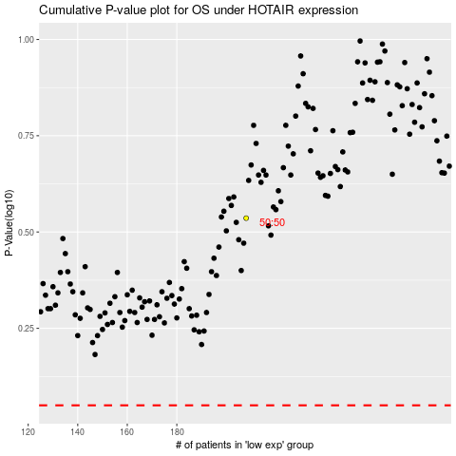

 |  |  |  |  |  | cases_OS | p_OS | rank | exp
 |  |  |  |  |  |  | cases_RFS | p_RFS | rank | exp

