HOXA11 _multivariate
Reported by Tex Li-Hsing Chi. tex@gate.sinica.edu.tw 2019-08-19

Table 2. The clinicopathological features of HNSCC cohort and HOXA11 expression. (Chi square test)
Cutoff at -0.382 (30.9%)
 |  | HOXA11 expression |  | HOXA11 expression |  | (Optimised)
 | Features | Low | (%) | High | (%) | Case no | P-value | Remark | Matthews
Gender | Female | 94 | 22.7 | 212 | 51.1 | 415 | 0.8816 | 0 | 0
2 | Male | 35 | 8.4 | 74 | 17.8
Age at diagnosis | <=65y | 89 | 21.4 | 185 | 44.6 | 415 | 0.456 | 0 | 0
4 | >65y | 40 | 9.6 | 101 | 24.3
Clinical T Status | T1+T2 | 50 | 12 | 99 | 23.9 | 415 | 0.4814 | 0 | 0
6 | T3+T4 | 79 | 19 | 187 | 45.1
Clinical N Status | N0 | 65 | 15.7 | 151 | 36.4 | 415 | 0.7274 | 0 | 0
8 | N1-3 | 64 | 15.4 | 135 | 32.5
Clinical M Status | M0 | 128 | 30.8 | 284 | 68.4 | 415 | 1 | 0 | 0
10 | M1 | 1 | 0.2 | 2 | 0.5
Clinical Stage | Stage I+II | 26 | 6.3 | 76 | 18.3 | 415 | 0.1997 | 0 | 0
12 | Stage III+IV | 103 | 24.8 | 210 | 50.6
Surgical Margin status | Negative | 98 | 23.6 | 220 | 53 | 415 | 0.9003 | 0 | 0
14 | Positive | 31 | 7.5 | 66 | 15.9
Tobacco Exposure | Low | 54 | 13 | 107 | 25.8 | 415 | 0.4463 | 0 | 0
16 | High | 75 | 18.1 | 179 | 43.1

Table 3. Univariate/Multivariate Cox's proportional hazards regression analyses on OS time of HOXA11 gene expression in HNSCC

 |  | Univariate |  |  |  | Multivariate
 | Features | HR | CI95%(L) | CI95%(H) | P-value | HR | CI95%(L) | CI95%(H) | P-value
1 | Female | 1 |  |  |  | 1
Gender | Male | 1.157 | 0.843 | 1.587 | 0.367 | 1.222 | 0.874 | 1.709 | 0.241
11 | <=65y | 1 |  |  |  | 1
Age at diagnosis | >65y | 1.329 | 0.99 | 1.784 | 0.058 | 1.384 | 1.019 | 1.88 | 0.037
12 | T1+T2 | 1 |  |  |  | 1
Clinical T Status | T3+T4 | 1.409 | 1.028 | 1.931 | 0.033 | 2.044 | 1.076 | 3.883 | 0.029
13 | N0 | 1 |  |  |  | 1
Clinical N Status | N1-3 | 1.185 | 0.89 | 1.577 | 0.246 | 1.219 | 0.854 | 1.74 | 0.277
14 | M0 | 1 |  |  |  | 1
Clinical M Status | M1 | 4.097 | 1.009 | 16.644 | 0.049 | 8.946 | 1.95 | 41.049 | 0.005
15 | Stage I+II | 1 |  |  |  | 1
Clinical Stage | Stage III+IV | 1.245 | 0.882 | 1.759 | 0.213 | 0.569 | 0.262 | 1.236 | 0.154
16 | Negative | 1 |  |  |  | 1
Surgical Margin status | Positive | 1.591 | 1.155 | 2.191 | 0.004 | 1.67 | 1.209 | 2.307 | 0.002
17 | Low | 1 |  |  |  | 1
Tobacco Exposure | High | 1.364 | 1.008 | 1.844 | 0.044 | 1.416 | 1.027 | 1.952 | 0.034
18 | Low | 1 |  |  |  | 1
RNAseq(z-score) | High | 1.41 | 1.023 | 1.942 | 0.036 | 1.351 | 0.975 | 1.873 | 0.071

Table 4. Univariate/Multivariate Cox's proportional hazards regression analyses on RFS time of HOXA11 gene expression in HNSCC

 |  | Univariate |  |  |  | Multivariate
 | Features | HR | CI95%(L) | CI95%(H) | P-value | HR | CI95%(L) | CI95%(H) | P-value
1 | Female | 1 |  |  |  | 1
Gender | Male | 1.157 | 0.843 | 1.587 | 0.367 | 1.222 | 0.874 | 1.709 | 0.241
11 | <=65y | 1 |  |  |  | 1
Age at diagnosis | >65y | 1.329 | 0.99 | 1.784 | 0.058 | 1.384 | 1.019 | 1.88 | 0.037
12 | T1+T2 | 1 |  |  |  | 1
Clinical T Status | T3+T4 | 1.409 | 1.028 | 1.931 | 0.033 | 2.044 | 1.076 | 3.883 | 0.029
13 | N0 | 1 |  |  |  | 1
Clinical N Status | N1-3 | 1.185 | 0.89 | 1.577 | 0.246 | 1.219 | 0.854 | 1.74 | 0.277
14 | M0 | 1 |  |  |  | 1
Clinical M Status | M1 | 4.097 | 1.009 | 16.644 | 0.049 | 8.946 | 1.95 | 41.049 | 0.005
15 | Stage I+II | 1 |  |  |  | 1
Clinical Stage | Stage III+IV | 1.245 | 0.882 | 1.759 | 0.213 | 0.569 | 0.262 | 1.236 | 0.154
16 | Negative | 1 |  |  |  | 1
Surgical Margin status | Positive | 1.591 | 1.155 | 2.191 | 0.004 | 1.67 | 1.209 | 2.307 | 0.002
17 | Low | 1 |  |  |  | 1
Tobacco Exposure | High | 1.364 | 1.008 | 1.844 | 0.044 | 1.416 | 1.027 | 1.952 | 0.034
18 | Low | 1 |  |  |  | 1
RNAseq(z-score) | High | 1.41 | 1.023 | 1.942 | 0.036 | 1.351 | 0.975 | 1.873 | 0.071

Kaplan-Meier survival estimate: Cutoff at -0.382 (30.9%)

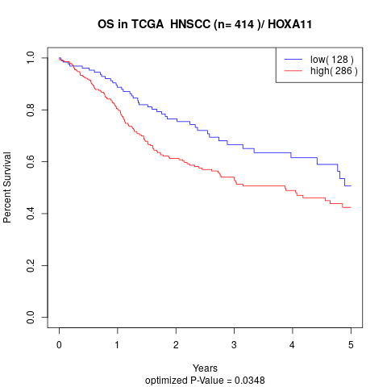

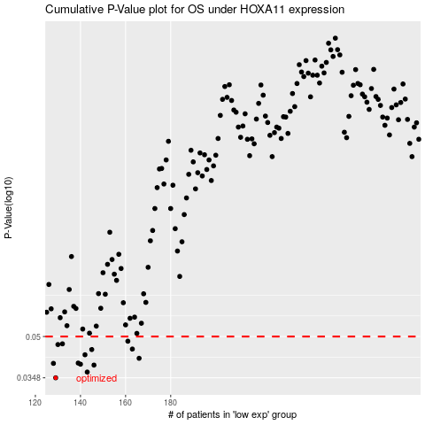

 |  |  |  |  |  | cases_OS | p_OS | rank | exp
 |  |  |  |  |  | 129 | 0.0348 | 58 | -0.38178596699
 |  |  |  |  |  | 143 | 0.0366 | 217 | -0.35806536172
 |  |  |  |  |  | 146 | 0.0389 | 155 | -0.35456332465
 |  |  |  |  |  | 140 | 0.0392 | 296 | -0.36203815949
 |  |  |  |  |  | 128 | 0.0395 | 351 | -0.38213300211
 |  |  |  |  |  | 139 | 0.0396 | 306 | -0.36209851342
 |  |  |  |  |  | 166 | 0.0413 | 70 | -0.32548630767
 |  |  |  |  |  | 142 | 0.0426 | 37 | -0.3605413819
 |  |  |  |  |  | 145 | 0.0446 | 269 | -0.35757951255
 |  |  |  |  |  | 163 | 0.0448 | 207 | -0.32775561562
 |  |  |  |  |  | 130 | 0.0466 | 369 | -0.37552877279
 |  |  |  |  |  | 132 | 0.0469 | 227 | -0.36978458703
 |  |  |  |  |  | 161 | 0.048 | 248 | -0.33096191841
 |  |  |  |  |  |  | cases_RFS | p_RFS | rank | exp
 |  |  |  |  |  |  | 128 | 0.0348 | 351 | -0.38213300211
 |  |  |  |  |  |  | 142 | 0.0366 | 37 | -0.3605413819
 |  |  |  |  |  |  | 145 | 0.0389 | 269 | -0.35757951255
 |  |  |  |  |  |  | 139 | 0.0392 | 306 | -0.36209851342
 |  |  |  |  |  |  | 127 | 0.0395 | 175 | -0.38346984177
 |  |  |  |  |  |  | 138 | 0.0396 | 177 | -0.36254965909
 |  |  |  |  |  |  | 165 | 0.0413 | 75 | -0.3255496793
 |  |  |  |  |  |  | 141 | 0.0426 | 40 | -0.36095027981
 |  |  |  |  |  |  | 144 | 0.0446 | 102 | -0.35802613167
 |  |  |  |  |  |  | 162 | 0.0448 | 321 | -0.33020296768
 |  |  |  |  |  |  | 129 | 0.0466 | 58 | -0.38178596699
 |  |  |  |  |  |  | 131 | 0.0469 | 242 | -0.36993547187
 |  |  |  |  |  |  | 160 | 0.048 | 33 | -0.3310645201

