HOXA11AS _multivariate
Reported by Tex Li-Hsing Chi. tex@gate.sinica.edu.tw 2019-08-19

Table 2. The clinicopathological features of HNSCC cohort and HOXA11AS expression. (Chi square test)
Cutoff at -0.259 (37.4%)
 |  | HOXA11AS expression |  | HOXA11AS expression |  | (Optimised)
 | Features | Low | (%) | High | (%) | Case no | P-value | Remark | Matthews
Gender | Female | 115 | 27.7 | 191 | 46 | 415 | 1 | 0 | 0
2 | Male | 41 | 9.9 | 68 | 16.4
Age at diagnosis | <=65y | 108 | 26 | 166 | 40 | 415 | 0.3353 | 0 | 0
4 | >65y | 48 | 11.6 | 93 | 22.4
Clinical T Status | T1+T2 | 64 | 15.4 | 85 | 20.5 | 415 | 0.1135 | 0 | 0
6 | T3+T4 | 92 | 22.2 | 174 | 41.9
Clinical N Status | N0 | 80 | 19.3 | 136 | 32.8 | 415 | 0.8878 | 0 | 0
8 | N1-3 | 76 | 18.3 | 123 | 29.6
Clinical M Status | M0 | 156 | 37.6 | 256 | 61.7 | 415 | 0.2945 | 0 | 0
10 | M1 | 0 | 0 | 3 | 0.7
Clinical Stage | Stage I+II | 40 | 9.6 | 62 | 14.9 | 415 | 0.7852 | 0 | 0
12 | Stage III+IV | 116 | 28 | 197 | 47.5
Surgical Margin status | Negative | 121 | 29.2 | 197 | 47.5 | 415 | 0.8109 | 0 | 0
14 | Positive | 35 | 8.4 | 62 | 14.9
Tobacco Exposure | Low | 68 | 16.4 | 93 | 22.4 | 415 | 0.1453 | 0 | 0
16 | High | 88 | 21.2 | 166 | 40

Table 3. Univariate/Multivariate Cox's proportional hazards regression analyses on OS time of HOXA11AS gene expression in HNSCC

 |  | Univariate |  |  |  | Multivariate
 | Features | HR | CI95%(L) | CI95%(H) | P-value | HR | CI95%(L) | CI95%(H) | P-value
1 | Female | 1 |  |  |  | 1
Gender | Male | 1.157 | 0.843 | 1.587 | 0.367 | 1.207 | 0.864 | 1.685 | 0.271
11 | <=65y | 1 |  |  |  | 1
Age at diagnosis | >65y | 1.329 | 0.99 | 1.784 | 0.058 | 1.396 | 1.027 | 1.896 | 0.033
12 | T1+T2 | 1 |  |  |  | 1
Clinical T Status | T3+T4 | 1.409 | 1.028 | 1.931 | 0.033 | 2.119 | 1.12 | 4.009 | 0.021
13 | N0 | 1 |  |  |  | 1
Clinical N Status | N1-3 | 1.185 | 0.89 | 1.577 | 0.246 | 1.245 | 0.873 | 1.777 | 0.226
14 | M0 | 1 |  |  |  | 1
Clinical M Status | M1 | 4.097 | 1.009 | 16.644 | 0.049 | 8.136 | 1.764 | 37.536 | 0.007
15 | Stage I+II | 1 |  |  |  | 1
Clinical Stage | Stage III+IV | 1.245 | 0.882 | 1.759 | 0.213 | 0.529 | 0.246 | 1.138 | 0.103
16 | Negative | 1 |  |  |  | 1
Surgical Margin status | Positive | 1.591 | 1.155 | 2.191 | 0.004 | 1.604 | 1.158 | 2.221 | 0.004
17 | Low | 1 |  |  |  | 1
Tobacco Exposure | High | 1.364 | 1.008 | 1.844 | 0.044 | 1.411 | 1.023 | 1.944 | 0.036
18 | Low | 1 |  |  |  | 1
RNAseq(z-score) | High | 1.465 | 1.081 | 1.985 | 0.014 | 1.353 | 0.992 | 1.846 | 0.057

Table 4. Univariate/Multivariate Cox's proportional hazards regression analyses on RFS time of HOXA11AS gene expression in HNSCC

 |  | Univariate |  |  |  | Multivariate
 | Features | HR | CI95%(L) | CI95%(H) | P-value | HR | CI95%(L) | CI95%(H) | P-value
1 | Female | 1 |  |  |  | 1
Gender | Male | 1.157 | 0.843 | 1.587 | 0.367 | 1.207 | 0.864 | 1.685 | 0.271
11 | <=65y | 1 |  |  |  | 1
Age at diagnosis | >65y | 1.329 | 0.99 | 1.784 | 0.058 | 1.396 | 1.027 | 1.896 | 0.033
12 | T1+T2 | 1 |  |  |  | 1
Clinical T Status | T3+T4 | 1.409 | 1.028 | 1.931 | 0.033 | 2.119 | 1.12 | 4.009 | 0.021
13 | N0 | 1 |  |  |  | 1
Clinical N Status | N1-3 | 1.185 | 0.89 | 1.577 | 0.246 | 1.245 | 0.873 | 1.777 | 0.226
14 | M0 | 1 |  |  |  | 1
Clinical M Status | M1 | 4.097 | 1.009 | 16.644 | 0.049 | 8.136 | 1.764 | 37.536 | 0.007
15 | Stage I+II | 1 |  |  |  | 1
Clinical Stage | Stage III+IV | 1.245 | 0.882 | 1.759 | 0.213 | 0.529 | 0.246 | 1.138 | 0.103
16 | Negative | 1 |  |  |  | 1
Surgical Margin status | Positive | 1.591 | 1.155 | 2.191 | 0.004 | 1.604 | 1.158 | 2.221 | 0.004
17 | Low | 1 |  |  |  | 1
Tobacco Exposure | High | 1.364 | 1.008 | 1.844 | 0.044 | 1.411 | 1.023 | 1.944 | 0.036
18 | Low | 1 |  |  |  | 1
RNAseq(z-score) | High | 1.465 | 1.081 | 1.985 | 0.014 | 1.353 | 0.992 | 1.846 | 0.057

Kaplan-Meier survival estimate: Cutoff at -0.259 (37.4%)

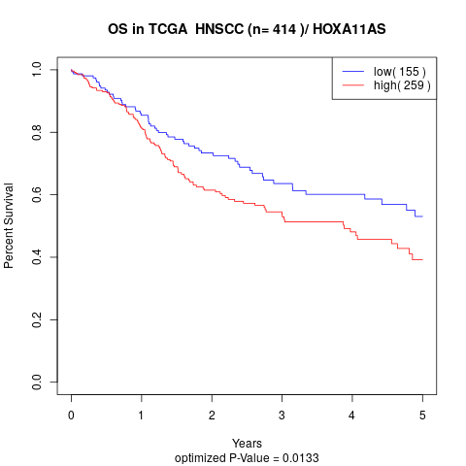

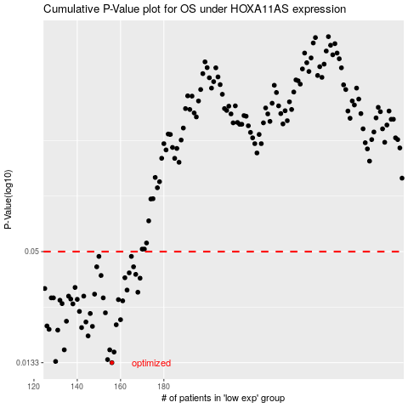

 |  |  |  |  |  | cases_OS | p_OS | rank | exp
 |  |  |  |  |  | 156 | 0.0133 | 211 | -0.25891586126
 |  |  |  |  |  | 130 | 0.0135 | 64 | -0.27191813385
 |  |  |  |  |  | 154 | 0.0138 | 254 | -0.25984875974
 |  |  |  |  |  | 157 | 0.0151 | 62 | -0.25890526014
 |  |  |  |  |  | 134 | 0.0155 | 68 | -0.26925990323
 |  |  |  |  |  | 155 | 0.0155 | 103 | -0.25940616302
 |  |  |  |  |  | 145 | 0.0183 | 369 | -0.26477032929
 |  |  |  |  |  | 131 | 0.0196 | 70 | -0.27081296718
 |  |  |  |  |  | 127 | 0.0198 | 201 | -0.27277682449
 |  |  |  |  |  | 142 | 0.0202 | 217 | -0.26536134168
 |  |  |  |  |  | 147 | 0.0205 | 349 | -0.26384803193
 |  |  |  |  |  | 126 | 0.0206 | 145 | -0.27286958429
 |  |  |  |  |  | 158 | 0.0209 | 302 | -0.25747410906
 |  |  |  |  |  | 144 | 0.0216 | 171 | -0.26506186006
 |  |  |  |  |  | 135 | 0.0218 | 54 | -0.26892066742
 |  |  |  |  |  | 160 | 0.0222 | 248 | -0.25630003512
 |  |  |  |  |  | 146 | 0.0239 | 336 | -0.26427207669
 |  |  |  |  |  | 153 | 0.0241 | 177 | -0.26021184807
 |  |  |  |  |  | 141 | 0.0245 | 158 | -0.26685079891
 |  |  |  |  |  | 138 | 0.0268 | 82 | -0.2675213197
 |  |  |  |  |  | 133 | 0.0269 | 175 | -0.27022460507
 |  |  |  |  |  | 161 | 0.0278 | 125 | -0.25596079931
 |  |  |  |  |  | 132 | 0.028 | 356 | -0.27070430571
 |  |  |  |  |  | 159 | 0.0282 | 151 | -0.25644049995
 |  |  |  |  |  | 140 | 0.0283 | 11 | -0.26686140003
 |  |  |  |  |  | 137 | 0.0284 | 197 | -0.26806992761
 |  |  |  |  |  | 128 | 0.0288 | 3 | -0.2719234344
 |  |  |  |  |  | 129 | 0.0288 | 271 | -0.2719234344
 |  |  |  |  |  | 152 | 0.0288 | 314 | -0.26119775215
 |  |  |  |  |  | 143 | 0.0294 | 111 | -0.26508836286
 |  |  |  |  |  | 136 | 0.0294 | 391 | -0.2686079344
 |  |  |  |  |  | 148 | 0.0301 | 159 | -0.26379502633
 |  |  |  |  |  | 168 | 0.0308 | 244 | -0.25133341082
 |  |  |  |  |  | 163 | 0.0316 | 203 | -0.25476287285
 |  |  |  |  |  | 125 | 0.0322 | 183 | -0.27294379212
 |  |  |  |  |  | 139 | 0.0326 | 269 | -0.26708667381
 |  |  |  |  |  | 169 | 0.0364 | 281 | -0.251126689
 |  |  |  |  |  | 162 | 0.0366 | 293 | -0.25581503392
 |  |  |  |  |  | 151 | 0.0376 | 45 | -0.26162444719
 |  |  |  |  |  | 167 | 0.0381 | 347 | -0.25143942201
 |  |  |  |  |  | 164 | 0.0388 | 338 | -0.25441303592
 |  |  |  |  |  | 166 | 0.0417 | 348 | -0.25212849475
 |  |  |  |  |  | 149 | 0.0417 | 401 | -0.2627110619
 |  |  |  |  |  | 165 | 0.0472 | 104 | -0.25425401913
 |  |  |  |  |  | 150 | 0.0472 | 105 | -0.2625149412
 |  |  |  |  |  |  | cases_RFS | p_RFS | rank | exp
 |  |  |  |  |  |  | 155 | 0.0133 | 103 | -0.25940616302
 |  |  |  |  |  |  | 129 | 0.0135 | 271 | -0.2719234344
 |  |  |  |  |  |  | 153 | 0.0138 | 177 | -0.26021184807
 |  |  |  |  |  |  | 156 | 0.0151 | 211 | -0.25891586126
 |  |  |  |  |  |  | 133 | 0.0155 | 175 | -0.27022460507
 |  |  |  |  |  |  | 154 | 0.0155 | 254 | -0.25984875974
 |  |  |  |  |  |  | 144 | 0.0183 | 171 | -0.26506186006
 |  |  |  |  |  |  | 130 | 0.0196 | 64 | -0.27191813385
 |  |  |  |  |  |  | 126 | 0.0198 | 145 | -0.27286958429
 |  |  |  |  |  |  | 141 | 0.0202 | 158 | -0.26685079891
 |  |  |  |  |  |  | 146 | 0.0205 | 336 | -0.26427207669
 |  |  |  |  |  |  | 125 | 0.0206 | 183 | -0.27294379212
 |  |  |  |  |  |  | 157 | 0.0209 | 62 | -0.25890526014
 |  |  |  |  |  |  | 143 | 0.0216 | 111 | -0.26508836286
 |  |  |  |  |  |  | 134 | 0.0218 | 68 | -0.26925990323
 |  |  |  |  |  |  | 159 | 0.0222 | 151 | -0.25644049995
 |  |  |  |  |  |  | 145 | 0.0239 | 369 | -0.26477032929
 |  |  |  |  |  |  | 152 | 0.0241 | 314 | -0.26119775215
 |  |  |  |  |  |  | 140 | 0.0245 | 11 | -0.26686140003
 |  |  |  |  |  |  | 137 | 0.0268 | 197 | -0.26806992761
 |  |  |  |  |  |  | 132 | 0.0269 | 356 | -0.27070430571
 |  |  |  |  |  |  | 160 | 0.0278 | 248 | -0.25630003512
 |  |  |  |  |  |  | 131 | 0.028 | 70 | -0.27081296718
 |  |  |  |  |  |  | 158 | 0.0282 | 302 | -0.25747410906
 |  |  |  |  |  |  | 139 | 0.0283 | 269 | -0.26708667381
 |  |  |  |  |  |  | 136 | 0.0284 | 391 | -0.2686079344
 |  |  |  |  |  |  | 128 | 0.0288 | 3 | -0.2719234344
 |  |  |  |  |  |  | 151 | 0.0288 | 45 | -0.26162444719
 |  |  |  |  |  |  | 127 | 0.0288 | 201 | -0.27277682449
 |  |  |  |  |  |  | 135 | 0.0294 | 54 | -0.26892066742
 |  |  |  |  |  |  | 142 | 0.0294 | 217 | -0.26536134168
 |  |  |  |  |  |  | 147 | 0.0301 | 349 | -0.26384803193
 |  |  |  |  |  |  | 167 | 0.0308 | 347 | -0.25143942201
 |  |  |  |  |  |  | 162 | 0.0316 | 293 | -0.25581503392
 |  |  |  |  |  |  |  | 0.0322 | 298 | -0.27347914863
 |  |  |  |  |  |  | 138 | 0.0326 | 82 | -0.2675213197
 |  |  |  |  |  |  | 168 | 0.0364 | 244 | -0.25133341082
 |  |  |  |  |  |  | 161 | 0.0366 | 125 | -0.25596079931
 |  |  |  |  |  |  | 150 | 0.0376 | 105 | -0.2625149412
 |  |  |  |  |  |  | 166 | 0.0381 | 348 | -0.25212849475
 |  |  |  |  |  |  | 163 | 0.0388 | 203 | -0.25476287285
 |  |  |  |  |  |  | 165 | 0.0417 | 104 | -0.25425401913
 |  |  |  |  |  |  | 148 | 0.0417 | 159 | -0.26379502633
 |  |  |  |  |  |  | 164 | 0.0472 | 338 | -0.25441303592
 |  |  |  |  |  |  | 149 | 0.0472 | 401 | -0.2627110619

