HOXA5 _multivariate
Reported by Tex Li-Hsing Chi. tex@gate.sinica.edu.tw 2019-08-19

Table 2. The clinicopathological features of HNSCC cohort and HOXA5 expression. (Chi square test)
Cutoff at -0.296 (49.8%)
 |  | HOXA5 expression |  | HOXA5 expression |  | (Optimised)
 | Features | Low | (%) | High | (%) | Case no | P-value | Remark | Matthews
Gender | Female | 147 | 35.4 | 159 | 38.3 | 415 | 0.2523 | 0 | 0
2 | Male | 60 | 14.5 | 49 | 11.8
Age at diagnosis | <=65y | 145 | 34.9 | 129 | 31.1 | 415 | 0.1046 | 0 | 0
4 | >65y | 62 | 14.9 | 79 | 19
Clinical T Status | T1+T2 | 80 | 19.3 | 69 | 16.6 | 415 | 0.2891 | 0 | 0
6 | T3+T4 | 127 | 30.6 | 139 | 33.5
Clinical N Status | N0 | 94 | 22.7 | 122 | 29.4 | 415 | 0.0093 | 1 | 0
8 | N1-3 | 113 | 27.2 | 86 | 20.7
Clinical M Status | M0 | 206 | 49.6 | 206 | 49.6 | 415 | 1 | 0 | 0
10 | M1 | 1 | 0.2 | 2 | 0.5
Clinical Stage | Stage I+II | 52 | 12.5 | 50 | 12 | 415 | 0.8871 | 0 | 0
12 | Stage III+IV | 155 | 37.3 | 158 | 38.1
Surgical Margin status | Negative | 164 | 39.5 | 154 | 37.1 | 415 | 0.2462 | 0 | 0
14 | Positive | 43 | 10.4 | 54 | 13
Tobacco Exposure | Low | 92 | 22.2 | 69 | 16.6 | 415 | 0.0206 | 1 | 0
16 | High | 115 | 27.7 | 139 | 33.5

Table 3. Univariate/Multivariate Cox's proportional hazards regression analyses on OS time of HOXA5 gene expression in HNSCC

 |  | Univariate |  |  |  | Multivariate
 | Features | HR | CI95%(L) | CI95%(H) | P-value | HR | CI95%(L) | CI95%(H) | P-value
1 | Female | 1 |  |  |  | 1
Gender | Male | 1.157 | 0.843 | 1.587 | 0.367 | 1.178 | 0.841 | 1.651 | 0.34
11 | <=65y | 1 |  |  |  | 1
Age at diagnosis | >65y | 1.329 | 0.99 | 1.784 | 0.058 | 1.436 | 1.052 | 1.961 | 0.023
12 | T1+T2 | 1 |  |  |  | 1
Clinical T Status | T3+T4 | 1.409 | 1.028 | 1.931 | 0.033 | 2.228 | 1.179 | 4.211 | 0.014
13 | N0 | 1 |  |  |  | 1
Clinical N Status | N1-3 | 1.185 | 0.89 | 1.577 | 0.246 | 1.198 | 0.837 | 1.714 | 0.324
14 | M0 | 1 |  |  |  | 1
Clinical M Status | M1 | 4.097 | 1.009 | 16.644 | 0.049 | 9.846 | 2.146 | 45.185 | 0.003
15 | Stage I+II | 1 |  |  |  | 1
Clinical Stage | Stage III+IV | 1.245 | 0.882 | 1.759 | 0.213 | 0.514 | 0.239 | 1.104 | 0.088
16 | Negative | 1 |  |  |  | 1
Surgical Margin status | Positive | 1.591 | 1.155 | 2.191 | 0.004 | 1.69 | 1.223 | 2.335 | 0.001
17 | Low | 1 |  |  |  | 1
Tobacco Exposure | High | 1.364 | 1.008 | 1.844 | 0.044 | 1.481 | 1.073 | 2.046 | 0.017
18 | Low | 1 |  |  |  | 1
RNAseq(z-score) | High | 0.882 | 0.662 | 1.175 | 0.39 | 0.812 | 0.604 | 1.093 | 0.17

Table 4. Univariate/Multivariate Cox's proportional hazards regression analyses on RFS time of HOXA5 gene expression in HNSCC

 |  | Univariate |  |  |  | Multivariate
 | Features | HR | CI95%(L) | CI95%(H) | P-value | HR | CI95%(L) | CI95%(H) | P-value
1 | Female | 1 |  |  |  | 1
Gender | Male | 1.157 | 0.843 | 1.587 | 0.367 | 1.178 | 0.841 | 1.651 | 0.34
11 | <=65y | 1 |  |  |  | 1
Age at diagnosis | >65y | 1.329 | 0.99 | 1.784 | 0.058 | 1.436 | 1.052 | 1.961 | 0.023
12 | T1+T2 | 1 |  |  |  | 1
Clinical T Status | T3+T4 | 1.409 | 1.028 | 1.931 | 0.033 | 2.228 | 1.179 | 4.211 | 0.014
13 | N0 | 1 |  |  |  | 1
Clinical N Status | N1-3 | 1.185 | 0.89 | 1.577 | 0.246 | 1.198 | 0.837 | 1.714 | 0.324
14 | M0 | 1 |  |  |  | 1
Clinical M Status | M1 | 4.097 | 1.009 | 16.644 | 0.049 | 9.846 | 2.146 | 45.185 | 0.003
15 | Stage I+II | 1 |  |  |  | 1
Clinical Stage | Stage III+IV | 1.245 | 0.882 | 1.759 | 0.213 | 0.514 | 0.239 | 1.104 | 0.088
16 | Negative | 1 |  |  |  | 1
Surgical Margin status | Positive | 1.591 | 1.155 | 2.191 | 0.004 | 1.69 | 1.223 | 2.335 | 0.001
17 | Low | 1 |  |  |  | 1
Tobacco Exposure | High | 1.364 | 1.008 | 1.844 | 0.044 | 1.481 | 1.073 | 2.046 | 0.017
18 | Low | 1 |  |  |  | 1
RNAseq(z-score) | High | 0.882 | 0.662 | 1.175 | 0.39 | 0.812 | 0.604 | 1.093 | 0.17

Kaplan-Meier survival estimate: Cutoff at -0.296 (49.8%)



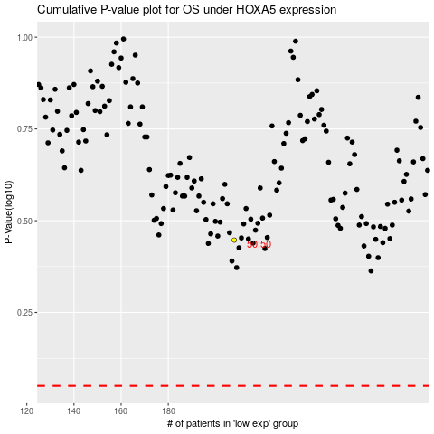

 |  |  |  |  |  | cases_OS | p_OS | rank | exp
 |  |  |  |  |  |  | cases_RFS | p_RFS | rank | exp

