HOXA6 _multivariate
Reported by Tex Li-Hsing Chi. tex@gate.sinica.edu.tw 2019-08-19

Table 2. The clinicopathological features of HNSCC cohort and HOXA6 expression. (Chi square test)
Cutoff at -0.3 (49.8%)
 |  | HOXA6 expression |  | HOXA6 expression |  | (Optimised)
 | Features | Low | (%) | High | (%) | Case no | P-value | Remark | Matthews
Gender | Female | 149 | 35.9 | 157 | 37.8 | 415 | 0.4848 | 0 | 0
2 | Male | 58 | 14 | 51 | 12.3
Age at diagnosis | <=65y | 141 | 34 | 133 | 32 | 415 | 0.4272 | 0 | 0
4 | >65y | 66 | 15.9 | 75 | 18.1
Clinical T Status | T1+T2 | 78 | 18.8 | 71 | 17.1 | 415 | 0.5152 | 0 | 0
6 | T3+T4 | 129 | 31.1 | 137 | 33
Clinical N Status | N0 | 97 | 23.4 | 119 | 28.7 | 415 | 0.0442 | 1 | 0
8 | N1-3 | 110 | 26.5 | 89 | 21.4
Clinical M Status | M0 | 206 | 49.6 | 206 | 49.6 | 415 | 1 | 0 | 0
10 | M1 | 1 | 0.2 | 2 | 0.5
Clinical Stage | Stage I+II | 51 | 12.3 | 51 | 12.3 | 415 | 1 | 0 | 0
12 | Stage III+IV | 156 | 37.6 | 157 | 37.8
Surgical Margin status | Negative | 163 | 39.3 | 155 | 37.3 | 415 | 0.3537 | 0 | 0
14 | Positive | 44 | 10.6 | 53 | 12.8
Tobacco Exposure | Low | 90 | 21.7 | 71 | 17.1 | 415 | 0.0559 | 0 | 0
16 | High | 117 | 28.2 | 137 | 33

Table 3. Univariate/Multivariate Cox's proportional hazards regression analyses on OS time of HOXA6 gene expression in HNSCC

 |  | Univariate |  |  |  | Multivariate
 | Features | HR | CI95%(L) | CI95%(H) | P-value | HR | CI95%(L) | CI95%(H) | P-value
1 | Female | 1 |  |  |  | 1
Gender | Male | 1.157 | 0.843 | 1.587 | 0.367 | 1.198 | 0.857 | 1.675 | 0.29
11 | <=65y | 1 |  |  |  | 1
Age at diagnosis | >65y | 1.329 | 0.99 | 1.784 | 0.058 | 1.395 | 1.026 | 1.896 | 0.034
12 | T1+T2 | 1 |  |  |  | 1
Clinical T Status | T3+T4 | 1.409 | 1.028 | 1.931 | 0.033 | 2.21 | 1.169 | 4.179 | 0.015
13 | N0 | 1 |  |  |  | 1
Clinical N Status | N1-3 | 1.185 | 0.89 | 1.577 | 0.246 | 1.221 | 0.853 | 1.747 | 0.276
14 | M0 | 1 |  |  |  | 1
Clinical M Status | M1 | 4.097 | 1.009 | 16.644 | 0.049 | 9.568 | 2.086 | 43.897 | 0.004
15 | Stage I+II | 1 |  |  |  | 1
Clinical Stage | Stage III+IV | 1.245 | 0.882 | 1.759 | 0.213 | 0.509 | 0.237 | 1.092 | 0.083
16 | Negative | 1 |  |  |  | 1
Surgical Margin status | Positive | 1.591 | 1.155 | 2.191 | 0.004 | 1.688 | 1.22 | 2.336 | 0.002
17 | Low | 1 |  |  |  | 1
Tobacco Exposure | High | 1.364 | 1.008 | 1.844 | 0.044 | 1.468 | 1.063 | 2.026 | 0.02
18 | Low | 1 |  |  |  | 1
RNAseq(z-score) | High | 0.964 | 0.724 | 1.284 | 0.803 | 0.909 | 0.678 | 1.219 | 0.524

Table 4. Univariate/Multivariate Cox's proportional hazards regression analyses on RFS time of HOXA6 gene expression in HNSCC

 |  | Univariate |  |  |  | Multivariate
 | Features | HR | CI95%(L) | CI95%(H) | P-value | HR | CI95%(L) | CI95%(H) | P-value
1 | Female | 1 |  |  |  | 1
Gender | Male | 1.157 | 0.843 | 1.587 | 0.367 | 1.198 | 0.857 | 1.675 | 0.29
11 | <=65y | 1 |  |  |  | 1
Age at diagnosis | >65y | 1.329 | 0.99 | 1.784 | 0.058 | 1.395 | 1.026 | 1.896 | 0.034
12 | T1+T2 | 1 |  |  |  | 1
Clinical T Status | T3+T4 | 1.409 | 1.028 | 1.931 | 0.033 | 2.21 | 1.169 | 4.179 | 0.015
13 | N0 | 1 |  |  |  | 1
Clinical N Status | N1-3 | 1.185 | 0.89 | 1.577 | 0.246 | 1.221 | 0.853 | 1.747 | 0.276
14 | M0 | 1 |  |  |  | 1
Clinical M Status | M1 | 4.097 | 1.009 | 16.644 | 0.049 | 9.568 | 2.086 | 43.897 | 0.004
15 | Stage I+II | 1 |  |  |  | 1
Clinical Stage | Stage III+IV | 1.245 | 0.882 | 1.759 | 0.213 | 0.509 | 0.237 | 1.092 | 0.083
16 | Negative | 1 |  |  |  | 1
Surgical Margin status | Positive | 1.591 | 1.155 | 2.191 | 0.004 | 1.688 | 1.22 | 2.336 | 0.002
17 | Low | 1 |  |  |  | 1
Tobacco Exposure | High | 1.364 | 1.008 | 1.844 | 0.044 | 1.468 | 1.063 | 2.026 | 0.02
18 | Low | 1 |  |  |  | 1
RNAseq(z-score) | High | 0.964 | 0.724 | 1.284 | 0.803 | 0.909 | 0.678 | 1.219 | 0.524

Kaplan-Meier survival estimate: Cutoff at -0.3 (49.8%)



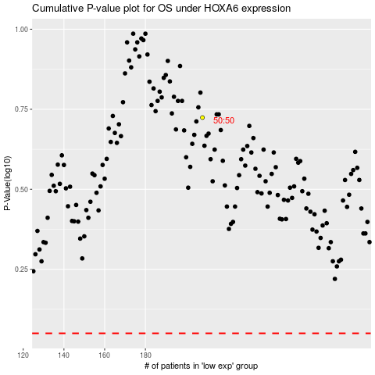

 |  |  |  |  |  | cases_OS | p_OS | rank | exp
 |  |  |  |  |  |  | cases_RFS | p_RFS | rank | exp

