HOXA9 _multivariate
Reported by Tex Li-Hsing Chi. tex@gate.sinica.edu.tw 2019-08-19

Table 2. The clinicopathological features of HNSCC cohort and HOXA9 expression. (Chi square test)
Cutoff at -0.341 (49.8%)
 |  | HOXA9 expression |  | HOXA9 expression |  | (Optimised)
 | Features | Low | (%) | High | (%) | Case no | P-value | Remark | Matthews
Gender | Female | 152 | 36.6 | 154 | 37.1 | 415 | 0.9766 | 0 | 0
2 | Male | 55 | 13.3 | 54 | 13
Age at diagnosis | <=65y | 136 | 32.8 | 138 | 33.3 | 415 | 0.9719 | 0 | 0
4 | >65y | 71 | 17.1 | 70 | 16.9
Clinical T Status | T1+T2 | 79 | 19 | 70 | 16.9 | 415 | 0.3924 | 0 | 0
6 | T3+T4 | 128 | 30.8 | 138 | 33.3
Clinical N Status | N0 | 106 | 25.5 | 110 | 26.5 | 415 | 0.8075 | 0 | 0
8 | N1-3 | 101 | 24.3 | 98 | 23.6
Clinical M Status | M0 | 207 | 49.9 | 205 | 49.4 | 415 | 0.2482 | 0 | 0
10 | M1 | 0 | 0 | 3 | 0.7
Clinical Stage | Stage I+II | 54 | 13 | 48 | 11.6 | 415 | 0.5498 | 0 | 0
12 | Stage III+IV | 153 | 36.9 | 160 | 38.6
Surgical Margin status | Negative | 167 | 40.2 | 151 | 36.4 | 415 | 0.0632 | 0 | 0
14 | Positive | 40 | 9.6 | 57 | 13.7
Tobacco Exposure | Low | 87 | 21 | 74 | 17.8 | 415 | 0.1911 | 0 | 0
16 | High | 120 | 28.9 | 134 | 32.3

Table 3. Univariate/Multivariate Cox's proportional hazards regression analyses on OS time of HOXA9 gene expression in HNSCC

 |  | Univariate |  |  |  | Multivariate
 | Features | HR | CI95%(L) | CI95%(H) | P-value | HR | CI95%(L) | CI95%(H) | P-value
1 | Female | 1 |  |  |  | 1
Gender | Male | 1.157 | 0.843 | 1.587 | 0.367 | 1.206 | 0.864 | 1.684 | 0.271
11 | <=65y | 1 |  |  |  | 1
Age at diagnosis | >65y | 1.329 | 0.99 | 1.784 | 0.058 | 1.407 | 1.034 | 1.915 | 0.03
12 | T1+T2 | 1 |  |  |  | 1
Clinical T Status | T3+T4 | 1.409 | 1.028 | 1.931 | 0.033 | 2.272 | 1.199 | 4.307 | 0.012
13 | N0 | 1 |  |  |  | 1
Clinical N Status | N1-3 | 1.185 | 0.89 | 1.577 | 0.246 | 1.241 | 0.87 | 1.771 | 0.233
14 | M0 | 1 |  |  |  | 1
Clinical M Status | M1 | 4.097 | 1.009 | 16.644 | 0.049 | 10.518 | 2.26 | 48.941 | 0.003
15 | Stage I+II | 1 |  |  |  | 1
Clinical Stage | Stage III+IV | 1.245 | 0.882 | 1.759 | 0.213 | 0.497 | 0.231 | 1.067 | 0.073
16 | Negative | 1 |  |  |  | 1
Surgical Margin status | Positive | 1.591 | 1.155 | 2.191 | 0.004 | 1.699 | 1.228 | 2.351 | 0.001
17 | Low | 1 |  |  |  | 1
Tobacco Exposure | High | 1.364 | 1.008 | 1.844 | 0.044 | 1.473 | 1.068 | 2.03 | 0.018
18 | Low | 1 |  |  |  | 1
RNAseq(z-score) | High | 0.974 | 0.729 | 1.302 | 0.86 | 0.852 | 0.633 | 1.146 | 0.29

Table 4. Univariate/Multivariate Cox's proportional hazards regression analyses on RFS time of HOXA9 gene expression in HNSCC

 |  | Univariate |  |  |  | Multivariate
 | Features | HR | CI95%(L) | CI95%(H) | P-value | HR | CI95%(L) | CI95%(H) | P-value
1 | Female | 1 |  |  |  | 1
Gender | Male | 1.157 | 0.843 | 1.587 | 0.367 | 1.206 | 0.864 | 1.684 | 0.271
11 | <=65y | 1 |  |  |  | 1
Age at diagnosis | >65y | 1.329 | 0.99 | 1.784 | 0.058 | 1.407 | 1.034 | 1.915 | 0.03
12 | T1+T2 | 1 |  |  |  | 1
Clinical T Status | T3+T4 | 1.409 | 1.028 | 1.931 | 0.033 | 2.272 | 1.199 | 4.307 | 0.012
13 | N0 | 1 |  |  |  | 1
Clinical N Status | N1-3 | 1.185 | 0.89 | 1.577 | 0.246 | 1.241 | 0.87 | 1.771 | 0.233
14 | M0 | 1 |  |  |  | 1
Clinical M Status | M1 | 4.097 | 1.009 | 16.644 | 0.049 | 10.518 | 2.26 | 48.941 | 0.003
15 | Stage I+II | 1 |  |  |  | 1
Clinical Stage | Stage III+IV | 1.245 | 0.882 | 1.759 | 0.213 | 0.497 | 0.231 | 1.067 | 0.073
16 | Negative | 1 |  |  |  | 1
Surgical Margin status | Positive | 1.591 | 1.155 | 2.191 | 0.004 | 1.699 | 1.228 | 2.351 | 0.001
17 | Low | 1 |  |  |  | 1
Tobacco Exposure | High | 1.364 | 1.008 | 1.844 | 0.044 | 1.473 | 1.068 | 2.03 | 0.018
18 | Low | 1 |  |  |  | 1
RNAseq(z-score) | High | 0.974 | 0.729 | 1.302 | 0.86 | 0.852 | 0.633 | 1.146 | 0.29

Kaplan-Meier survival estimate: Cutoff at -0.341 (49.8%)



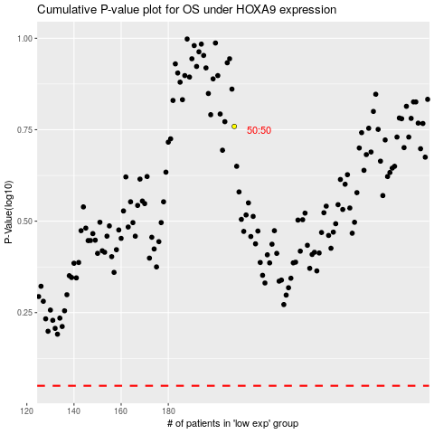

 |  |  |  |  |  | cases_OS | p_OS | rank | exp
 |  |  |  |  |  |  | cases_RFS | p_RFS | rank | exp

