HOXB3 _multivariate
Reported by Tex Li-Hsing Chi. tex@gate.sinica.edu.tw 2019-08-19

Table 2. The clinicopathological features of HNSCC cohort and HOXB3 expression. (Chi square test)
Cutoff at -0.429 (49.8%)
 |  | HOXB3 expression |  | HOXB3 expression |  | (Optimised)
 | Features | Low | (%) | High | (%) | Case no | P-value | Remark | Matthews
Gender | Female | 142 | 34.2 | 164 | 39.5 | 415 | 0.0238 | 1 | 0
2 | Male | 65 | 15.7 | 44 | 10.6
Age at diagnosis | <=65y | 132 | 31.8 | 142 | 34.2 | 415 | 0.3874 | 0 | 0
4 | >65y | 75 | 18.1 | 66 | 15.9
Clinical T Status | T1+T2 | 79 | 19 | 70 | 16.9 | 415 | 0.3924 | 0 | 0
6 | T3+T4 | 128 | 30.8 | 138 | 33.3
Clinical N Status | N0 | 103 | 24.8 | 113 | 27.2 | 415 | 0.4047 | 0 | 0
8 | N1-3 | 104 | 25.1 | 95 | 22.9
Clinical M Status | M0 | 204 | 49.2 | 208 | 50.1 | 415 | 0.1232 | 0 | 0
10 | M1 | 3 | 0.7 | 0 | 0
Clinical Stage | Stage I+II | 51 | 12.3 | 51 | 12.3 | 415 | 1 | 0 | 0
12 | Stage III+IV | 156 | 37.6 | 157 | 37.8
Surgical Margin status | Negative | 157 | 37.8 | 161 | 38.8 | 415 | 0.729 | 0 | 0
14 | Positive | 50 | 12 | 47 | 11.3
Tobacco Exposure | Low | 103 | 24.8 | 58 | 14 | 415 | 0 | 1 | 0
16 | High | 104 | 25.1 | 150 | 36.1

Table 3. Univariate/Multivariate Cox's proportional hazards regression analyses on OS time of HOXB3 gene expression in HNSCC

 |  | Univariate |  |  |  | Multivariate
 | Features | HR | CI95%(L) | CI95%(H) | P-value | HR | CI95%(L) | CI95%(H) | P-value
1 | Female | 1 |  |  |  | 1
Gender | Male | 1.157 | 0.843 | 1.587 | 0.367 | 1.174 | 0.837 | 1.647 | 0.354
11 | <=65y | 1 |  |  |  | 1
Age at diagnosis | >65y | 1.329 | 0.99 | 1.784 | 0.058 | 1.392 | 1.023 | 1.893 | 0.035
12 | T1+T2 | 1 |  |  |  | 1
Clinical T Status | T3+T4 | 1.409 | 1.028 | 1.931 | 0.033 | 2.226 | 1.177 | 4.211 | 0.014
13 | N0 | 1 |  |  |  | 1
Clinical N Status | N1-3 | 1.185 | 0.89 | 1.577 | 0.246 | 1.24 | 0.869 | 1.769 | 0.235
14 | M0 | 1 |  |  |  | 1
Clinical M Status | M1 | 4.097 | 1.009 | 16.644 | 0.049 | 8.832 | 1.915 | 40.734 | 0.005
15 | Stage I+II | 1 |  |  |  | 1
Clinical Stage | Stage III+IV | 1.245 | 0.882 | 1.759 | 0.213 | 0.5 | 0.233 | 1.073 | 0.075
16 | Negative | 1 |  |  |  | 1
Surgical Margin status | Positive | 1.591 | 1.155 | 2.191 | 0.004 | 1.651 | 1.194 | 2.284 | 0.002
17 | Low | 1 |  |  |  | 1
Tobacco Exposure | High | 1.364 | 1.008 | 1.844 | 0.044 | 1.501 | 1.08 | 2.086 | 0.016
18 | Low | 1 |  |  |  | 1
RNAseq(z-score) | High | 0.883 | 0.663 | 1.176 | 0.395 | 0.872 | 0.643 | 1.182 | 0.378

Table 4. Univariate/Multivariate Cox's proportional hazards regression analyses on RFS time of HOXB3 gene expression in HNSCC

 |  | Univariate |  |  |  | Multivariate
 | Features | HR | CI95%(L) | CI95%(H) | P-value | HR | CI95%(L) | CI95%(H) | P-value
1 | Female | 1 |  |  |  | 1
Gender | Male | 1.157 | 0.843 | 1.587 | 0.367 | 1.174 | 0.837 | 1.647 | 0.354
11 | <=65y | 1 |  |  |  | 1
Age at diagnosis | >65y | 1.329 | 0.99 | 1.784 | 0.058 | 1.392 | 1.023 | 1.893 | 0.035
12 | T1+T2 | 1 |  |  |  | 1
Clinical T Status | T3+T4 | 1.409 | 1.028 | 1.931 | 0.033 | 2.226 | 1.177 | 4.211 | 0.014
13 | N0 | 1 |  |  |  | 1
Clinical N Status | N1-3 | 1.185 | 0.89 | 1.577 | 0.246 | 1.24 | 0.869 | 1.769 | 0.235
14 | M0 | 1 |  |  |  | 1
Clinical M Status | M1 | 4.097 | 1.009 | 16.644 | 0.049 | 8.832 | 1.915 | 40.734 | 0.005
15 | Stage I+II | 1 |  |  |  | 1
Clinical Stage | Stage III+IV | 1.245 | 0.882 | 1.759 | 0.213 | 0.5 | 0.233 | 1.073 | 0.075
16 | Negative | 1 |  |  |  | 1
Surgical Margin status | Positive | 1.591 | 1.155 | 2.191 | 0.004 | 1.651 | 1.194 | 2.284 | 0.002
17 | Low | 1 |  |  |  | 1
Tobacco Exposure | High | 1.364 | 1.008 | 1.844 | 0.044 | 1.501 | 1.08 | 2.086 | 0.016
18 | Low | 1 |  |  |  | 1
RNAseq(z-score) | High | 0.883 | 0.663 | 1.176 | 0.395 | 0.872 | 0.643 | 1.182 | 0.378

Kaplan-Meier survival estimate: Cutoff at -0.429 (49.8%)



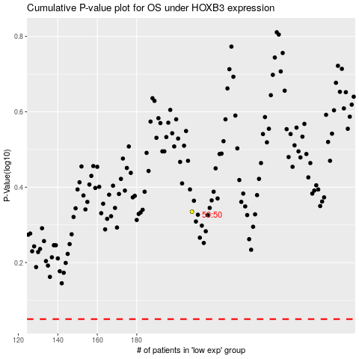

 |  |  |  |  |  | cases_OS | p_OS | rank | exp
 |  |  |  |  |  |  | cases_RFS | p_RFS | rank | exp

