HOXB5 _multivariate
Reported by Tex Li-Hsing Chi. tex@gate.sinica.edu.tw 2019-08-19

Table 2. The clinicopathological features of HNSCC cohort and HOXB5 expression. (Chi square test)
Cutoff at -0.247 (55.3%)
 |  | HOXB5 expression |  | HOXB5 expression |  | (Optimised)
 | Features | Low | (%) | High | (%) | Case no | P-value | Remark | Matthews
Gender | Female | 170 | 41 | 136 | 32.8 | 415 | 1 | 0 | 0
2 | Male | 60 | 14.5 | 49 | 11.8
Age at diagnosis | <=65y | 155 | 37.3 | 119 | 28.7 | 415 | 0.5813 | 0 | 0
4 | >65y | 75 | 18.1 | 66 | 15.9
Clinical T Status | T1+T2 | 89 | 21.4 | 60 | 14.5 | 415 | 0.2228 | 0 | 0
6 | T3+T4 | 141 | 34 | 125 | 30.1
Clinical N Status | N0 | 108 | 26 | 108 | 26 | 415 | 0.0267 | 1 | 0
8 | N1-3 | 122 | 29.4 | 77 | 18.6
Clinical M Status | M0 | 227 | 54.7 | 185 | 44.6 | 415 | 0.257 | 0 | 0
10 | M1 | 3 | 0.7 | 0 | 0
Clinical Stage | Stage I+II | 56 | 13.5 | 46 | 11.1 | 415 | 0.9945 | 0 | 0
12 | Stage III+IV | 174 | 41.9 | 139 | 33.5
Surgical Margin status | Negative | 178 | 42.9 | 140 | 33.7 | 415 | 0.7268 | 0 | 0
14 | Positive | 52 | 12.5 | 45 | 10.8
Tobacco Exposure | Low | 95 | 22.9 | 66 | 15.9 | 415 | 0.2655 | 0 | 0
16 | High | 135 | 32.5 | 119 | 28.7

Table 3. Univariate/Multivariate Cox's proportional hazards regression analyses on OS time of HOXB5 gene expression in HNSCC

 |  | Univariate |  |  |  | Multivariate
 | Features | HR | CI95%(L) | CI95%(H) | P-value | HR | CI95%(L) | CI95%(H) | P-value
1 | Female | 1 |  |  |  | 1
Gender | Male | 1.157 | 0.843 | 1.587 | 0.367 | 1.221 | 0.875 | 1.704 | 0.241
11 | <=65y | 1 |  |  |  | 1
Age at diagnosis | >65y | 1.329 | 0.99 | 1.784 | 0.058 | 1.402 | 1.03 | 1.909 | 0.032
12 | T1+T2 | 1 |  |  |  | 1
Clinical T Status | T3+T4 | 1.409 | 1.028 | 1.931 | 0.033 | 2.321 | 1.226 | 4.393 | 0.01
13 | N0 | 1 |  |  |  | 1
Clinical N Status | N1-3 | 1.185 | 0.89 | 1.577 | 0.246 | 1.213 | 0.85 | 1.732 | 0.287
14 | M0 | 1 |  |  |  | 1
Clinical M Status | M1 | 4.097 | 1.009 | 16.644 | 0.049 | 8.72 | 1.899 | 40.04 | 0.005
15 | Stage I+II | 1 |  |  |  | 1
Clinical Stage | Stage III+IV | 1.245 | 0.882 | 1.759 | 0.213 | 0.476 | 0.222 | 1.023 | 0.057
16 | Negative | 1 |  |  |  | 1
Surgical Margin status | Positive | 1.591 | 1.155 | 2.191 | 0.004 | 1.693 | 1.224 | 2.341 | 0.001
17 | Low | 1 |  |  |  | 1
Tobacco Exposure | High | 1.364 | 1.008 | 1.844 | 0.044 | 1.531 | 1.106 | 2.119 | 0.01
18 | Low | 1 |  |  |  | 1
RNAseq(z-score) | High | 0.74 | 0.55 | 0.995 | 0.046 | 0.697 | 0.515 | 0.942 | 0.019

Table 4. Univariate/Multivariate Cox's proportional hazards regression analyses on RFS time of HOXB5 gene expression in HNSCC

 |  | Univariate |  |  |  | Multivariate
 | Features | HR | CI95%(L) | CI95%(H) | P-value | HR | CI95%(L) | CI95%(H) | P-value
1 | Female | 1 |  |  |  | 1
Gender | Male | 1.157 | 0.843 | 1.587 | 0.367 | 1.221 | 0.875 | 1.704 | 0.241
11 | <=65y | 1 |  |  |  | 1
Age at diagnosis | >65y | 1.329 | 0.99 | 1.784 | 0.058 | 1.402 | 1.03 | 1.909 | 0.032
12 | T1+T2 | 1 |  |  |  | 1
Clinical T Status | T3+T4 | 1.409 | 1.028 | 1.931 | 0.033 | 2.321 | 1.226 | 4.393 | 0.01
13 | N0 | 1 |  |  |  | 1
Clinical N Status | N1-3 | 1.185 | 0.89 | 1.577 | 0.246 | 1.213 | 0.85 | 1.732 | 0.287
14 | M0 | 1 |  |  |  | 1
Clinical M Status | M1 | 4.097 | 1.009 | 16.644 | 0.049 | 8.72 | 1.899 | 40.04 | 0.005
15 | Stage I+II | 1 |  |  |  | 1
Clinical Stage | Stage III+IV | 1.245 | 0.882 | 1.759 | 0.213 | 0.476 | 0.222 | 1.023 | 0.057
16 | Negative | 1 |  |  |  | 1
Surgical Margin status | Positive | 1.591 | 1.155 | 2.191 | 0.004 | 1.693 | 1.224 | 2.341 | 0.001
17 | Low | 1 |  |  |  | 1
Tobacco Exposure | High | 1.364 | 1.008 | 1.844 | 0.044 | 1.531 | 1.106 | 2.119 | 0.01
18 | Low | 1 |  |  |  | 1
RNAseq(z-score) | High | 0.74 | 0.55 | 0.995 | 0.046 | 0.697 | 0.515 | 0.942 | 0.019

Kaplan-Meier survival estimate: Cutoff at -0.247 (55.3%)



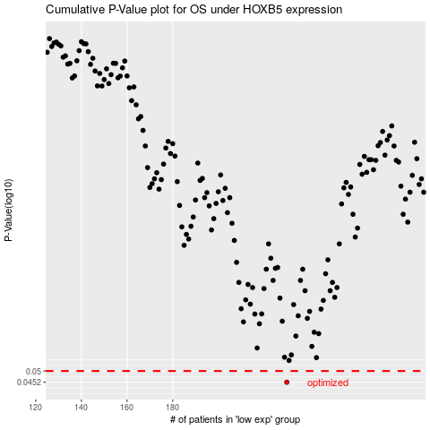

 |  |  |  |  |  | cases_OS | p_OS | rank | exp
 |  |  |  |  |  | 230 | 0.0452 | 328 | -0.24715718422
 |  |  |  |  |  |  | cases_RFS | p_RFS | rank | exp
 |  |  |  |  |  |  | 229 | 0.0452 | 236 | -0.2474122816

