HOXB6 _multivariate
Reported by Tex Li-Hsing Chi. tex@gate.sinica.edu.tw 2019-08-19

Table 2. The clinicopathological features of HNSCC cohort and HOXB6 expression. (Chi square test)
Cutoff at -0.271 (49.8%)
 |  | HOXB6 expression |  | HOXB6 expression |  | (Optimised)
 | Features | Low | (%) | High | (%) | Case no | P-value | Remark | Matthews
Gender | Female | 150 | 36.1 | 156 | 37.6 | 415 | 0.6344 | 0 | 0
2 | Male | 57 | 13.7 | 52 | 12.5
Age at diagnosis | <=65y | 142 | 34.2 | 132 | 31.8 | 415 | 0.3167 | 0 | 0
4 | >65y | 65 | 15.7 | 76 | 18.3
Clinical T Status | T1+T2 | 78 | 18.8 | 71 | 17.1 | 415 | 0.5152 | 0 | 0
6 | T3+T4 | 129 | 31.1 | 137 | 33
Clinical N Status | N0 | 99 | 23.9 | 117 | 28.2 | 415 | 0.1054 | 0 | 0
8 | N1-3 | 108 | 26 | 91 | 21.9
Clinical M Status | M0 | 205 | 49.4 | 207 | 49.9 | 415 | 0.6232 | 0 | 0
10 | M1 | 2 | 0.5 | 1 | 0.2
Clinical Stage | Stage I+II | 49 | 11.8 | 53 | 12.8 | 415 | 0.7535 | 0 | 0
12 | Stage III+IV | 158 | 38.1 | 155 | 37.3
Surgical Margin status | Negative | 158 | 38.1 | 160 | 38.6 | 415 | 0.9081 | 0 | 0
14 | Positive | 49 | 11.8 | 48 | 11.6
Tobacco Exposure | Low | 86 | 20.7 | 75 | 18.1 | 415 | 0.2687 | 0 | 0
16 | High | 121 | 29.2 | 133 | 32

Table 3. Univariate/Multivariate Cox's proportional hazards regression analyses on OS time of HOXB6 gene expression in HNSCC

 |  | Univariate |  |  |  | Multivariate
 | Features | HR | CI95%(L) | CI95%(H) | P-value | HR | CI95%(L) | CI95%(H) | P-value
1 | Female | 1 |  |  |  | 1
Gender | Male | 1.157 | 0.843 | 1.587 | 0.367 | 1.209 | 0.865 | 1.688 | 0.267
11 | <=65y | 1 |  |  |  | 1
Age at diagnosis | >65y | 1.329 | 0.99 | 1.784 | 0.058 | 1.379 | 1.014 | 1.876 | 0.041
12 | T1+T2 | 1 |  |  |  | 1
Clinical T Status | T3+T4 | 1.409 | 1.028 | 1.931 | 0.033 | 2.17 | 1.146 | 4.108 | 0.017
13 | N0 | 1 |  |  |  | 1
Clinical N Status | N1-3 | 1.185 | 0.89 | 1.577 | 0.246 | 1.252 | 0.877 | 1.788 | 0.217
14 | M0 | 1 |  |  |  | 1
Clinical M Status | M1 | 4.097 | 1.009 | 16.644 | 0.049 | 9.326 | 2.034 | 42.758 | 0.004
15 | Stage I+II | 1 |  |  |  | 1
Clinical Stage | Stage III+IV | 1.245 | 0.882 | 1.759 | 0.213 | 0.512 | 0.238 | 1.101 | 0.087
16 | Negative | 1 |  |  |  | 1
Surgical Margin status | Positive | 1.591 | 1.155 | 2.191 | 0.004 | 1.676 | 1.213 | 2.316 | 0.002
17 | Low | 1 |  |  |  | 1
Tobacco Exposure | High | 1.364 | 1.008 | 1.844 | 0.044 | 1.437 | 1.042 | 1.981 | 0.027
18 | Low | 1 |  |  |  | 1
RNAseq(z-score) | High | 1.158 | 0.87 | 1.543 | 0.315 | 1.126 | 0.842 | 1.507 | 0.424

Table 4. Univariate/Multivariate Cox's proportional hazards regression analyses on RFS time of HOXB6 gene expression in HNSCC

 |  | Univariate |  |  |  | Multivariate
 | Features | HR | CI95%(L) | CI95%(H) | P-value | HR | CI95%(L) | CI95%(H) | P-value
1 | Female | 1 |  |  |  | 1
Gender | Male | 1.157 | 0.843 | 1.587 | 0.367 | 1.209 | 0.865 | 1.688 | 0.267
11 | <=65y | 1 |  |  |  | 1
Age at diagnosis | >65y | 1.329 | 0.99 | 1.784 | 0.058 | 1.379 | 1.014 | 1.876 | 0.041
12 | T1+T2 | 1 |  |  |  | 1
Clinical T Status | T3+T4 | 1.409 | 1.028 | 1.931 | 0.033 | 2.17 | 1.146 | 4.108 | 0.017
13 | N0 | 1 |  |  |  | 1
Clinical N Status | N1-3 | 1.185 | 0.89 | 1.577 | 0.246 | 1.252 | 0.877 | 1.788 | 0.217
14 | M0 | 1 |  |  |  | 1
Clinical M Status | M1 | 4.097 | 1.009 | 16.644 | 0.049 | 9.326 | 2.034 | 42.758 | 0.004
15 | Stage I+II | 1 |  |  |  | 1
Clinical Stage | Stage III+IV | 1.245 | 0.882 | 1.759 | 0.213 | 0.512 | 0.238 | 1.101 | 0.087
16 | Negative | 1 |  |  |  | 1
Surgical Margin status | Positive | 1.591 | 1.155 | 2.191 | 0.004 | 1.676 | 1.213 | 2.316 | 0.002
17 | Low | 1 |  |  |  | 1
Tobacco Exposure | High | 1.364 | 1.008 | 1.844 | 0.044 | 1.437 | 1.042 | 1.981 | 0.027
18 | Low | 1 |  |  |  | 1
RNAseq(z-score) | High | 1.158 | 0.87 | 1.543 | 0.315 | 1.126 | 0.842 | 1.507 | 0.424

Kaplan-Meier survival estimate: Cutoff at -0.271 (49.8%)



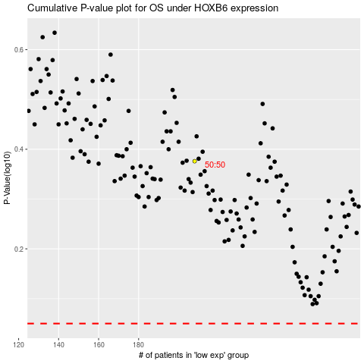

 |  |  |  |  |  | cases_OS | p_OS | rank | exp
 |  |  |  |  |  |  | cases_RFS | p_RFS | rank | exp

