HOXB8 _multivariate
Reported by Tex Li-Hsing Chi. tex@gate.sinica.edu.tw 2019-08-19

Table 2. The clinicopathological features of HNSCC cohort and HOXB8 expression. (Chi square test)
Cutoff at -0.14 (69.8%)
 |  | HOXB8 expression |  | HOXB8 expression |  | (Optimised)
 | Features | Low | (%) | High | (%) | Case no | P-value | Remark | Matthews
Gender | Female | 210 | 50.6 | 96 | 23.1 | 415 | 0.5292 | 0 | 0
2 | Male | 79 | 19 | 30 | 7.2
Age at diagnosis | <=65y | 194 | 46.7 | 80 | 19.3 | 415 | 0.5442 | 0 | 0
4 | >65y | 95 | 22.9 | 46 | 11.1
Clinical T Status | T1+T2 | 115 | 27.7 | 34 | 8.2 | 415 | 0.0169 | 1 | 0
6 | T3+T4 | 174 | 41.9 | 92 | 22.2
Clinical N Status | N0 | 150 | 36.1 | 66 | 15.9 | 415 | 1 | 0 | 0
8 | N1-3 | 139 | 33.5 | 60 | 14.5
Clinical M Status | M0 | 287 | 69.2 | 125 | 30.1 | 415 | 1 | 0 | 0
10 | M1 | 2 | 0.5 | 1 | 0.2
Clinical Stage | Stage I+II | 78 | 18.8 | 24 | 5.8 | 415 | 0.1087 | 0 | 0
12 | Stage III+IV | 211 | 50.8 | 102 | 24.6
Surgical Margin status | Negative | 228 | 54.9 | 90 | 21.7 | 415 | 0.1027 | 0 | 0
14 | Positive | 61 | 14.7 | 36 | 8.7
Tobacco Exposure | Low | 132 | 31.8 | 29 | 7 | 415 | 0 | 1 | 0
16 | High | 157 | 37.8 | 97 | 23.4

Table 3. Univariate/Multivariate Cox's proportional hazards regression analyses on OS time of HOXB8 gene expression in HNSCC

 |  | Univariate |  |  |  | Multivariate
 | Features | HR | CI95%(L) | CI95%(H) | P-value | HR | CI95%(L) | CI95%(H) | P-value
1 | Female | 1 |  |  |  | 1
Gender | Male | 1.157 | 0.843 | 1.587 | 0.367 | 1.221 | 0.874 | 1.706 | 0.242
11 | <=65y | 1 |  |  |  | 1
Age at diagnosis | >65y | 1.329 | 0.99 | 1.784 | 0.058 | 1.364 | 1.002 | 1.856 | 0.048
12 | T1+T2 | 1 |  |  |  | 1
Clinical T Status | T3+T4 | 1.409 | 1.028 | 1.931 | 0.033 | 2.132 | 1.126 | 4.039 | 0.02
13 | N0 | 1 |  |  |  | 1
Clinical N Status | N1-3 | 1.185 | 0.89 | 1.577 | 0.246 | 1.247 | 0.874 | 1.78 | 0.223
14 | M0 | 1 |  |  |  | 1
Clinical M Status | M1 | 4.097 | 1.009 | 16.644 | 0.049 | 9.328 | 2.035 | 42.753 | 0.004
15 | Stage I+II | 1 |  |  |  | 1
Clinical Stage | Stage III+IV | 1.245 | 0.882 | 1.759 | 0.213 | 0.509 | 0.237 | 1.092 | 0.083
16 | Negative | 1 |  |  |  | 1
Surgical Margin status | Positive | 1.591 | 1.155 | 2.191 | 0.004 | 1.636 | 1.182 | 2.263 | 0.003
17 | Low | 1 |  |  |  | 1
Tobacco Exposure | High | 1.364 | 1.008 | 1.844 | 0.044 | 1.38 | 0.993 | 1.919 | 0.055
18 | Low | 1 |  |  |  | 1
RNAseq(z-score) | High | 1.436 | 1.057 | 1.95 | 0.021 | 1.246 | 0.902 | 1.722 | 0.182

Table 4. Univariate/Multivariate Cox's proportional hazards regression analyses on RFS time of HOXB8 gene expression in HNSCC

 |  | Univariate |  |  |  | Multivariate
 | Features | HR | CI95%(L) | CI95%(H) | P-value | HR | CI95%(L) | CI95%(H) | P-value
1 | Female | 1 |  |  |  | 1
Gender | Male | 1.157 | 0.843 | 1.587 | 0.367 | 1.221 | 0.874 | 1.706 | 0.242
11 | <=65y | 1 |  |  |  | 1
Age at diagnosis | >65y | 1.329 | 0.99 | 1.784 | 0.058 | 1.364 | 1.002 | 1.856 | 0.048
12 | T1+T2 | 1 |  |  |  | 1
Clinical T Status | T3+T4 | 1.409 | 1.028 | 1.931 | 0.033 | 2.132 | 1.126 | 4.039 | 0.02
13 | N0 | 1 |  |  |  | 1
Clinical N Status | N1-3 | 1.185 | 0.89 | 1.577 | 0.246 | 1.247 | 0.874 | 1.78 | 0.223
14 | M0 | 1 |  |  |  | 1
Clinical M Status | M1 | 4.097 | 1.009 | 16.644 | 0.049 | 9.328 | 2.035 | 42.753 | 0.004
15 | Stage I+II | 1 |  |  |  | 1
Clinical Stage | Stage III+IV | 1.245 | 0.882 | 1.759 | 0.213 | 0.509 | 0.237 | 1.092 | 0.083
16 | Negative | 1 |  |  |  | 1
Surgical Margin status | Positive | 1.591 | 1.155 | 2.191 | 0.004 | 1.636 | 1.182 | 2.263 | 0.003
17 | Low | 1 |  |  |  | 1
Tobacco Exposure | High | 1.364 | 1.008 | 1.844 | 0.044 | 1.38 | 0.993 | 1.919 | 0.055
18 | Low | 1 |  |  |  | 1
RNAseq(z-score) | High | 1.436 | 1.057 | 1.95 | 0.021 | 1.246 | 0.902 | 1.722 | 0.182

Kaplan-Meier survival estimate: Cutoff at -0.14 (69.8%)

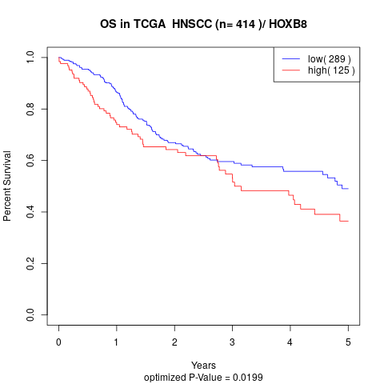

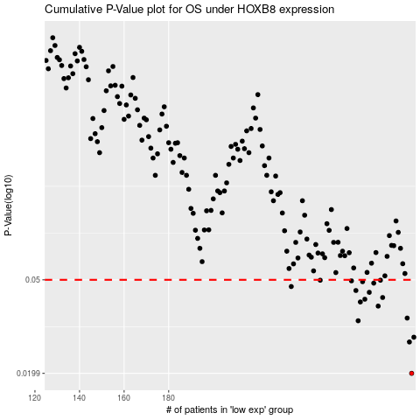

 |  |  |  |  |  | cases_OS | p_OS | rank | exp
 |  |  |  |  |  | 289 | 0.0199 | 204 | -0.13987104772
 |  |  |  |  |  | 288 | 0.0271 | 40 | -0.14015366722
 |  |  |  |  |  | 290 | 0.0284 | 366 | -0.13957199685
 |  |  |  |  |  | 265 | 0.0334 | 267 | -0.17456752082
 |  |  |  |  |  | 287 | 0.0343 | 392 | -0.14026868678
 |  |  |  |  |  | 274 | 0.0386 | 86 | -0.16262849006
 |  |  |  |  |  | 266 | 0.0402 | 203 | -0.17311170177
 |  |  |  |  |  | 268 | 0.0413 | 284 | -0.1715835847
 |  |  |  |  |  | 276 | 0.042 | 74 | -0.16172805118
 |  |  |  |  |  | 270 | 0.0442 | 387 | -0.16535938314
 |  |  |  |  |  | 264 | 0.045 | 282 | -0.17464310511
 |  |  |  |  |  | 235 | 0.0468 | 77 | -0.2081368022
 |  |  |  |  |  | 272 | 0.0484 | 308 | -0.16417632476
 |  |  |  |  |  | 267 | 0.0491 | 335 | -0.17273706661
 |  |  |  |  |  | 262 | 0.0495 | 275 | -0.17492572461
 |  |  |  |  |  | 248 | 0.0498 | 137 | -0.19063082453
 |  |  |  |  |  | 275 | 0.0498 | 295 | -0.1617872041
 |  |  |  |  |  |  | cases_RFS | p_RFS | rank | exp
 |  |  |  |  |  |  | 288 | 0.0199 | 40 | -0.14015366722
 |  |  |  |  |  |  | 287 | 0.0271 | 392 | -0.14026868678
 |  |  |  |  |  |  | 289 | 0.0284 | 204 | -0.13987104772
 |  |  |  |  |  |  | 264 | 0.0334 | 282 | -0.17464310511
 |  |  |  |  |  |  | 286 | 0.0343 | 188 | -0.14426479507
 |  |  |  |  |  |  | 273 | 0.0386 | 26 | -0.16416646595
 |  |  |  |  |  |  | 265 | 0.0402 | 267 | -0.17456752082
 |  |  |  |  |  |  | 267 | 0.0413 | 335 | -0.17273706661
 |  |  |  |  |  |  | 275 | 0.042 | 295 | -0.1617872041
 |  |  |  |  |  |  | 269 | 0.0442 | 95 | -0.16731471573
 |  |  |  |  |  |  | 263 | 0.045 | 328 | -0.17485999914
 |  |  |  |  |  |  | 234 | 0.0468 | 17 | -0.20886306859
 |  |  |  |  |  |  | 271 | 0.0484 | 234 | -0.1652542224
 |  |  |  |  |  |  | 266 | 0.0491 | 203 | -0.17311170177
 |  |  |  |  |  |  | 261 | 0.0495 | 122 | -0.17526092448
 |  |  |  |  |  |  | 247 | 0.0498 | 45 | -0.1914326752
 |  |  |  |  |  |  | 274 | 0.0498 | 86 | -0.16262849006

