HOXC11 _multivariate
Reported by Tex Li-Hsing Chi. tex@gate.sinica.edu.tw 2019-08-19

Table 2. The clinicopathological features of HNSCC cohort and HOXC11 expression. (Chi square test)
Cutoff at -0.156 (50.0%)
 |  | HOXC11 expression |  | HOXC11 expression |  | (Optimised)
 | Features | Low | (%) | High | (%) | Case no | P-value | Remark | Matthews
Gender | Female | 151 | 36.4 | 155 | 37.3 | 415 | 0.8007 | 0 | 0
2 | Male | 56 | 13.5 | 53 | 12.8
Age at diagnosis | <=65y | 142 | 34.2 | 132 | 31.8 | 415 | 0.3167 | 0 | 0
4 | >65y | 65 | 15.7 | 76 | 18.3
Clinical T Status | T1+T2 | 81 | 19.5 | 68 | 16.4 | 415 | 0.206 | 0 | 0
6 | T3+T4 | 126 | 30.4 | 140 | 33.7
Clinical N Status | N0 | 105 | 25.3 | 111 | 26.7 | 415 | 0.6598 | 0 | 0
8 | N1-3 | 102 | 24.6 | 97 | 23.4
Clinical M Status | M0 | 206 | 49.6 | 206 | 49.6 | 415 | 1 | 0 | 0
10 | M1 | 1 | 0.2 | 2 | 0.5
Clinical Stage | Stage I+II | 50 | 12 | 52 | 12.5 | 415 | 0.9315 | 0 | 0
12 | Stage III+IV | 157 | 37.8 | 156 | 37.6
Surgical Margin status | Negative | 161 | 38.8 | 157 | 37.8 | 415 | 0.6429 | 0 | 0
14 | Positive | 46 | 11.1 | 51 | 12.3
Tobacco Exposure | Low | 84 | 20.2 | 77 | 18.6 | 415 | 0.4816 | 0 | 0
16 | High | 123 | 29.6 | 131 | 31.6

Table 3. Univariate/Multivariate Cox's proportional hazards regression analyses on OS time of HOXC11 gene expression in HNSCC

 |  | Univariate |  |  |  | Multivariate
 | Features | HR | CI95%(L) | CI95%(H) | P-value | HR | CI95%(L) | CI95%(H) | P-value
1 | Female | 1 |  |  |  | 1
Gender | Male | 1.157 | 0.843 | 1.587 | 0.367 | 1.212 | 0.867 | 1.693 | 0.26
11 | <=65y | 1 |  |  |  | 1
Age at diagnosis | >65y | 1.329 | 0.99 | 1.784 | 0.058 | 1.393 | 1.025 | 1.893 | 0.034
12 | T1+T2 | 1 |  |  |  | 1
Clinical T Status | T3+T4 | 1.409 | 1.028 | 1.931 | 0.033 | 2.147 | 1.132 | 4.072 | 0.019
13 | N0 | 1 |  |  |  | 1
Clinical N Status | N1-3 | 1.185 | 0.89 | 1.577 | 0.246 | 1.244 | 0.872 | 1.775 | 0.229
14 | M0 | 1 |  |  |  | 1
Clinical M Status | M1 | 4.097 | 1.009 | 16.644 | 0.049 | 9.083 | 1.976 | 41.739 | 0.005
15 | Stage I+II | 1 |  |  |  | 1
Clinical Stage | Stage III+IV | 1.245 | 0.882 | 1.759 | 0.213 | 0.517 | 0.24 | 1.111 | 0.091
16 | Negative | 1 |  |  |  | 1
Surgical Margin status | Positive | 1.591 | 1.155 | 2.191 | 0.004 | 1.666 | 1.206 | 2.303 | 0.002
17 | Low | 1 |  |  |  | 1
Tobacco Exposure | High | 1.364 | 1.008 | 1.844 | 0.044 | 1.451 | 1.053 | 1.998 | 0.023
18 | Low | 1 |  |  |  | 1
RNAseq(z-score) | High | 1.165 | 0.875 | 1.552 | 0.296 | 1.124 | 0.842 | 1.501 | 0.429

Table 4. Univariate/Multivariate Cox's proportional hazards regression analyses on RFS time of HOXC11 gene expression in HNSCC

 |  | Univariate |  |  |  | Multivariate
 | Features | HR | CI95%(L) | CI95%(H) | P-value | HR | CI95%(L) | CI95%(H) | P-value
1 | Female | 1 |  |  |  | 1
Gender | Male | 1.157 | 0.843 | 1.587 | 0.367 | 1.212 | 0.867 | 1.693 | 0.26
11 | <=65y | 1 |  |  |  | 1
Age at diagnosis | >65y | 1.329 | 0.99 | 1.784 | 0.058 | 1.393 | 1.025 | 1.893 | 0.034
12 | T1+T2 | 1 |  |  |  | 1
Clinical T Status | T3+T4 | 1.409 | 1.028 | 1.931 | 0.033 | 2.147 | 1.132 | 4.072 | 0.019
13 | N0 | 1 |  |  |  | 1
Clinical N Status | N1-3 | 1.185 | 0.89 | 1.577 | 0.246 | 1.244 | 0.872 | 1.775 | 0.229
14 | M0 | 1 |  |  |  | 1
Clinical M Status | M1 | 4.097 | 1.009 | 16.644 | 0.049 | 9.083 | 1.976 | 41.739 | 0.005
15 | Stage I+II | 1 |  |  |  | 1
Clinical Stage | Stage III+IV | 1.245 | 0.882 | 1.759 | 0.213 | 0.517 | 0.24 | 1.111 | 0.091
16 | Negative | 1 |  |  |  | 1
Surgical Margin status | Positive | 1.591 | 1.155 | 2.191 | 0.004 | 1.666 | 1.206 | 2.303 | 0.002
17 | Low | 1 |  |  |  | 1
Tobacco Exposure | High | 1.364 | 1.008 | 1.844 | 0.044 | 1.451 | 1.053 | 1.998 | 0.023
18 | Low | 1 |  |  |  | 1
RNAseq(z-score) | High | 1.165 | 0.875 | 1.552 | 0.296 | 1.124 | 0.842 | 1.501 | 0.429

Kaplan-Meier survival estimate: Cutoff at -0.156 (50.0%)



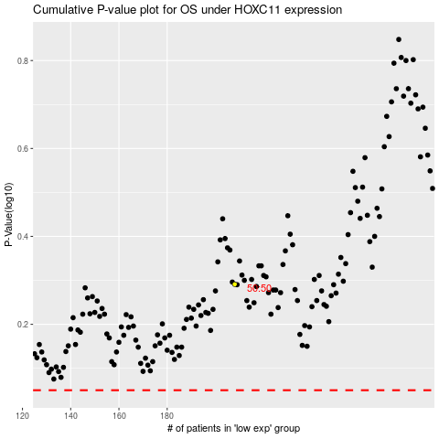

 |  |  |  |  |  | cases_OS | p_OS | rank | exp
 |  |  |  |  |  |  | cases_RFS | p_RFS | rank | exp

