HOXD1 _multivariate
Reported by Tex Li-Hsing Chi. tex@gate.sinica.edu.tw 2019-08-19

Table 2. The clinicopathological features of HNSCC cohort and HOXD1 expression. (Chi square test)
Cutoff at -0.343 (50.0%)
 |  | HOXD1 expression |  | HOXD1 expression |  | (Optimised)
 | Features | Low | (%) | High | (%) | Case no | P-value | Remark | Matthews
Gender | Female | 157 | 37.8 | 149 | 35.9 | 415 | 0.3881 | 0 | 0
2 | Male | 50 | 12 | 59 | 14.2
Age at diagnosis | <=65y | 137 | 33 | 137 | 33 | 415 | 1 | 0 | 0
4 | >65y | 70 | 16.9 | 71 | 17.1
Clinical T Status | T1+T2 | 82 | 19.8 | 67 | 16.1 | 415 | 0.1417 | 0 | 0
6 | T3+T4 | 125 | 30.1 | 141 | 34
Clinical N Status | N0 | 109 | 26.3 | 107 | 25.8 | 415 | 0.8812 | 0 | 0
8 | N1-3 | 98 | 23.6 | 101 | 24.3
Clinical M Status | M0 | 206 | 49.6 | 206 | 49.6 | 415 | 1 | 0 | 0
10 | M1 | 1 | 0.2 | 2 | 0.5
Clinical Stage | Stage I+II | 59 | 14.2 | 43 | 10.4 | 415 | 0.0822 | 0 | 0
12 | Stage III+IV | 148 | 35.7 | 165 | 39.8
Surgical Margin status | Negative | 159 | 38.3 | 159 | 38.3 | 415 | 1 | 0 | 0
14 | Positive | 48 | 11.6 | 49 | 11.8
Tobacco Exposure | Low | 92 | 22.2 | 69 | 16.6 | 415 | 0.0206 | 1 | 0
16 | High | 115 | 27.7 | 139 | 33.5

Table 3. Univariate/Multivariate Cox's proportional hazards regression analyses on OS time of HOXD1 gene expression in HNSCC

 |  | Univariate |  |  |  | Multivariate
 | Features | HR | CI95%(L) | CI95%(H) | P-value | HR | CI95%(L) | CI95%(H) | P-value
1 | Female | 1 |  |  |  | 1
Gender | Male | 1.157 | 0.843 | 1.587 | 0.367 | 1.199 | 0.858 | 1.675 | 0.287
11 | <=65y | 1 |  |  |  | 1
Age at diagnosis | >65y | 1.329 | 0.99 | 1.784 | 0.058 | 1.391 | 1.023 | 1.892 | 0.035
12 | T1+T2 | 1 |  |  |  | 1
Clinical T Status | T3+T4 | 1.409 | 1.028 | 1.931 | 0.033 | 2.218 | 1.172 | 4.198 | 0.014
13 | N0 | 1 |  |  |  | 1
Clinical N Status | N1-3 | 1.185 | 0.89 | 1.577 | 0.246 | 1.251 | 0.876 | 1.789 | 0.218
14 | M0 | 1 |  |  |  | 1
Clinical M Status | M1 | 4.097 | 1.009 | 16.644 | 0.049 | 9.251 | 2.015 | 42.478 | 0.004
15 | Stage I+II | 1 |  |  |  | 1
Clinical Stage | Stage III+IV | 1.245 | 0.882 | 1.759 | 0.213 | 0.496 | 0.23 | 1.068 | 0.073
16 | Negative | 1 |  |  |  | 1
Surgical Margin status | Positive | 1.591 | 1.155 | 2.191 | 0.004 | 1.675 | 1.212 | 2.315 | 0.002
17 | Low | 1 |  |  |  | 1
Tobacco Exposure | High | 1.364 | 1.008 | 1.844 | 0.044 | 1.439 | 1.042 | 1.988 | 0.027
18 | Low | 1 |  |  |  | 1
RNAseq(z-score) | High | 1.108 | 0.832 | 1.475 | 0.485 | 1.072 | 0.801 | 1.436 | 0.639

Table 4. Univariate/Multivariate Cox's proportional hazards regression analyses on RFS time of HOXD1 gene expression in HNSCC

 |  | Univariate |  |  |  | Multivariate
 | Features | HR | CI95%(L) | CI95%(H) | P-value | HR | CI95%(L) | CI95%(H) | P-value
1 | Female | 1 |  |  |  | 1
Gender | Male | 1.157 | 0.843 | 1.587 | 0.367 | 1.199 | 0.858 | 1.675 | 0.287
11 | <=65y | 1 |  |  |  | 1
Age at diagnosis | >65y | 1.329 | 0.99 | 1.784 | 0.058 | 1.391 | 1.023 | 1.892 | 0.035
12 | T1+T2 | 1 |  |  |  | 1
Clinical T Status | T3+T4 | 1.409 | 1.028 | 1.931 | 0.033 | 2.218 | 1.172 | 4.198 | 0.014
13 | N0 | 1 |  |  |  | 1
Clinical N Status | N1-3 | 1.185 | 0.89 | 1.577 | 0.246 | 1.251 | 0.876 | 1.789 | 0.218
14 | M0 | 1 |  |  |  | 1
Clinical M Status | M1 | 4.097 | 1.009 | 16.644 | 0.049 | 9.251 | 2.015 | 42.478 | 0.004
15 | Stage I+II | 1 |  |  |  | 1
Clinical Stage | Stage III+IV | 1.245 | 0.882 | 1.759 | 0.213 | 0.496 | 0.23 | 1.068 | 0.073
16 | Negative | 1 |  |  |  | 1
Surgical Margin status | Positive | 1.591 | 1.155 | 2.191 | 0.004 | 1.675 | 1.212 | 2.315 | 0.002
17 | Low | 1 |  |  |  | 1
Tobacco Exposure | High | 1.364 | 1.008 | 1.844 | 0.044 | 1.439 | 1.042 | 1.988 | 0.027
18 | Low | 1 |  |  |  | 1
RNAseq(z-score) | High | 1.108 | 0.832 | 1.475 | 0.485 | 1.072 | 0.801 | 1.436 | 0.639

Kaplan-Meier survival estimate: Cutoff at -0.343 (50.0%)



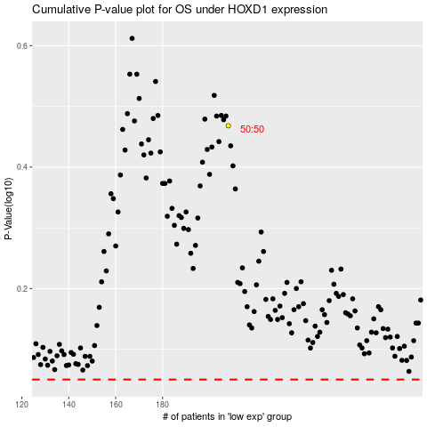

 |  |  |  |  |  | cases_OS | p_OS | rank | exp
 |  |  |  |  |  |  | cases_RFS | p_RFS | rank | exp

