HPDL _multivariate
Reported by Tex Li-Hsing Chi. tex@gate.sinica.edu.tw 2019-08-19

Table 2. The clinicopathological features of HNSCC cohort and HPDL expression. (Chi square test)
Cutoff at -0.39 (49.8%)
 |  | HPDL expression |  | HPDL expression |  | (Optimised)
 | Features | Low | (%) | High | (%) | Case no | P-value | Remark | Matthews
Gender | Female | 142 | 34.2 | 164 | 39.5 | 415 | 0.0238 | 1 | 0
2 | Male | 65 | 15.7 | 44 | 10.6
Age at diagnosis | <=65y | 126 | 30.4 | 148 | 35.7 | 415 | 0.035 | 1 | 0
4 | >65y | 81 | 19.5 | 60 | 14.5
Clinical T Status | T1+T2 | 81 | 19.5 | 68 | 16.4 | 415 | 0.206 | 0 | 0
6 | T3+T4 | 126 | 30.4 | 140 | 33.7
Clinical N Status | N0 | 112 | 27 | 104 | 25.1 | 415 | 0.4599 | 0 | 0
8 | N1-3 | 95 | 22.9 | 104 | 25.1
Clinical M Status | M0 | 207 | 49.9 | 205 | 49.4 | 415 | 0.2482 | 0 | 0
10 | M1 | 0 | 0 | 3 | 0.7
Clinical Stage | Stage I+II | 62 | 14.9 | 40 | 9.6 | 415 | 0.0154 | 1 | 0
12 | Stage III+IV | 145 | 34.9 | 168 | 40.5
Surgical Margin status | Negative | 162 | 39 | 156 | 37.6 | 415 | 0.4867 | 0 | 0
14 | Positive | 45 | 10.8 | 52 | 12.5
Tobacco Exposure | Low | 105 | 25.3 | 56 | 13.5 | 415 | 0 | 1 | 0
16 | High | 102 | 24.6 | 152 | 36.6

Table 3. Univariate/Multivariate Cox's proportional hazards regression analyses on OS time of HPDL gene expression in HNSCC

 |  | Univariate |  |  |  | Multivariate
 | Features | HR | CI95%(L) | CI95%(H) | P-value | HR | CI95%(L) | CI95%(H) | P-value
1 | Female | 1 |  |  |  | 1
Gender | Male | 1.157 | 0.843 | 1.587 | 0.367 | 1.212 | 0.867 | 1.695 | 0.26
11 | <=65y | 1 |  |  |  | 1
Age at diagnosis | >65y | 1.329 | 0.99 | 1.784 | 0.058 | 1.374 | 1.01 | 1.868 | 0.043
12 | T1+T2 | 1 |  |  |  | 1
Clinical T Status | T3+T4 | 1.409 | 1.028 | 1.931 | 0.033 | 2.15 | 1.136 | 4.07 | 0.019
13 | N0 | 1 |  |  |  | 1
Clinical N Status | N1-3 | 1.185 | 0.89 | 1.577 | 0.246 | 1.214 | 0.851 | 1.732 | 0.285
14 | M0 | 1 |  |  |  | 1
Clinical M Status | M1 | 4.097 | 1.009 | 16.644 | 0.049 | 10.741 | 2.324 | 49.63 | 0.002
15 | Stage I+II | 1 |  |  |  | 1
Clinical Stage | Stage III+IV | 1.245 | 0.882 | 1.759 | 0.213 | 0.534 | 0.248 | 1.148 | 0.108
16 | Negative | 1 |  |  |  | 1
Surgical Margin status | Positive | 1.591 | 1.155 | 2.191 | 0.004 | 1.715 | 1.239 | 2.374 | 0.001
17 | Low | 1 |  |  |  | 1
Tobacco Exposure | High | 1.364 | 1.008 | 1.844 | 0.044 | 1.573 | 1.127 | 2.196 | 0.008
18 | Low | 1 |  |  |  | 1
RNAseq(z-score) | High | 0.87 | 0.653 | 1.159 | 0.342 | 0.758 | 0.56 | 1.027 | 0.074

Table 4. Univariate/Multivariate Cox's proportional hazards regression analyses on RFS time of HPDL gene expression in HNSCC

 |  | Univariate |  |  |  | Multivariate
 | Features | HR | CI95%(L) | CI95%(H) | P-value | HR | CI95%(L) | CI95%(H) | P-value
1 | Female | 1 |  |  |  | 1
Gender | Male | 1.157 | 0.843 | 1.587 | 0.367 | 1.212 | 0.867 | 1.695 | 0.26
11 | <=65y | 1 |  |  |  | 1
Age at diagnosis | >65y | 1.329 | 0.99 | 1.784 | 0.058 | 1.374 | 1.01 | 1.868 | 0.043
12 | T1+T2 | 1 |  |  |  | 1
Clinical T Status | T3+T4 | 1.409 | 1.028 | 1.931 | 0.033 | 2.15 | 1.136 | 4.07 | 0.019
13 | N0 | 1 |  |  |  | 1
Clinical N Status | N1-3 | 1.185 | 0.89 | 1.577 | 0.246 | 1.214 | 0.851 | 1.732 | 0.285
14 | M0 | 1 |  |  |  | 1
Clinical M Status | M1 | 4.097 | 1.009 | 16.644 | 0.049 | 10.741 | 2.324 | 49.63 | 0.002
15 | Stage I+II | 1 |  |  |  | 1
Clinical Stage | Stage III+IV | 1.245 | 0.882 | 1.759 | 0.213 | 0.534 | 0.248 | 1.148 | 0.108
16 | Negative | 1 |  |  |  | 1
Surgical Margin status | Positive | 1.591 | 1.155 | 2.191 | 0.004 | 1.715 | 1.239 | 2.374 | 0.001
17 | Low | 1 |  |  |  | 1
Tobacco Exposure | High | 1.364 | 1.008 | 1.844 | 0.044 | 1.573 | 1.127 | 2.196 | 0.008
18 | Low | 1 |  |  |  | 1
RNAseq(z-score) | High | 0.87 | 0.653 | 1.159 | 0.342 | 0.758 | 0.56 | 1.027 | 0.074

Kaplan-Meier survival estimate: Cutoff at -0.39 (49.8%)



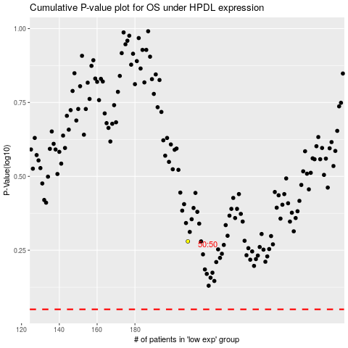

 |  |  |  |  |  | cases_OS | p_OS | rank | exp
 |  |  |  |  |  |  | cases_RFS | p_RFS | rank | exp

