HPS3 _multivariate
Reported by Tex Li-Hsing Chi. tex@gate.sinica.edu.tw 2019-08-19

Table 2. The clinicopathological features of HNSCC cohort and HPS3 expression. (Chi square test)
Cutoff at -0.24 (49.8%)
 |  | HPS3 expression |  | HPS3 expression |  | (Optimised)
 | Features | Low | (%) | High | (%) | Case no | P-value | Remark | Matthews
Gender | Female | 141 | 34 | 165 | 39.8 | 415 | 0.013 | 1 | 0
2 | Male | 66 | 15.9 | 43 | 10.4
Age at diagnosis | <=65y | 137 | 33 | 137 | 33 | 415 | 1 | 0 | 0
4 | >65y | 70 | 16.9 | 71 | 17.1
Clinical T Status | T1+T2 | 68 | 16.4 | 81 | 19.5 | 415 | 0.2336 | 0 | 0
6 | T3+T4 | 139 | 33.5 | 127 | 30.6
Clinical N Status | N0 | 111 | 26.7 | 105 | 25.3 | 415 | 0.5875 | 0 | 0
8 | N1-3 | 96 | 23.1 | 103 | 24.8
Clinical M Status | M0 | 205 | 49.4 | 207 | 49.9 | 415 | 0.6232 | 0 | 0
10 | M1 | 2 | 0.5 | 1 | 0.2
Clinical Stage | Stage I+II | 48 | 11.6 | 54 | 13 | 415 | 0.5878 | 0 | 0
12 | Stage III+IV | 159 | 38.3 | 154 | 37.1
Surgical Margin status | Negative | 160 | 38.6 | 158 | 38.1 | 415 | 0.8167 | 0 | 0
14 | Positive | 47 | 11.3 | 50 | 12
Tobacco Exposure | Low | 91 | 21.9 | 70 | 16.9 | 415 | 0.0346 | 1 | 0
16 | High | 116 | 28 | 138 | 33.3

Table 3. Univariate/Multivariate Cox's proportional hazards regression analyses on OS time of HPS3 gene expression in HNSCC

 |  | Univariate |  |  |  | Multivariate
 | Features | HR | CI95%(L) | CI95%(H) | P-value | HR | CI95%(L) | CI95%(H) | P-value
1 | Female | 1 |  |  |  | 1
Gender | Male | 1.157 | 0.843 | 1.587 | 0.367 | 1.217 | 0.866 | 1.709 | 0.258
11 | <=65y | 1 |  |  |  | 1
Age at diagnosis | >65y | 1.329 | 0.99 | 1.784 | 0.058 | 1.386 | 1.019 | 1.886 | 0.037
12 | T1+T2 | 1 |  |  |  | 1
Clinical T Status | T3+T4 | 1.409 | 1.028 | 1.931 | 0.033 | 2.215 | 1.17 | 4.192 | 0.015
13 | N0 | 1 |  |  |  | 1
Clinical N Status | N1-3 | 1.185 | 0.89 | 1.577 | 0.246 | 1.233 | 0.863 | 1.762 | 0.25
14 | M0 | 1 |  |  |  | 1
Clinical M Status | M1 | 4.097 | 1.009 | 16.644 | 0.049 | 9.664 | 2.095 | 44.576 | 0.004
15 | Stage I+II | 1 |  |  |  | 1
Clinical Stage | Stage III+IV | 1.245 | 0.882 | 1.759 | 0.213 | 0.506 | 0.236 | 1.085 | 0.08
16 | Negative | 1 |  |  |  | 1
Surgical Margin status | Positive | 1.591 | 1.155 | 2.191 | 0.004 | 1.671 | 1.209 | 2.309 | 0.002
17 | Low | 1 |  |  |  | 1
Tobacco Exposure | High | 1.364 | 1.008 | 1.844 | 0.044 | 1.441 | 1.043 | 1.991 | 0.027
18 | Low | 1 |  |  |  | 1
RNAseq(z-score) | High | 1.041 | 0.782 | 1.386 | 0.783 | 1.061 | 0.788 | 1.429 | 0.697

Table 4. Univariate/Multivariate Cox's proportional hazards regression analyses on RFS time of HPS3 gene expression in HNSCC

 |  | Univariate |  |  |  | Multivariate
 | Features | HR | CI95%(L) | CI95%(H) | P-value | HR | CI95%(L) | CI95%(H) | P-value
1 | Female | 1 |  |  |  | 1
Gender | Male | 1.157 | 0.843 | 1.587 | 0.367 | 1.217 | 0.866 | 1.709 | 0.258
11 | <=65y | 1 |  |  |  | 1
Age at diagnosis | >65y | 1.329 | 0.99 | 1.784 | 0.058 | 1.386 | 1.019 | 1.886 | 0.037
12 | T1+T2 | 1 |  |  |  | 1
Clinical T Status | T3+T4 | 1.409 | 1.028 | 1.931 | 0.033 | 2.215 | 1.17 | 4.192 | 0.015
13 | N0 | 1 |  |  |  | 1
Clinical N Status | N1-3 | 1.185 | 0.89 | 1.577 | 0.246 | 1.233 | 0.863 | 1.762 | 0.25
14 | M0 | 1 |  |  |  | 1
Clinical M Status | M1 | 4.097 | 1.009 | 16.644 | 0.049 | 9.664 | 2.095 | 44.576 | 0.004
15 | Stage I+II | 1 |  |  |  | 1
Clinical Stage | Stage III+IV | 1.245 | 0.882 | 1.759 | 0.213 | 0.506 | 0.236 | 1.085 | 0.08
16 | Negative | 1 |  |  |  | 1
Surgical Margin status | Positive | 1.591 | 1.155 | 2.191 | 0.004 | 1.671 | 1.209 | 2.309 | 0.002
17 | Low | 1 |  |  |  | 1
Tobacco Exposure | High | 1.364 | 1.008 | 1.844 | 0.044 | 1.441 | 1.043 | 1.991 | 0.027
18 | Low | 1 |  |  |  | 1
RNAseq(z-score) | High | 1.041 | 0.782 | 1.386 | 0.783 | 1.061 | 0.788 | 1.429 | 0.697

Kaplan-Meier survival estimate: Cutoff at -0.24 (49.8%)



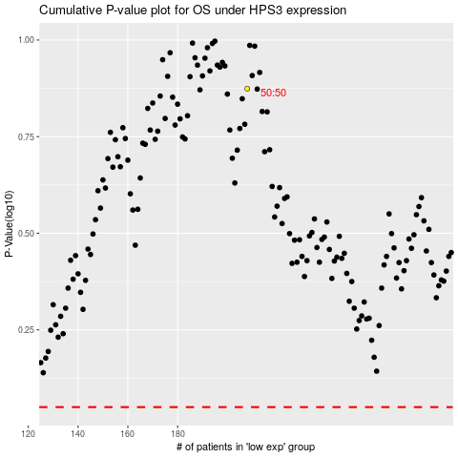

 |  |  |  |  |  | cases_OS | p_OS | rank | exp
 |  |  |  |  |  |  | cases_RFS | p_RFS | rank | exp

